Sheet1
TPS62170
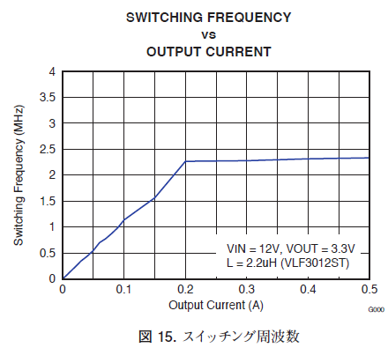
Vin | 12 | V
Vout | 3.3 | V
Iout | 0.2 | A
L | 0.0000022 | H
ton | 1.155E-07 | s
Ilpsm(peak) | 0.45675 | A
⊿IL(max) | 0.5135 | A
Fsw | 2117818.89 | Hz
Fsw | 2117.81889 | KHz

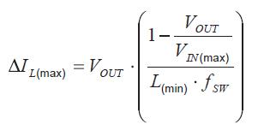
Iload(psm) | 0.25675

