Sheet1
 |  | Orange = Set Values
 |  |  |  |  |  |  |  |  | P/S | USB | USB | USB
TPS54340 | TPS54340 | TPS54340 | INA213 | INA213 | USB | calc | calc | calc | reg | Conn | Cable | Compensated
Vref | Rtop | Rbot | Ri | Rsense | Iout | term1 | term2 | term3 | Vo | Vo2 | Ohms | V cable (end)
0.8 | 8660 | 1210 | 10000 | 0.01 | 0 | 6.04E+03 | 1.04E-03 | 0.00E+00 | 5.037 | 5.037 | 0.287 | 5.037
0.8 | 8660 | 1210 | 10000 | 0.01 | 0.1 | 6.04E+03 | 1.04E-03 | 5.00E-06 | 5.067 | 5.066 | 0.287 | 5.038
0.8 | 8660 | 1210 | 10000 | 0.01 | 0.2 | 6.04E+03 | 1.04E-03 | 1.00E-05 | 5.098 | 5.096 | 0.287 | 5.038
0.8 | 8660 | 1210 | 10000 | 0.01 | 0.3 | 6.04E+03 | 1.04E-03 | 1.50E-05 | 5.128 | 5.125 | 0.287 | 5.039
0.8 | 8660 | 1210 | 10000 | 0.01 | 0.4 | 6.04E+03 | 1.04E-03 | 2.00E-05 | 5.158 | 5.154 | 0.287 | 5.039
0.8 | 8660 | 1210 | 10000 | 0.01 | 0.5 | 6.04E+03 | 1.04E-03 | 2.50E-05 | 5.188 | 5.183 | 0.287 | 5.040
0.8 | 8660 | 1210 | 10000 | 0.01 | 0.6 | 6.04E+03 | 1.04E-03 | 3.00E-05 | 5.219 | 5.213 | 0.287 | 5.040
0.8 | 8660 | 1210 | 10000 | 0.01 | 0.7 | 6.04E+03 | 1.04E-03 | 3.50E-05 | 5.249 | 5.242 | 0.287 | 5.041
0.8 | 8660 | 1210 | 10000 | 0.01 | 0.8 | 6.04E+03 | 1.04E-03 | 4.00E-05 | 5.279 | 5.271 | 0.287 | 5.041
0.8 | 8660 | 1210 | 10000 | 0.01 | 0.9 | 6.04E+03 | 1.04E-03 | 4.50E-05 | 5.309 | 5.300 | 0.287 | 5.042
0.8 | 8660 | 1210 | 10000 | 0.01 | 1 | 6.04E+03 | 1.04E-03 | 5.00E-05 | 5.339 | 5.329 | 0.287 | 5.042
0.8 | 8660 | 1210 | 10000 | 0.01 | 1.1 | 6.04E+03 | 1.04E-03 | 5.50E-05 | 5.370 | 5.359 | 0.287 | 5.043
0.8 | 8660 | 1210 | 10000 | 0.01 | 1.2 | 6.04E+03 | 1.04E-03 | 6.00E-05 | 5.400 | 5.388 | 0.287 | 5.043
0.8 | 8660 | 1210 | 10000 | 0.01 | 1.3 | 6.04E+03 | 1.04E-03 | 6.50E-05 | 5.430 | 5.417 | 0.287 | 5.044
0.8 | 8660 | 1210 | 10000 | 0.01 | 1.4 | 6.04E+03 | 1.04E-03 | 7.00E-05 | 5.460 | 5.446 | 0.287 | 5.045
0.8 | 8660 | 1210 | 10000 | 0.01 | 1.5 | 6.04E+03 | 1.04E-03 | 7.50E-05 | 5.491 | 5.476 | 0.287 | 5.045
0.8 | 8660 | 1210 | 10000 | 0.01 | 1.6 | 6.04E+03 | 1.04E-03 | 8.00E-05 | 5.521 | 5.505 | 0.287 | 5.046
0.8 | 8660 | 1210 | 10000 | 0.01 | 1.7 | 6.04E+03 | 1.04E-03 | 8.50E-05 | 5.551 | 5.534 | 0.287 | 5.046
0.8 | 8660 | 1210 | 10000 | 0.01 | 1.8 | 6.04E+03 | 1.04E-03 | 9.00E-05 | 5.581 | 5.563 | 0.287 | 5.047
0.8 | 8660 | 1210 | 10000 | 0.01 | 1.9 | 6.04E+03 | 1.04E-03 | 9.50E-05 | 5.611 | 5.592 | 0.287 | 5.047
0.8 | 8660 | 1210 | 10000 | 0.01 | 2 | 6.04E+03 | 1.04E-03 | 1.00E-04 | 5.642 | 5.622 | 0.287 | 5.048
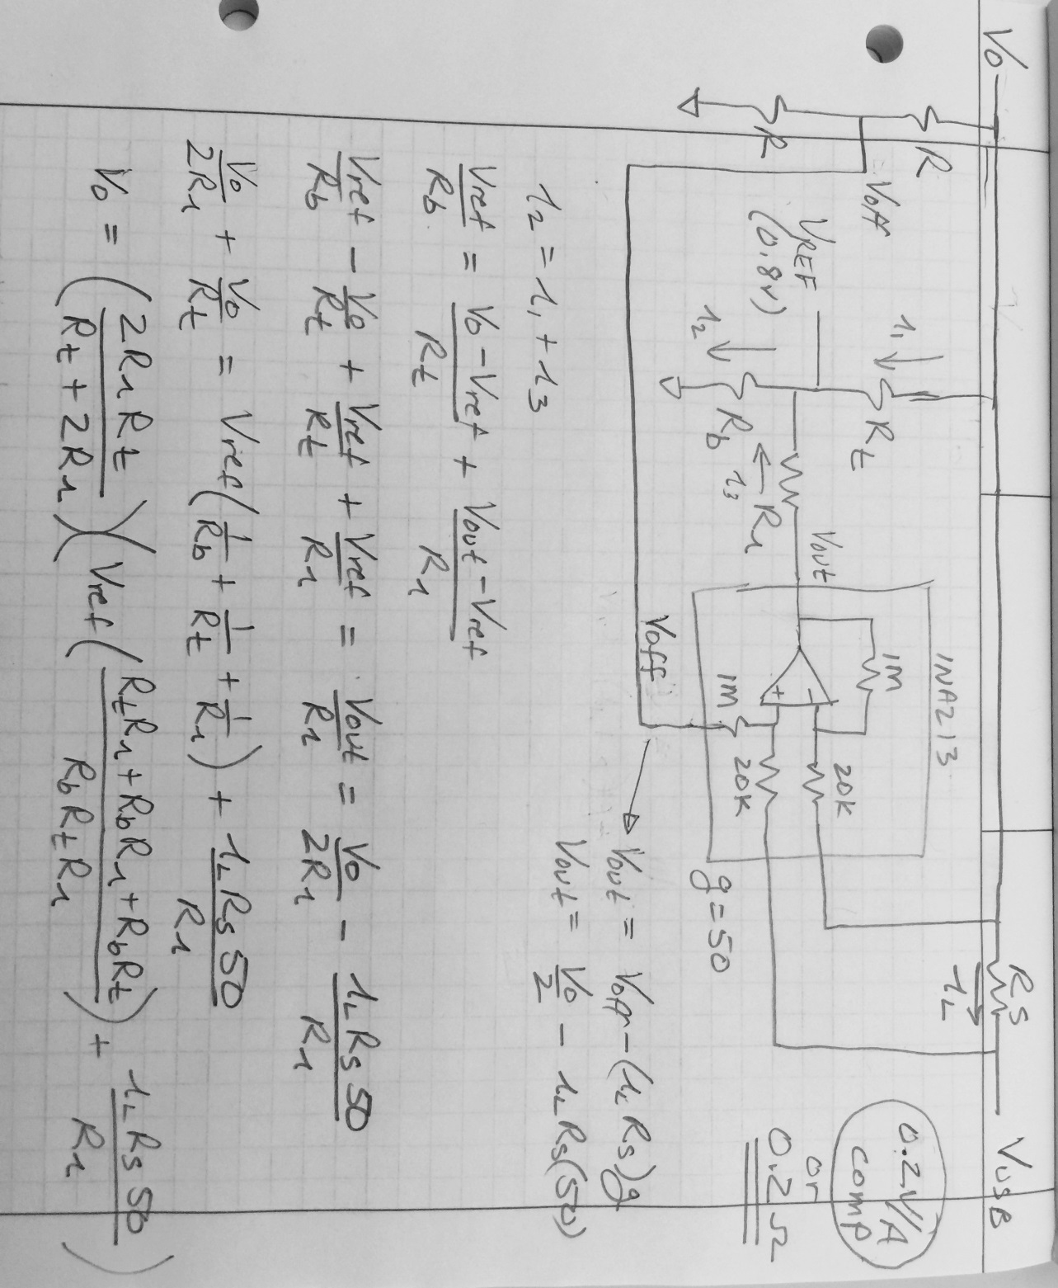
0.8 | 8660 | 1210 | 10000 | 0.01 | 2.1 | 6.04E+03 | 1.04E-03 | 1.05E-04 | 5.672 | 5.651 | 0.287 | 5.048

