Table of Contents
Isolated Amplifier Voltage Sense Calculator: Table of Contents

Worksheets | Description

Voltage Sense Calculator | Calculates a series of error values using an isolation amp for a voltage sense circuit in various configurations

Device Comparison | Compares the datasheet specifications of isolation amps that can be used for voltage sense

About | Information about this tool

Help | Documentation and supporting links

Document Description
This document provides estimates of the errors associated with using isolation amp devices in a voltage sense configuration.

Voltage Sense Calculator
Isolated Amplifier Voltage Sense Calculator

 |  |  |  |  |  |  | Table of Contents
withoutR3
 |  |  |  | User Inputs
 |  |  |  | Select Configuration |  |  | Differential without R3'
 |  |  |  | Select Device |  |  | AMC1300
 |  |  |  | High Voltage Potential |  |  | 500 V
 |  |  |  | R1 Resistance |  |  | 200,000 Ω
 |  |  |  | R2 Resistance |  |  | 200,000 Ω
 |  |  |  | R3 Resistance |  |  | 200 Ω
 |  |  |  | Resistor Drift |  |  | 50 ppm/°C
 |  |  |  | Temperature Min |  |  | 25 °C
 |  |  |  | Temperature Max |  |  | 125 °C
 |  |  |  | Applied Full-Scale Voltage, +FS |  |  | 0.2499 V
 |  |  |  | Power Dissipation Across Voltage Divider |  |  | 624.69 mW

 |  |  |  |  |  | Legend
 |  |  |  |  |  | Input = | #
 |  |  |  |  |  | Specification = | #
 |  |  |  |  |  | Result = | #

Above: A sample diagram of a circuit with an AMC1301 part
Note that all errors are input referred to the Full-Scale (FS) input value in cell F31
This assumes the circuit does not include R3' which eliminates the offset errors

Worst-Case Error Across Temperature ( 25°C to +125°C) at VIN= +FS (Full-Scale)
±Input Voltage Range by Datasheet Specification = |  | 0.2500 V | +FS = | 0.2499 V
Specifications | Typical Spec | Maximum Spec | Typical Root-sum-square (RSS) Method (mV) | Worst-Case Root-sum-square (RSS) Method (mV) | Comment
Gain error | 0.40% | 1.00% | 1.000 mV | 2.499 mV
Gain drift | 50 ppm/°C | 150 ppm/°C | 1.249 mV | 3.748 mV | Worst-Case Drift from 25°C to 125°C
Offset error | 0.01 mV | 2.00 mV | 0.010 mV | 2.000 mV
Offset drift | 1.30 µV/°C | 4.00 µV/°C | 0.130 mV | 0.400 mV | Worst-Case Drift from 25°C to 125°C
INL | 0.01% | 0.03% | 0.025 mV | 0.075 mV
INL Drift | 1 ppm/°C | 3 ppm/°C | 0.025 mV | 0.075 mV | Worst-Case Drift from 25°C to 125°C, Worst Case = 3 * Typical if no max in datasheet
Rdivider Impedance | 199.90 Ω |  |  |  | Equivalent impedance (Ω) of the shunt resistor
Gain Error Rdivider | 1.052% |  | 2.629 mV | 2.629 mV | Calculation from datasheet: GE = R_divider / R_in
GE Rdivider Drift | 50 ppm/°C |  | 1.249 mV | 1.249 mV | Drift of the internal resistance which impacts the GE
Offset Error Rdivider | 2.40% |  | 5.997 mV | 5.997 mV | Offset from bias current and voltage divider resistance (R_divider * I_bias)
Offset Rdivider drift | 50 ppm/°C |  | 1.249 mV | 1.249 mV | Offset drift from Ibias drift due to input resistance drift
Error Results
Typical Total Error |  |  | 2.79% | 6.970 mV | Typical Error
Typical Total Error after offset cal |  |  | 1.42% | 3.551 mV | Typical Error
Typical Total Error after offset and 2-point gain calibration |  |  | 0.87% | 2.168 mV | Typical Error
Typical Total Error after offset and 2-point gain cal over temperature |  |  | 0.01% | 0.035 mV | Typical Error
Worst-Case Total Error |  |  | 3.36% | 8.394 mV | Worst-Case Error
Worst-Case Total Error after offset cal |  |  | 2.21% | 5.522 mV | Worst-Case Error
Worst-Case Total Error after offset and 2-point gain cal |  |  | 1.67% | 4.164 mV | Worst-Case Error
Worst-Case Total Error after offset and 2-point gain cal over temperature |  |  | 0.04% | 0.106 mV | Worst-Case Error

Device Comparison
Device Comparison

Note: if no maximum specification is given in the datasheet, the maximum value is estimated at 3x the typical value |  |  |  |  |  |  |  |  |  |  |  |  |  | Table of Contents
Part | Input Type | Gain Error Typ | Gain Error Max | Gain Drift Typ | Gain Drift Max | Offset Error Typ | Offset Error Max | Offset Drift Typ | Offset Drift Max | INL Typ | INL Max | INL Drift Typ | INL Drift Max | ±Input Voltage Range | Temp Min | Temp Max | Input Resistor (R4) | Single-Ended Input Resistance | Bias Current
AMC1300 | Differential | 0.40% | 1.00% | 50 ppm/°C | 150 ppm/°C | 0.01 mV | 2.00 mV | 1.30 µV/°C | 4.00 µV/°C | 0.01% | 0.03% | 1 ppm/°C | 3 ppm/°C | 250 mV | -40 °C | 125 °C | 12,500 Ω | 19,000 Ω | 30 µA
AMC1300B | Differential | 0.05% | 0.30% | 15 ppm/°C | 50 ppm/°C | 0.01 mV | 0.20 mV | 1.00 µV/°C | 3.00 µV/°C | 0.00% | 0.03% | 1 ppm/°C | 3 ppm/°C | 250 mV | -55 °C | 125 °C | 12,500 Ω | 19,000 Ω | 30 µA
AMC1300-Q1 | Differential | 0.40% | 1.00% | 50 ppm/°C | 150 ppm/°C | 0.01 mV | 2.00 mV | 1.30 µV/°C | 4.00 µV/°C | 0.01% | 0.03% | 1 ppm/°C | 3 ppm/°C | 250 mV | -40 °C | 125 °C | 12,500 Ω | 19,000 Ω | 30 µA
AMC1301 | Differential | 0.05% | 0.30% | 15 ppm/°C | 50 ppm/°C | 0.05 mV | 0.20 mV | 1.00 µV/°C | 3.00 µV/°C | 0.01% | 0.03% | 1 ppm/°C | 3 ppm/°C | 250 mV | -40 °C | 125 °C | 12,500 Ω | 18,000 Ω | 30 µA
AMC1301S | Differential | 0.05% | 0.30% | 15 ppm/°C | 60 ppm/°C | 0.05 mV | 0.20 mV | 1.00 µV/°C | 4.00 µV/°C | 0.01% | 0.03% | 1 ppm/°C | 3 ppm/°C | 250 mV | -55 °C | 125 °C | 12,500 Ω | 18,000 Ω | 30 µA
AMC1301-Q1 | Differential | 0.05% | 0.30% | 15 ppm/°C | 50 ppm/°C | 0.05 mV | 0.20 mV | 1.00 µV/°C | 3.00 µV/°C | 0.01% | 0.03% | 1 ppm/°C | 3 ppm/°C | 250 mV | -40 °C | 125 °C | 12,500 Ω | 18,000 Ω | 30 µA
AMC1302 | Differential | 0.05% | 0.30% | 15 ppm/°C | 50 ppm/°C | 0.01 mV | 0.10 mV | 0.15 µV/°C | 0.80 µV/°C | 0.01% | 0.03% | 1 ppm/°C | 3 ppm/°C | 50 mV | -55 °C | 125 °C | 2,500 Ω | 4,750 Ω | 36 µA
AMC1311 | Single-Ended | 0.04% | 1.00% | 30 ppm/°C | 90 ppm/°C | 0.40 mV | 9.90 mV | 20.00 µV/°C | 60.00 µV/°C | 0.01% | 0.04% | 1 ppm/°C | 3 ppm/°C | 2,000 mV | -40 °C | 125 °C |  | 1,000,000,000 Ω | 0.0035 µA
AMC1311B | Single-Ended | 0.05% | 0.30% | 5 ppm/°C | 45 ppm/°C | 1.10 mV | 2.50 mV | 3.00 µV/°C | 15.00 µV/°C | 0.01% | 0.04% | 1 ppm/°C | 3 ppm/°C | 2,000 mV | -55 °C | 125 °C |  | 1,000,000,000 Ω | 0.0035 µA
AMC1311-Q1 | Single-Ended | 0.04% | 1.00% | 30 ppm/°C | 90 ppm/°C | 0.40 mV | 9.90 mV | 20.00 µV/°C | 60.00 µV/°C | 0.01% | 0.04% | 1 ppm/°C | 3 ppm/°C | 2,000 mV | -40 °C | 125 °C |  | 1,000,000,000 Ω | 0.0035 µA
AMC1311B-Q1 | Single-Ended | 0.05% | 0.30% | 5 ppm/°C | 45 ppm/°C | 1.10 mV | 2.50 mV | 3.00 µV/°C | 15.00 µV/°C | 0.01% | 0.04% | 1 ppm/°C | 3 ppm/°C | 2,000 mV | -40 °C | 125 °C |  | 1,000,000,000 Ω | 0.0035 µA
AMC1211-Q1 | Single-Ended | 0.05% | 0.30% | 5 ppm/°C | 45 ppm/°C | 1.10 mV | 2.50 mV | 3.00 µV/°C | 15.00 µV/°C | 0.01% | 0.04% | 1 ppm/°C | 3 ppm/°C | 2,000 mV | -40 °C | 125 °C |  | 1,000,000,000 Ω | 0.0035 µA
AMC3301 | Differential | 0.10% | 0.40% | 20 ppm/°C | 60 ppm/°C | 0.03 mV | 0.20 mV | 1.50 µV/°C | 5.00 µV/°C | 0.03% | 0.08% | 1 ppm/°C | 3 ppm/°C | 250 mV | -40 °C | 125 °C | 12,500 Ω | 18,000 Ω | 30 µA
ISO224A | Single-Ended | 0.40% | 1.00% | 20 ppm/°C | 60 ppm/°C | 1.00 mV | 50.00 mV | 12.00 µV/°C | 60.00 µV/°C | 0.003% | 0.02% | 0.1 ppm/°C | 0.3 ppm/°C | 12,000 mV | -55 °C | 125 °C |  | 1,250,000 Ω | 0.015 µA
ISO224B | Single-Ended | 0.05% | 0.30% | 10 ppm/°C | 35 ppm/°C | 1.00 mV | 5.00 mV | 3.00 µV/°C | 15.00 µV/°C | 0.003% | 0.01% | 0.1 ppm/°C | 0.3 ppm/°C | 12,000 mV | -55 °C | 125 °C |  | 1,250,000 Ω | 0.015 µA

 |  |  |  |  |  |  |  |  |  |  |  |  |  |  |  |  |  |  |  | Configuration | Image
 |  |  |  |  |  |  |  |  |  |  |  |  |  |  |  |  |  |  |  | [Select Configuration] | Please select a configuration in the User Inputs before proceeding.
 |  |  |  |  |  |  |  |  |  |  |  |  |  |  |  |  |  |  |  | 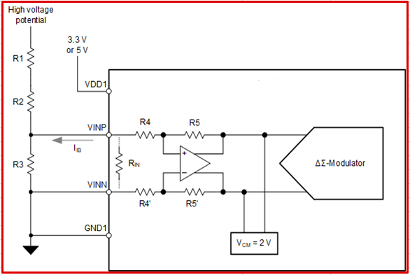 Differential without R3'
 |  |  |  |  |  |  |  |  |  |  |  |  |  |  |  |  |  |  |  | 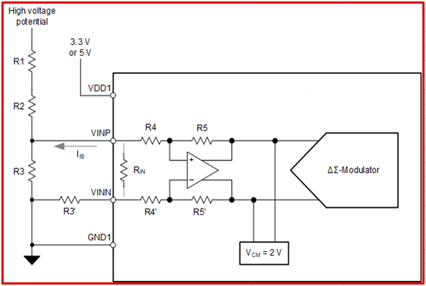 Differential with R3'
 |  |  |  |  |  |  |  |  |  |  |  |  |  |  |  |  |  |  |  | Single-Ended | 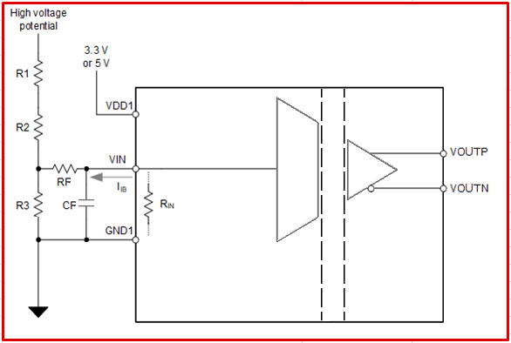

About
About this tool...
© Copyright 2018 Texas Instruments Incorporated. All rights reserved.

Version Number | 0.0.0 | Table of Contents
Created by
LICENSE INFORMATION:
Copyright (c) 2018 Texas Instruments Incorporated
All rights reserved not granted herein.
Limited License.
Texas Instruments Incorporated grants a world-wide, royalty-free, non-exclusive license under copyrights and patents it now or hereafter owns or controls to make, have made, use, import, offer to sell and sell ("Utilize") this software subject to the terms herein. With respect to the foregoing patent license, such license is granted solely to the extent that any such patent is necessary to Utilize the software alone. The patent license shall not apply to any combinations which include this software, other than combinations with devices manufactured by or for TI (“TI Devices”). No hardware patent is licensed hereunder.
Redistributions must preserve existing copyright notices and reproduce this license (including the above copyright notice and the disclaimer and (if applicable) source code license limitations below) in the documentation and/or other materials provided with the distribution
Redistribution and use in binary form, without modification, are permitted provided that the following conditions are met:
* No reverse engineering, decompilation, or disassembly of this software is permitted with respect to any software provided in binary form.
* Any redistribution and use are licensed by TI for use only with TI Devices.
* Nothing shall obligate TI to provide you with source code for the software licensed and provided to you in object code.
If software source code is provided to you, modification and redistribution of the source code are permitted provided that the following conditions are met:
* Any redistribution and use of the source code, including any resulting derivative works, are licensed by TI for use only with TI Devices.
* Any redistribution and use of any object code compiled from the source code and any resulting derivative works, are licensed by TI for use only with TI Devices.
Neither the name of Texas Instruments Incorporated nor the names of its suppliers may be used to endorse or promote products derived from this software without specific prior written permission.
DISCLAMER:
THIS SOFTWARE IS PROVIDED BY TI AND TI’S LICENSORS "AS IS" AND ANY EXPRESS OR IMPLIED WARRANTIES, INCLUDING, BUT NOT LIMITED TO, THE IMPLIED WARRANTIES OF MERCHANTABILITY AND FITNESS FOR A PARTICULAR PURPOSE ARE DISCLAIMED. IN NO EVENT SHALL TI AND TI’S LICENSORS BE LIABLE FOR ANY DIRECT, INDIRECT, INCIDENTAL, SPECIAL, EXEMPLARY, OR CONSEQUENTIAL DAMAGES (INCLUDING, BUT NOT LIMITED TO, PROCUREMENT OF SUBSTITUTE GOODS OR SERVICES; LOSS OF USE, DATA, OR PROFITS; OR BUSINESS INTERRUPTION) HOWEVER CAUSED AND ON ANY THEORY OF LIABILITY, WHETHER IN CONTRACT, STRICT LIABILITY, OR TORT (INCLUDING NEGLIGENCE OR OTHERWISE) ARISING IN ANY WAY OUT OF THE USE OF THIS SOFTWARE, EVEN IF ADVISED OF THE POSSIBILITY OF SUCH DAMAGE.

IMPORTANT:
1. Do not delete this worksheet!
2. Refer to the help tab for additional device information and support.
3. Redistributions must retain the above copyright and the following disclaimer.

Version History
Version | Change List Description
0.0.0 | Beta

Help
How to use this tool...

For any futher assistance on this tool, please post your question in the following forum - E2E Precision Data Converters Forum |  |  |  |  | Table of Contents

Getting Started with this tool ?

 | 1. Reference the product datasheet, found at the URLs below, for information about the particular device.
 |  | AMC1300/B: |  | http://www.ti.com/lit/gpn/amc1300
 |  | AMC1301/S: |  | http://www.ti.com/lit/gpn/amc1301
 |  | AMC1301-Q1: |  | http://www.ti.com/lit/gpn/amc1301-q1
 |  | AMC1302: |  | http://www.ti.com/lit/gpn/amc1302
 |  | AMC1311/B: |  | http://www.ti.com/lit/gpn/amc1311
 |  | AMC1311/B-Q1: |  | http://www.ti.com/lit/gpn/amc1311-q1
 |  | AMC3301: |  | http://www.ti.com/lit/gpn/amc3301
 |  | ISO224A/B: |  | http://www.ti.com/lit/gpn/iso224

 | 2. Go to the Table of Contents for tool descriptions and links to specific worksheets.
 |  | Link: |  | Table of Contents

 | 3.Use the "Legend" on each worksheet for guidance. The required inputs and calculated results typically follow the convention below:

 |  | Input = | #
 |  | Specification = | #
 |  | Result = | #

