Sheet1
Total Power Consumption |  | Units
Ptotal | 3.18504e-05 | W

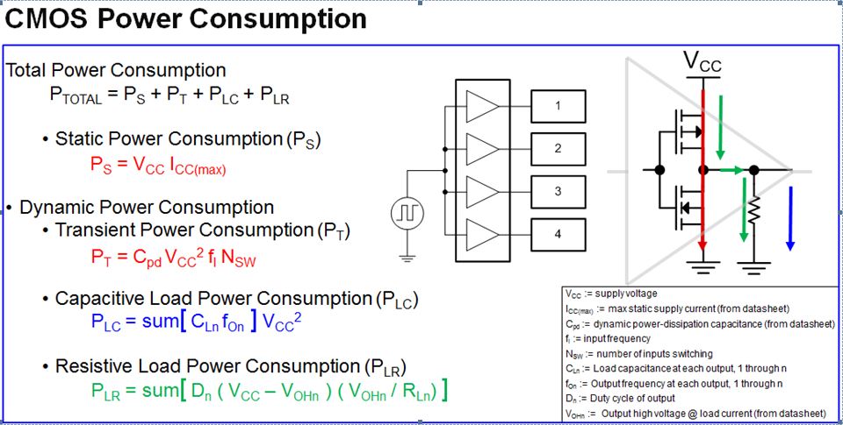
Static Power Consumption |  |  | Fill out all values that are highlited yellow
Vcc | 3.3 | V | Calculated Values are highlighted orange
Icc | 5e-07 | A
Total | 1.65e-06 | W

Dynamic Power Consumption
Vcc | 3.3 | V
Cpd | 0 | F
Frequency | 100000 | Hz
Number of inputs switiching | 2
Total | 9.3654e-06 | W

Capacitive Load Power Consumption
Vcc | 3.3 | V
Load capacitance | 0 | F
Output Frequency | 100000 | Hz
Number of Outputs | 1
Total | 1.6335e-05 | W

Resistive Load Power Consumption
Vcc | 3.3 | V
VOH | 3 | V
Load Resistance | 100000 | Ohms
Duty cycle of output | 0.5 | %/100
Number of Outputs | 1
Total | 4.5e-06 | W

Change in Temperature due to Power Consumption
Theta JA | 298.6 | C/W
Power Consumption | 3.18504e-05 | W
Change in Temp | 9.5E-03 | C
Ambient Temperature | 25 | C
Temperature of Device | 25.009510529 | C

