MCU ESM Calculator
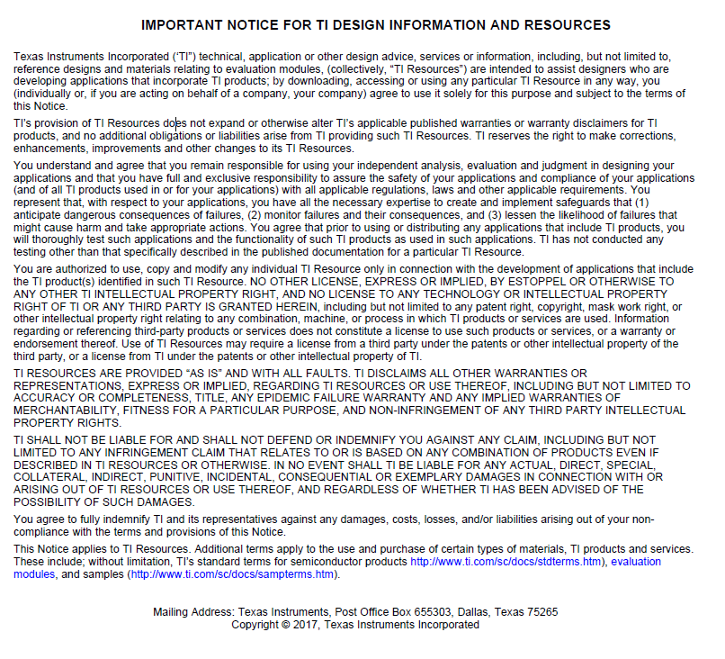
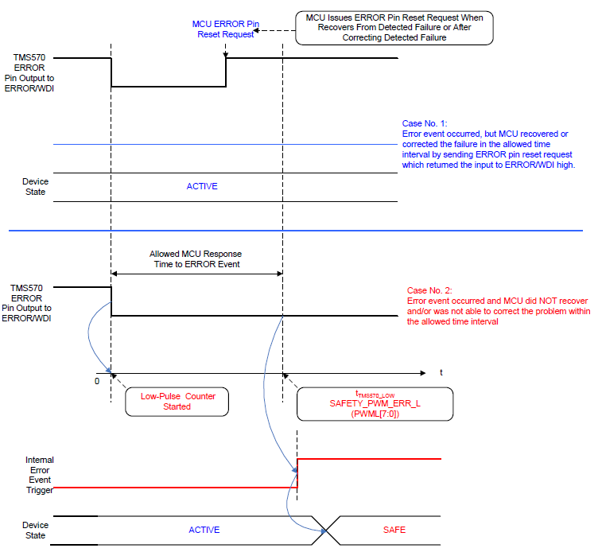
TPS65381A-Q1 MCU ESM Calculator
 |  |  |  |  |  |  |  | MCU ESM in TMS570 Mode
HOW to USE the Calculator: Provide register settings in TPS65381A-Q1 for PWML and PWMH. The Calculator will provide the minimum and maximum times for the MCU ESM with these configuration settings. |  |  |  |  |  | TPS65381A-Q1 Clock Tollerance | (%)
Yellow colored fields are set by user |  |  |  |  |  | Low | 95%
 |  |  |  |  |  | High | 105%
MCU ESM in TMS570 Mode
 | Register Setting (DEC) | Register Setting (HEX) | Register Setting in Recommended Range | Maximum (HEX) | Default (HEX)
SAFETY_ERR_PWM_L (PWML[7:0]) | 61 | 3D | In Range | FF | 3D
Notes: | To use MCU ESM the watchdog must be used in Q&A Mode
 | TMS570 mode is used with TMS570/Hercules and other functional safety architecture MCUs where the TPS65381A-Q1 MCU Error Signal Monitor is using the ERROR/WDI pin to monitor the error output from the MCU. The MCU will indicate it has detected a fault by driving its error output pin to a low logic level.
 | It is recommended to always use a setting of 1 or higher.

 |  | Time (μs)
Low on ERROR WDI pin to be detected in MCU ESM, causing SAFE state when MCU ESM is enabled | tTMS570_LOW_MIN | 289.75
 | tTMS570_LOW_MAX | 325.50

MCU ESM in PWM Mode (Default)
 | Register Setting (DEC) | Register Setting (HEX) | Register Setting in Recommended Range | Maximum (HEX) | Default (HEX)
SAFETY_ERR_PWM_H (PWMH[7:0]) | 168 | A8 | In Range | FF | A8
SAFETY_ERR_PWM_L (PWML[7:0]) | 61 | 3D | In Range | FF | 3D
Notes: | To use MCU ESM the watchdog must be used in Q&A Mode |  |  |  |  |  |  | MCU ESM in PWM Mode
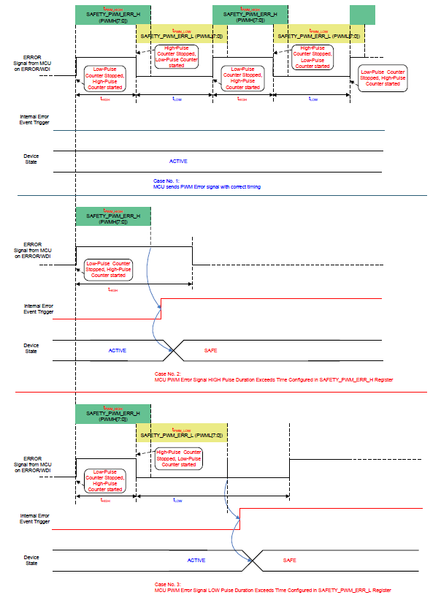
 | TMS570 mode is used with functional safety architecture MCUs which provide their error signal output as a PWM. The TPS65381A-Q1 MCU Error Signal Monitor is using the ERROR/WDI pin to monitor the error output from the MCU. The MCU will indicate it has detected a fault by deviating from the intended PWM on its error output pin.
 | It is recommended to always use a setting of 1 or higher.

 |  | Time (μs)
PWM HIGH Phase on ERROR WDI pin to be detected in MCU ESM, causing SAFE state when MCU ESM is enabled | tPWM_HIGH_MIN | 2394.00
 | tPWM_HIGH_MAX | 2661.75

PWM LOW Phase on ERROR WDI pin to be detected in MCU ESM, causing SAFE state when MCU ESM is enabled | tPWM_LOW_MIN | 869.25
 | tPWM_LOW_MAX | 976.50

