Components_Selction
Input Parameters
 | Vin(Min) | 4.5 | V
 | Vin(Max) | 13.2 | V
 | Vin(UVLO) | 4.4 | V
 | Vout1 | 1.8 | V
 | Vout2 | 3.7 | V
 | Iout1 | 1.5 | A
 | Iout2 | 2.5 | A
 | Fsw | 300000 | Hz
Duty Cycle Estimation
 | D1Max | 0.4
 | D1Min | 0.13636363636
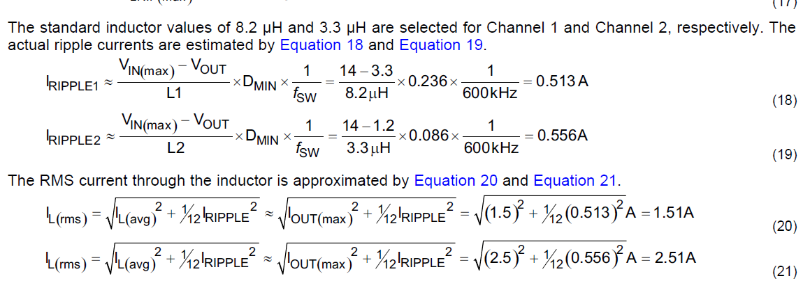
 | D2Max | 0.82222222222
 | D2Min | 0.2803030303
Inductor Selection
 | I1rippe | 0.45
 | I2rippl2 | 0.75
 | L1Min | 1.1515151515E-05 | 0.000015 | 15uH
 | L2Min | 1.1835016835E-05 | 0.000015 | 15uH
 | Iripple1 | 0.34545454545
 | I2ripple | 0.59175084175
 | Il1(rms) | 1.5033113129
 | Il2(rms) | 2.5058293547
 | Il1(Peak) | 1.6727272727
 | Il2(Peak) | 2.7958754209
Output Capacitor Selection
 | Cout1(min) | 4.1666666667E-05 | 0.000044 | 44uF
 | Cout2(Min) | 2.027027027E-05 | 0.000022 | 22uF

 | ESR1Max | 0.047894736842
 | ESR2Max | 0.030141457247
Input Capacitor Selection
 | Input Capacitor RMS
 | I1rms | 0.73484692283
 | I2rms | 0.95581391856
 | Recommended 10uF

Feedback Resistor calculations
 | R1bias | 16 | K
 | R2bias | 9.1034482759 | K

Compensation Values Calculations
 | K | 560000 | From Data sheet
 | Ton | 0.000000393 | From Data sheet
 | FM1 | 24.549675488
 |  | 72.2
 |  | 96.749675488
 |  | 3100.7855942
 | FM2 | 60.166666667
 |  | 84.716342155
 |  | 3541.2293823
 | RL1 | 1.2
 | RL2 | 1.48
 | FC1 | 8.1860739688
 |  | 3.8883851352
 |  | 3.1242643545
 | FC2 | 9.3488455693
 |  | 4.4407016454
 |  | 3.7391836897
 | KEA1 | 20.89504
 |  | 0.14952181735
 |  | -0.82529543299
 |  | 16.50590866 | dB
 | KEA2 | 13.268608
 |  | 0.28180677956
 |  | -0.55004856307
 |  | 11.000971261 | dB
 | Rcomp1 | 6.6879871961
 |  | 240.76753906
 |  | 5200
 |  | 46301.449819 | 44k
 | Rcomp2 | 3.548530669
 |  | 149.40537748
 |  | 2958.6206897
 |  | 50498.321059 | 50.4k
 | Fpole1 | 3015.8270604
 | Ccomp1 | 1.2E-09 | 1.1nF
 | Fpole2 | 4890.5303682
 | Ccomp2 | 6.4603174603E-10 | 680pF

