Legal


Directions
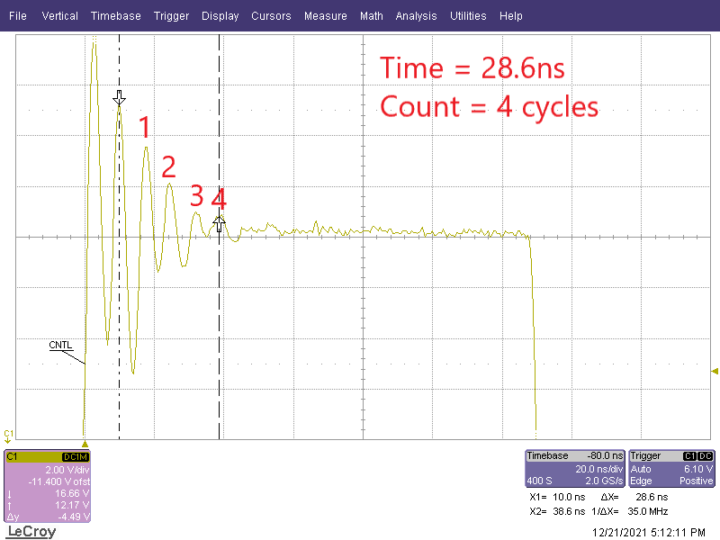
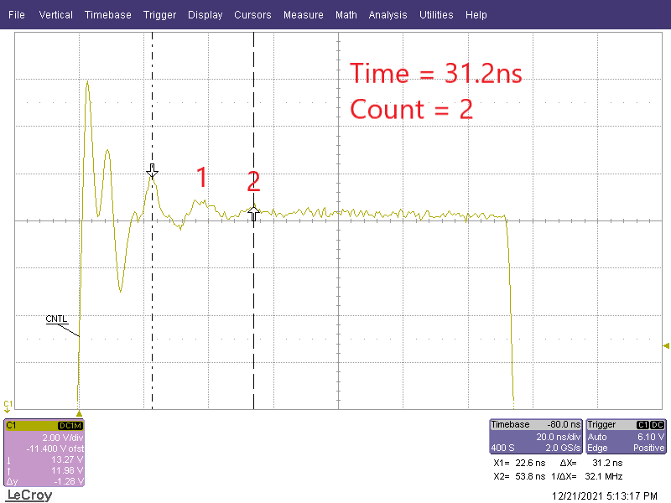
Ideal snubber performance is achieved when the snubber resistor is matched to the characterisitic impedence of the L-C resonant tank of the switching node.

To determine the parasitic Inductance and Capactiance of the switching node:

Measure the ringing frequency of the switching node after the rising edge of SW without a Snubber Capacitor
 | For best accuracy, measure the timing from the second peak of the switch node ringing through several peaks. Record the time and number of peaks

Add a snubber capacitor with minimal snubbing resistance.

Measure the ringing frequency of the switching node after the rising edge of SW with an added subber capacitor
 | For best accuracy, measure the timing of the second peak of the switching node ringing through several peaks. Record the time and number of peaks

Enter the values and the value of the added snubber capacitance used into the Snubber Calculations Page.

Note:
 | While continued increasing values of Csnubber will continue to reduce the peak switch node voltage, the amplitude of ringing falls as 1 / Sqrt (Cpara + Csnubber)
 | Values of Csnubber between Cpara and 3x Cpara are generally recommended. Peak switch node ringing reduction for values of Csnubber > 3x Cpara are typically low
 | compared to the added power dissipation associated with the increased snubber capacitor.

