2 Parallel RDD
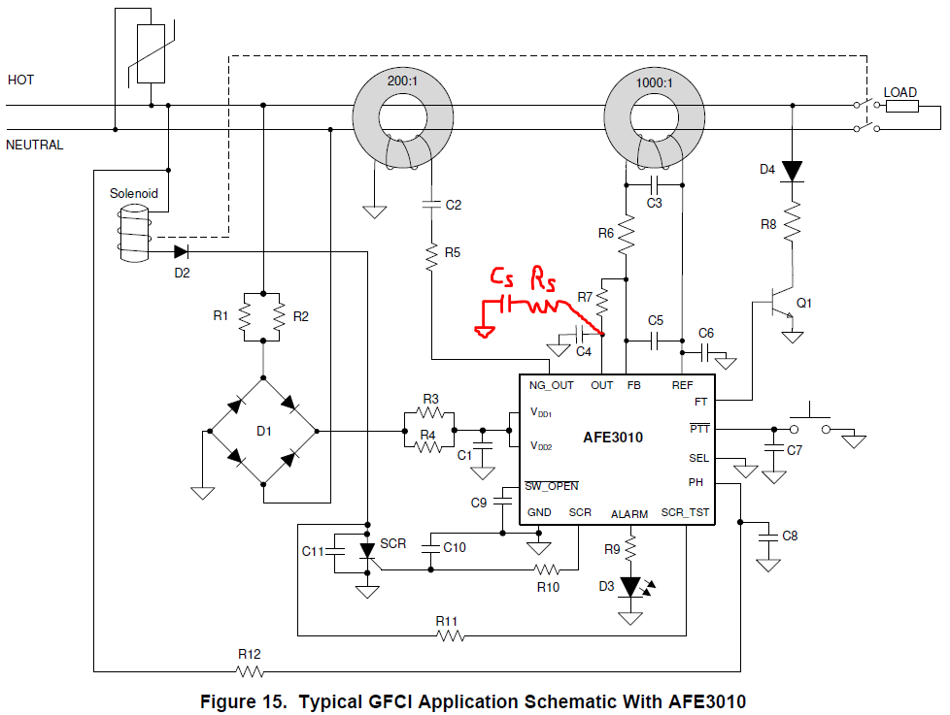
 | R11 - SCRTST resistor power calculation
 | SCR_TST is clamped to 20V during positive cycle and is half-wave rectified
 | R11 (Ω) | 6.80E+04
 |  | Pk | RMS | Pk | RMS
 | Line | 169.70562748 | 120 | 339.41125497 | 240
 | P | 0.330 | 0.11652586773 | 1.500 | 0.53045252871

 | RDD power calculation (R1, R2, R3, R4) |  |  | RDD (Ω) | 1.80E+04
 |  | Peak | RMS | Peak | RMS |  | VZ?
 | Line | 169.9884702 | 120.2 | 339.41125497 | 240 |  | 0

 | Normal | Peak | RMS | Peak | RMS
 | R1||R2 | 9000 | - | 9000 | -
 | R3||R4 | 9000 | - | 9.00E+03 | -

 | IDD | 8.30E-03 | 5.87E-03 | 1.77E-02 | 1.25E-02
 | V34 | 74.69 | 52.82 | 159.41 | 112.72
 | V12 | 74.69 | 52.82 | 159.41 | 112.72

 | P12 | 0.620 | 0.310 | 2.823 | 1.412
 | P34 | 0.620 | 0.310 | 2.823 | 1.412
 | P1 - P4 | 0.310 | 0.155 | 1.412 | 0.706

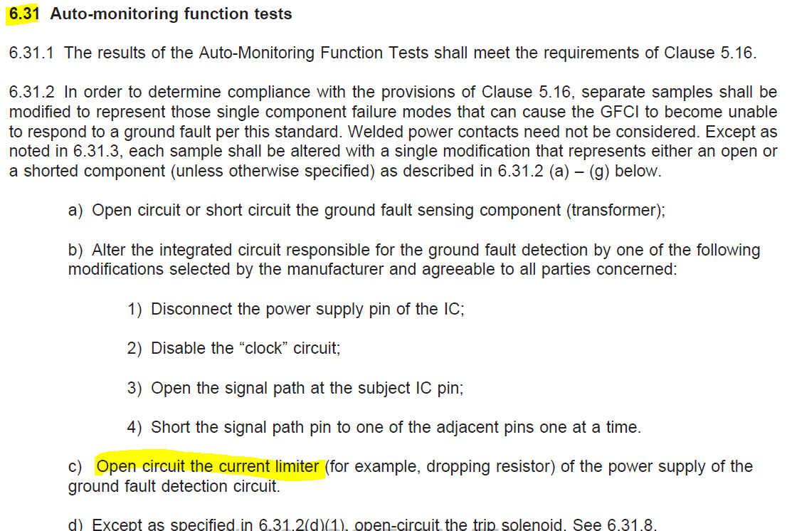
 | FAILURE CONDITIONS (open in circuit limiter)
UL 943 Requirement
 | One open | Peak | RMS | Peak | RMS
R2 open | R1||R2 = R1 | 18000 | - | 18000 | -
 | R3||R4 | 9000 | - | 9000 | -

 | IDD | 5.53E-03 | 3.91E-03 | 1.18E-02 | 8.35E-03
 | V34 | 49.80 | 35.21 | 106.27 | 75.14
 | V12=V1 | 99.59 | 70.42 | 212.54 | 150.29

 | P12= P1 | 0.551 | 0.276 | 2.510 | 1.255 | <--limiting factor!
 | P34 | 0.276 | 0.138 | 1.255 | 0.627

 | R12 - PH resistor power calculation
 | R12 (Ω) | 2.00E+06
 |  | Pk | RMS | Pk | RMS
 | Line | 169.70562748 | 120 | 339.41125497 | 240 |  | Worst-case power is during negative cycle when PH=GND.
 | P | 0.014 | 0.010182337649 | 0.058 | 0.040729350596 |  | During positive cycle, the PH pin is clamped to VDD=20V rail.

 | R8 - Q1 collector resistor power calculation
 | R8 (Ω) | 1.05E+04 |  | 2.09E+04 | 20963 |  | 0.01619047619
 |  | Pk | RMS | Pk | RMS
 | Line | 169.70562748 | 120 | 339.41125497 | 240
 | Vdrop | 168.90562748 | 21.689149361 | 338.61125497 | 43.378298722 |  | Worst-case RMS Vdrop scenario is Q1 on for one cycle every second for five seconds
 | P | 2.722 | 0.045 | 5.486 | 0.090 |  | Check
 |  |  |  |  |  |  | 3.23E-02 | 2.92E-03
 |  |  |  |  |  |  |  | 3.06E+01
 |  |  |  |  |  |  |  | 8.93E-02

3 Parallel RDD
 | R11 - SCRTST resistor power calculation
 | SCR_TST is clamped to 20V during positive cycle and is half-wave rectified
 | R11 (Ω) | 6.80E+04 | Datasheet to be updated to show 68kΩ
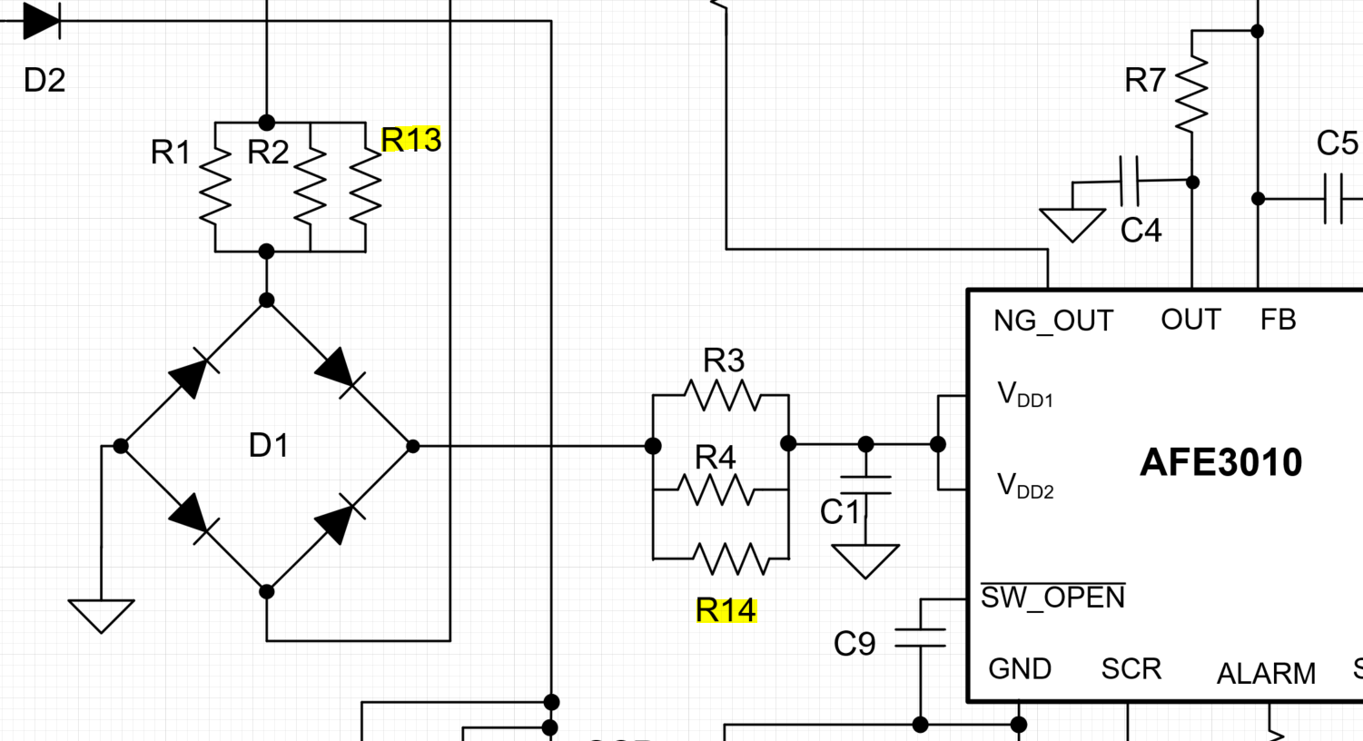
 |  | Pk | RMS | Pk | RMS
 | Line | 169.70562748 | 120 | 367.69552622 | 260
 | P | 0.330 | 0.11652586773 | 1.778 | 0.62855646712

 | RDD power calculation (R1, R2, R13; R3, R4, R14) |  |  | RDD (Ω) | 2.20E+04
 |  | Peak | RMS | Peak | RMS |  | VZ?
 | Line | 169.70562748 | 120 | 374.05948725 | 264.5 |  | 0

 | Normal | Peak | RMS | Peak | RMS
 | R1||R2||R13 | 7333 | - | 7333 | -
 | R3||R4||R14 | 7333.3333333 | - | 7333.3333333 | -

 | IDD | 1.02E-02 | 7.19E-03 | 2.41E-02 | 1.70E-02
 | V3_4_14 | 74.55 | 52.72 | 176.73 | 124.97
 | V1_2_13 | 74.55 | 52.72 | 176.73 | 124.97

 | P1213 | 0.758 | 0.379 | 4.259 | 2.130
 | P3414 | 0.758 | 0.379 | 4.259 | 2.130
 | P1 - P4 | 0.253 | 0.126 | 1.420 | 0.710

 | FAILURE CONDITIONS (open in circuit limiter)
UL 943 Requirement
 | One open | Peak | RMS | Peak | RMS
R2 open | R1||R2||13 = R1||R13 | 11000 | - | 11000 | -
 | R3||R4||R14 | 7333.3333333 | - | 7333.3333333 | -

 | IDD | 8.13E-03 | 5.75E-03 | 1.93E-02 | 1.36E-02
 | V3_4_14 | 59.64 | 42.17 | 141.38 | 99.97
 | V1_2_13=V1_13 | 89.46 | 63.26 | 212.08 | 149.96

 | P1_13 | 0.728 | 0.364 | 4.089 | 2.044
 | P1 = P13 | 0.364 | 0.182 | 2.044 | 1.022 | <--limiting factor!
 | P3_4_14 | 0.485 | 0.243 | 2.726 | 1.363

 | R12 - PH resistor power calculation
 | R12 (Ω) | 1.00E+06
 |  | Pk | RMS | Pk | RMS
 | Line | 169.70562748 | 120 | 367.69552622 | 260
 | P | 0.029 | 0.020364675298 | 0.135 | 0.095600836816

 | R8 - Q1 collector resistor power calculation
 | R8 (Ω) | 1.00E+04
 |  | Pk | RMS | Pk | RMS
 | Line | 169.70562748 | 120 | 367.69552622 | 260
 | Vdrop | 168.90562748 | 15.336544591 | 366.89552622 | 33.229179948 |  | Worst-case RMS Vdrop scenario is Q1 on for one half-cycle every second for five seconds
 | P | 2.853 | 0.024 | 13.461 | 0.110 |  | Check
 |  |  |  |  |  |  | 3.67E-02 | 3.32E-03
 |  |  |  |  |  |  |  | 3.32E+01
 |  |  |  |  |  |  |  | 1.10E-01

Typcial BOM
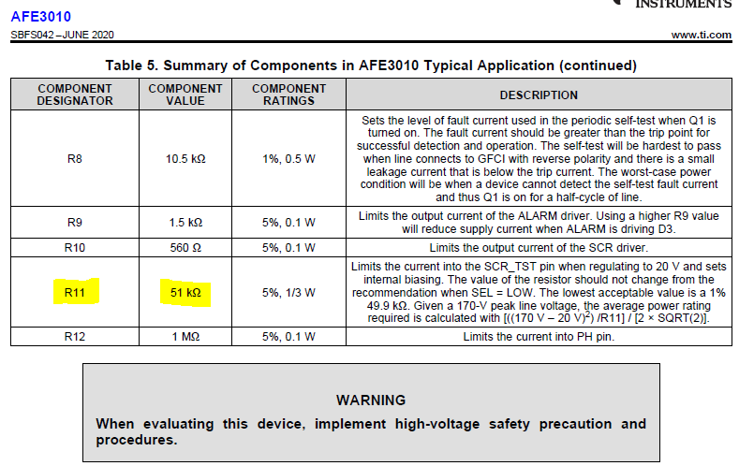
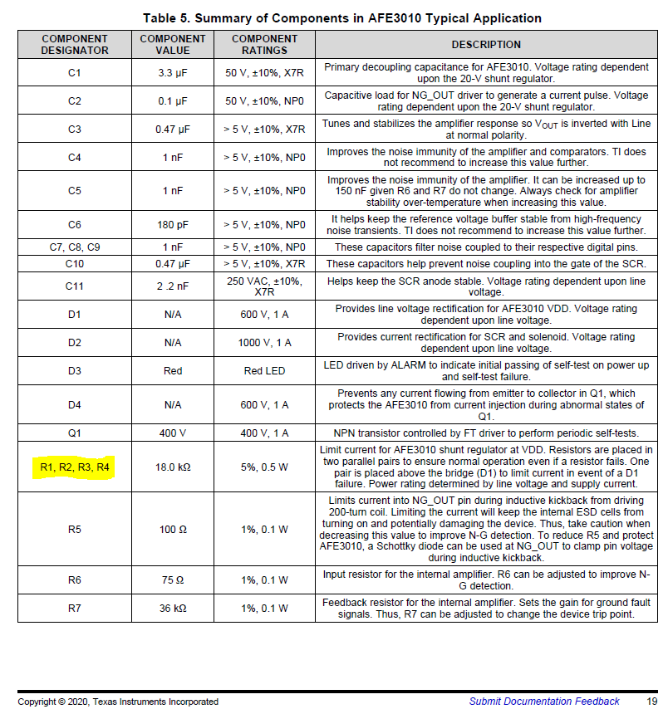
Typical Application BOM in datasheet
Notes:
R1, R2, R3, R4 need higher power and/or higher resistance for 260VAC.
R11 max will be updated to 68kΩ in datasheet revision soon.
R8 resistance can be kept same, but power may need to be increased for 260VAC.

Updates to the Typical BOM for datasheet
R9 | >5kΩ | The datasheet shows 1.5kΩ because that was used during validation, but it requires excess current from VDD during ALARM blinking for many LEDs
C3 | 620nF | This is typical recommended value to keep device from falsely tripping in REJECT zone of the Dalziel Let-go curve. This value should be validated with basic check due transformer impedance variation.

Rs | 500-Ω | A snubber (Rs + Cs) on the output of sensing amplifier has been shown to complelely reduce the chance of a false trip on power up. This false trip occurs during a specific phase of line, which makes internal REF regulator overshoot during power up.
Cs | 10nF

 |  | 0.0297
 |  | 0.0176

