DP83TG720 Straps Tool
MAC[2] | MAC[1] | MAC[0] | DESCRIPTION |  |  | PHY_AD[3:0] |  |  |  | PHY_ADDRESS
0 | 0 | 1 | Reserved |  |  | 0 | 0 | 0 | 0 | 0
0 | 1 | 0 | Reserved |  |  | 0 | 0 | 0 | 1 | Not valid address
0 | 1 | 1 | Reserved |  |  | 0 | 0 | 1 | 0 | Not valid address
Reference Material
1 | 0 | 0 | RGMII (Align Mode) |  |  | 0 | 0 | 1 | 1 | Not valid address
1 | 0 | 1 | RGMII (TX Internal Delay Mode) |  |  | 0 | 1 | 0 | 0 | 4
1 | 1 | 0 | RGMII (TX and RX Internal Delay Mode) |  |  | 0 | 1 | 0 | 1 | 5
1 | 1 | 1 | RGMII (RX Internal Delay Mode) |  |  | 0 | 1 | 1 | 0 | Not valid address
 |  |  |  |  |  | 0 | 1 | 1 | 1 | Not valid address
 |  | MS | DESCRIPTION |  |  | 1 | 0 | 0 | 0 | 8
 |  | 0 | 1000BASE-T1 Slave Configuration |  |  | 1 | 0 | 0 | 1 | Not valid address
 |  | 1 | 1000BASE-T1 Master Configuration |  |  | 1 | 0 | 1 | 0 | A
 |  |  |  |  |  | 1 | 0 | 1 | 1 | Not valid address
 |  | MAN_EN | DESCRIPTION |  |  | 1 | 1 | 0 | 0 | C
 |  | 0 | Autonomous Mode, (LD enabled at boot), PHY enters Normal mode |  |  | 1 | 1 | 0 | 1 | D
 |  | 1 | Managed Mode, (LD disabled at boot), PHY enters Standby |  |  | 1 | 1 | 1 | 0 | E
 |  |  |  |  |  | 1 | 1 | 1 | 1 | F
Enter VDDIO voltage level(3.3/2.5/1.8)
VDDIO | 3.3

Enter planned strap configuration + PHy address in decimals
OPTION 1:
 |  |  |  | RX_D2 | RX_D1 | RX_D0 | LED_0 | LED_1
 |  |  |  | MAC[2] | MAC[1] | MAC[0] | M/S | MAN_EN
 |  |  |  | 0 | 0 | 0 | 0 | 0
Selected PHY address | 8
 |  |  |  | Strap Resistor Value (Kohms)
 | Pin | Mode | Internal Pull | RH | RL
 | RX_CTRL | Mode1 | PD | Open | Open
 | STRP_1 | Mode2 | PD | 13 | Open
Resistor Values to be used for the Straps
 | RX_D0 | Mode1 | PD | Open | Open
 | RX_D1 | Mode1 | PD | Open | Open
 | RX_D2 | Mode1 | PD | Open | Open
 | RX_D3 | Mode1 | PD | Open | Open
 | LED_0 | Mode1 | PD | Open | Open
 | LED_1 | Mode1 | PD | Open | Open

Select the required option from drop-down
 |  | Mode1 | Mode2 | Mode3
OPTION 2: | RH | Open | 2.49
3 level strap pin | RH | Open | 13 | 4.5

Hardware Configuration |  |  |  | Bootstrap Pin |  | Bootstrap Mode |  | Recommended Pull-Up |  | Recommended Pull-Down
MAC Interface |  | RGMII (Align) |  | RX_D0 |  | Mode 1 |  | Open |  | Open
 |  |  |  | RX_D1 |  | Mode 1 |  | Open |  | Open
 |  |  |  | RX_D2 |  | Mode 2 |  | 2.49kΩ |  | Open
PHY Address (hex) |  | 0xE |  | RX_CTRL |  | Mode 2 |  | 13 |  | Open
 |  |  |  | STRP_1 |  | Mode 3 |  | 4.5 |  | Open
M/S Configuration |  | Slave |  | LED_0 |  | Mode 1 |  | Open |  | Open
Operational Mode |  | Autonomous |  | LED_1 |  | Mode 1 |  | Open |  | Open

 |  |  |  |  |  |  |  | 0
 | RX_D2 | RX_D1 | RX_D0
SGMII | Mode 1 | Mode 1 | Mode 1
Reserved | Mode 1 | Mode 1 | Mode 2
Reserved | Mode 1 | Mode 2 | Mode 1
Reserved | Mode 1 | Mode 2 | Mode 2
RGMII (Align) | Mode 2 | Mode 1 | Mode 1
RGMII (TX Internal Delay) | Mode 2 | Mode 1 | Mode 2
RGMII (TX and RX Internal Delay) | Mode 2 | Mode 2 | Mode 1
RGMII (RX Internal Delay) | Mode 2 | Mode 2 | Mode 2

 | RX_DV | RX_ER
0x0 | Mode 1 | Mode 1
0x1 | Address Not Valid | Address Not Valid
0x2 | Address Not Valid | Address Not Valid
0x3 | Address Not Valid | Address Not Valid
0x4 | Mode 2 | Mode 1
0x5 | Mode 3 | Mode 1
0x6 | Address Not Valid | Address Not Valid
0x7 | Address Not Valid | Address Not Valid
0x8 | Mode 1 | Mode 2
0x9 | Address Not Valid | Address Not Valid
0xA | Mode 1 | Mode 3
0xB | Address Not Valid | Address Not Valid
0xC | Mode 2 | Mode 2
0xD | Mode 3 | Mode 2
0xE | Mode 2 | Mode 3
0xF | Mode 3 | Mode 3

 | PU | PD
Mode 1 | Open | Open
Mode 2 | 2.49kΩ | Open

Pin Wise Checklist
Domain |  | Items | Pin Associated | Recommended Connection | Pictures | Customer Input (Yes/No) | Questions (If Any) | TI Feedback

Power |  | VDDIO | 22,34 | IO Supply: 1.8 V, 2.5 V, or 3.3 V Recommended supply network is as showing in picture. All these decaps should be placed close to pins. Recommended ferrite bead : BLM18HE102SN1 Bulk-cap for LDO to be >= 1uF; | 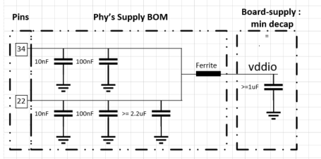 | 3.3V/YES | Board supply has decap of 22uf X 2, 0.1uf and 47uf
 |  | VDDA | 11 | Analog Supply: 3.3 V Recommended supply network is as showing in picture. All these decaps should be placed close to pins. Recommended ferrite bead : BLM18HE102SN1 Bulk-cap for LDO to be >= 1uF; | 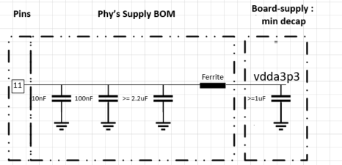 | YES | Board supply has decap of 22uf X 2, 0.1uf and 47uf
 |  | VDD1P0 | 9,21 | 1V Supply (Can be tuned to 1.05V to take care of IR drop because of ferrite) Recommended supply network is as showing in picture. All these decaps should be placed close to pins. Recommended ferrite bead : BLM18HE102SN1 Bulk-cap for LDO to be >= 1uF; | 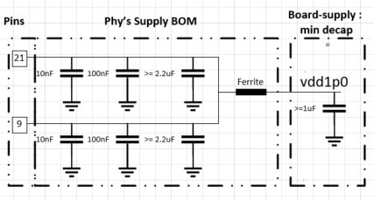 | YES | Board supply has decap of 10uf X 2 and 0.1uf
 |  | VSLEEP | 7 | Analog Supply: 3.3 V for Sleep Mode Recommended supply network is as showing in picture. If sleep mode is not used, VSLEEP can be connected to 3.3V supply (used as VDDA) as shown in picture. | 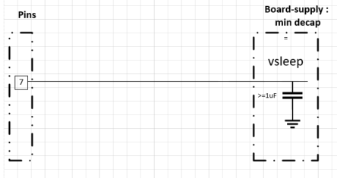 If sleep mode of phy is used with dedicated Vsleep supply : If sleep mode is not used , vsleep can be connected to Vdda3p3v as : |  | USED WITH SAME SAME SUPLLY CONNECTED TO VDDA
GND |  | GND | Ground Pad | Place maximum number of ground VIAS on the ground pad. Keep option to isolate the board ground from the MDI connector ground (for EMC/EMI purformance with different cable types). Isolation resitors = 0 ohms. Isolation capacitor = 4.7nF (Do not populate) | 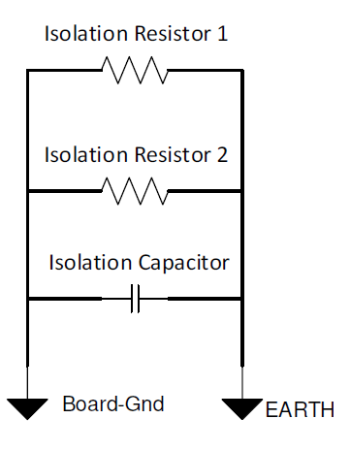 | YES | What should be ground for connector pin is it board ground or earth ground
LED/GPIO |  | LED_0 / GPIO_0 | 35 | LED_0 must only be set for bootstrap MODE 1 or MODE 2.
 |  | LED_1 / GPIO_1 | 6 | LED_1 must only be set for bootstrap MODE 1 or MODE 2.
Clock | XTAL | XI | 5 | Reference clock 25-MHz crystal Ensure it meets the ppm and ESR spec as defined in datasheet and load capacitance as defined by crystal manufacturer. Place 100ohms resitor between XI pin and crystal. Place resistor between XO pin and crystal depending upon the crystal wattage.
 |  | XO | 4 |  | 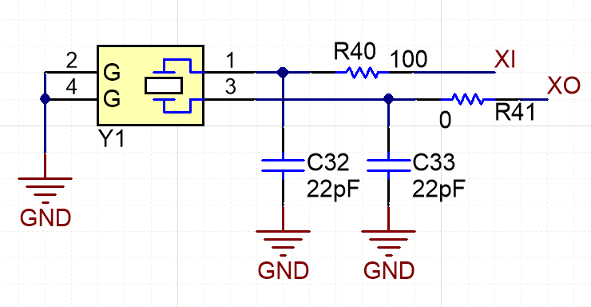 | ok
 | Oscillator | XI | 5 | Reference clock 25-MHz oscillator Ensure Oscillator Input meets the spec (jitter, ppm, rise/fall time, duty cycle) as defined in datasheet.
 |  | XO | 4 | Unused. Do not connect (leave floating)
Serial Management Interface |  | MDC | 1 | Connect to Host driving the SMI clock for PHY register programming. |  | YES
 |  | MDIO | 36 | This pin requires a pullup resistor > 2.2Kohms | 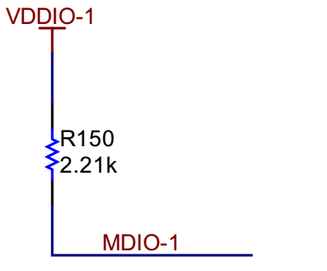 | YES
Reset |  | RESET_N | 3 | Active-LOW input. This pin has a weak internal pullup. Asserting this pin LOW for at least 1 μs will force a reset process to occur. All internal registers will reinitialize to their default states as specified for each bit in the datasheet. All bootstrap pins are resampled upon deassertion of reset. Pull-up and decap is opitonal. Pin has 9K of internal pull up. | 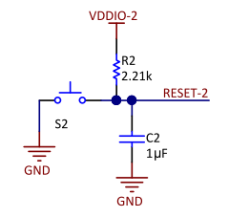 | YES
Interrupt |  | INT_N | 2 | Active-LOW output, which will be asserted LOW when an interrupt condition occurs. This pin has a weak internal pullup. Register access is necessary to enable various interrupt triggers. Once an interrupt event flag is set, register access is required to clear the interrupt event. |  | YES | ADDED PULL UP OF 10K
Strap |  | STRP_1 | 14 | Strap pin for PHYADD. Must be used together with RX_CTRL pin for strapping the device into desired PHY address. The pin has internal week pull-down |  | YES | USED 13K AS PULL UP TP TO SELEC PHY ADRESS AS 0X08H
Wake |  | WAKE | 8 | If sleep mode of phy is used, this pin must be on the Vsleep domain. If sleep mode of phy is not used, this pin can be left floating. |  |  | Wake up pin is connected opean drain configuration from transistor and base of transistor is driven from Controller
Inhibit |  | INH | 10 | If sleep mode is used, INH must have a pull-down of 10Kohms If sleep mode is not used , INH can be left floating or connected to a test point for monitoring purpose. Active-high PMOS output, with this pin pull-down to ground using external 10K when in sleep mode. In all other mode, INH will be driven high to VSLEEP domain. | 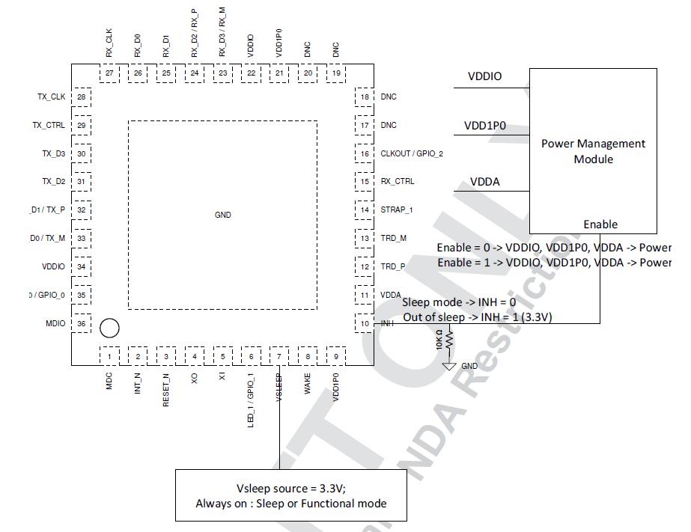 | yes | We have placke 10K pull down resitor and we are are assuming this is configured as output and we are driving this pin to enable phy from sleep
Medium Dependent Interface (MDI) |  | TRD_M | 13 | Bidirectional differential signaling configured for 1000BASE-T1 operation | 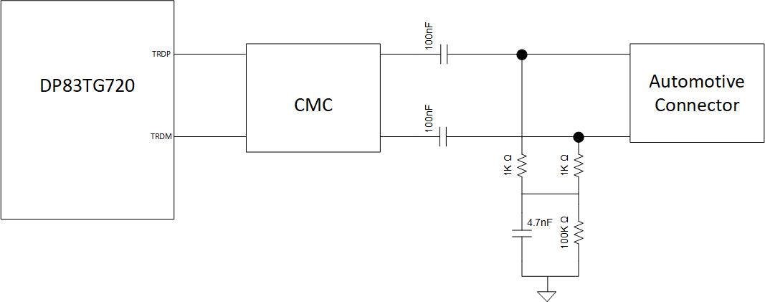 Recommended CMCs : Murata :DLW32MH101XT2 TDK : ACT1210G-800-2P-TL05, No ESD diodes on connector side. | yes | Added ESD diodes before Choke
 |  | TRD_P | 12 |  |  |  | Done 100ohm impedance control with individual pin pair length matching
RGMII Mode | TX | TX_CLK | 28 | 25MHz Transmit Clock | For help in timing closure : For TX_* have test ports close to phy For RX_* have test ports close to MAC | YES | Done 50ohm impedance control and pin pair length matching | Done 50ohm impedance control and pin pair length matching and ignored length matching bettween pin and strap resistor
 |  | TX_CTRL | 29 | Transmit Control |  | YES | Done 50ohm impedance control and pin pair length matching
 |  | TX_D3 | 30 | Transmit Data |  | YES | Done 50ohm impedance control and pin pair length matching
 |  | TX_D2 | 31 | Transmit Data |  | YES | Done 50ohm impedance control and pin pair length matching
 |  | TX_D1 | 32 | Transmit Data |  | YES | Done 50ohm impedance control and pin pair length matching
 |  | TX_D0 | 33 | Transmit Data |  | YES | Done 50ohm impedance control and pin pair length matching
 |  |  |  |  |  | YES
 | RX | RX_CLK | 27 | 25MHz Receive Clock |  | YES | Done 50ohm impedance control and pin pair length matching
 |  | RX_D0 | 26 | Receive Data |  | YES | Done 50ohm impedance control and pin pair length matching and ignored length matching bettween pin and strap resistor
 |  | RX_D1 | 25 | Receive Data |  | YES | Done 50ohm impedance control and pin pair length matching and ignored length matching bettween pin and strap resistor
 |  | RX_D2 | 24 | Receive Data |  | YES | Done 50ohm impedance control and pin pair length matching and ignored length matching bettween pin and strap resistor
 |  | RX_D3 | 23 | Receive Data |  | YES | Done 50ohm impedance control and pin pair length matching
 |  | RX_CTRL | 15 | Receive Control |  | YES | Done 50ohm impedance control and pin pair length matching and ignored length matching bettween pin and strap resistor
 |  |  |  |  |  | YES
SGMII Mode | TX | TX_CLK | 28 | Unused. Do not connect (leave floating) | 100nF dc-block caps are required between MAC and phy. Dc-block caps should be close to PHY's transmitter.
 |  | TX_CTRL | 29 | Unused. Do not connect (leave floating)
 |  | TX_D3 | 30 | Unused. Do not connect (leave floating)
 |  | TX_D2 | 31 | Unused. Do not connect (leave floating)
 |  | TX_D1 | 32 | SGMII INP
 |  | TX_D0 | 33 | SGMII INM

 | RX | RX_CLK | 27 | Unused. Do not connect (leave floating)
 |  | RX_D0 | 26 | Unused. Do not connect (leave floating)
 |  | RX_D1 | 25 | Unused. Do not connect (leave floating)
 |  | RX_D2 | 24 | SGMII OUTP
 |  | RX_D3 | 23 | SGMII OUTM
 |  | RX_CTRL | 15 | Unused.

No Connect |  | DNC | 17, 18, 19, 20 | Unused. Do not connect (leave floating) |  | YES

Layout Checklist
 |  | Item | Picture | Yes/No
TRDP/TRDM | 1 | Are connector ground and board ground connected well with 0ohms placed on all sides? Refer to R110, R11 and R70 positions in the picture (recommended) | 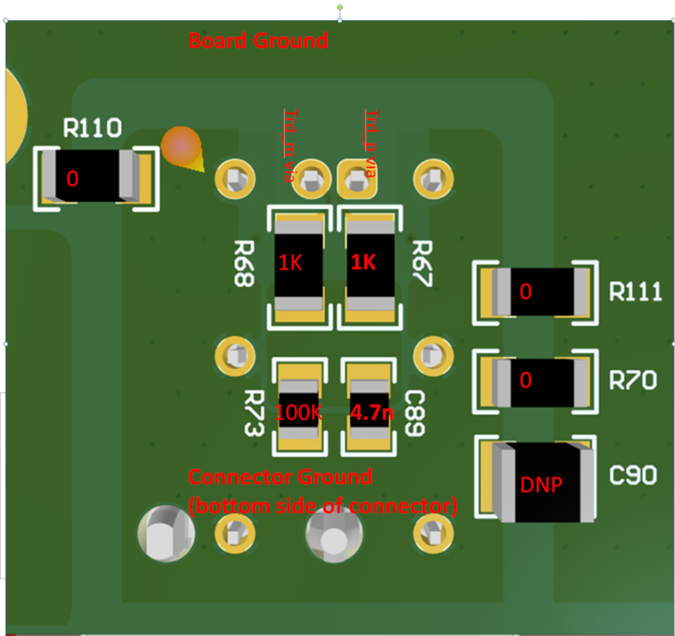
 | 2 | Are common mode terminations placed symmetrically and on the connector ground? Refer to R68,R67,R73,C89 positions in the picture (recommended)
 | 3 | Is there continuous ground under trdp and trdm traces (recommended)?
 | 4 | Is there void under the components used on trdp and trdm traces? If all layer void is not possible then atleast 2nd layer should be cleared off the ground.
 | 5 | If ESDs are used, are they 2 terminal packages (recommended)?
 | 6 | Is the impedance of trdp/trdm pair = differential 100ohms +/-5%?
 | 7 | Are trdp/trdm traces matched with +/-10mil accuracy?
 | 8 | CMC, AC coupling caps and common mode termination components close to the connector (recommended)?
 | 9 | Is the same layer ground plane symmetrically placed around trdp and trdm traces (till connector)?
 | 10 | Refered to SNLA371 for the recommended hardware component's footprint selection?
Power | 11 | Are 10nF,100nF supply decaps placed on the same layer as the PHY and closed to PHY?
 | 12 | For supply network spread across multiple layers, are there minimum of 4 vias connecting one layer to another?
 | 13 | Is the position of ferrite bead for each power pin combination close to PHY and is good to provide strong connection to both the pins?
 | 14 | Is there a ground plane reference for every power plane (recommended for EMC)?
 | 15 | Even if sleep mode is not used, is Vsleep routed as power (recommended)?
Crystal | 16 | Is crystal placed closest possible to PHY (making XI and XO route the shortest possible) (recommended)? | 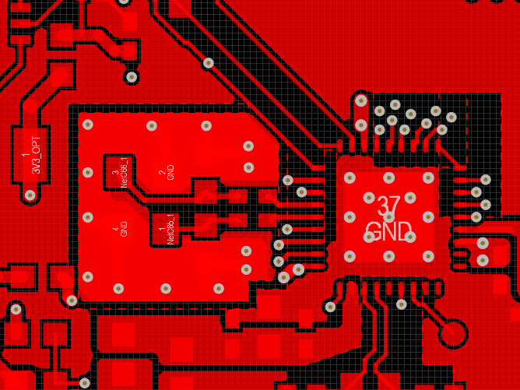
 | 17 | Are caps connected to xi and xo placed in same orientation (recommended)?
 | 18 | Are caps connected to xi and xo connected well to the top ground and that ground strongly connected to the board ground on bottom layer through continous vias (recommended)?
 | 19 | Are switching signals like led and mdc routed away from XI route ?
RGMII | 20 | Are Rgmii traces burried (recommended for EMC)? Vias should be close to PHY/MAC transmitter.
 | 21 | Is Rgmii routing lower than 5 inches (recommended)?
 | 22 | Is Rgmii data and clock skew less than 200ps?
 | 23 | Are Rgmii traces routed with 50ohms impedance control?
 | 24 | At Rgmii receiver pins of PHY, 1ns (20%-80%) rise/fall time met?
 | 25 | Are their test points close to the MAC and PHY RGMII receiver pins?
SGMII | 26 | Are sgmii tx and rx signals routed with 100ohms +/5 % differential impedance control (recommended)?
 | 27 | Is mismatch in p and m signal of differential pair less than 5 mils (recommended)?
 | 28 | AC-coupling caps on Sgmii signal lines placed close to transmitter side (recommended)?
General | 29 | trace length mismatch : serpentine should be done at mismatch end
 | 30 | high speed signals should be routed over a solid ground and not across a plane split or void
 | 31 | distance from void > trace width x 1.5
 | 32 | place stich capacitors iff traces are crossing two different planes
 | 33 | place gnd stiching vias close to the signal transition vias symmetrically ( < 200 mils away)
 | 34 | keep out distance from other switching signal : keep out distance > 5w (width of the trace)
 | 35 | no probe or test points on any high-speed diff signal
 | 36 | no traces near crystals, clock gens, mounting holes, magnetic devices or ics
 | 37 | maintain constant trace width to avoid impedance mismatches
 | 38 | maximize differential pair to pair spacing > 30mils (after package breakout and before connector)
 | 39 | Package break-out must occur within 250mils from the package
 | 40 | Keep via stubs short < 15mils
 | 41 | Avoid vias on the high speed signals and use them only near SoCs
 | 42 | SMDs on high speed traces : 0402 or smaller. Place them symmetrically
 | 43 | SMDS on high speed traces : should have void under them
 | 44 | 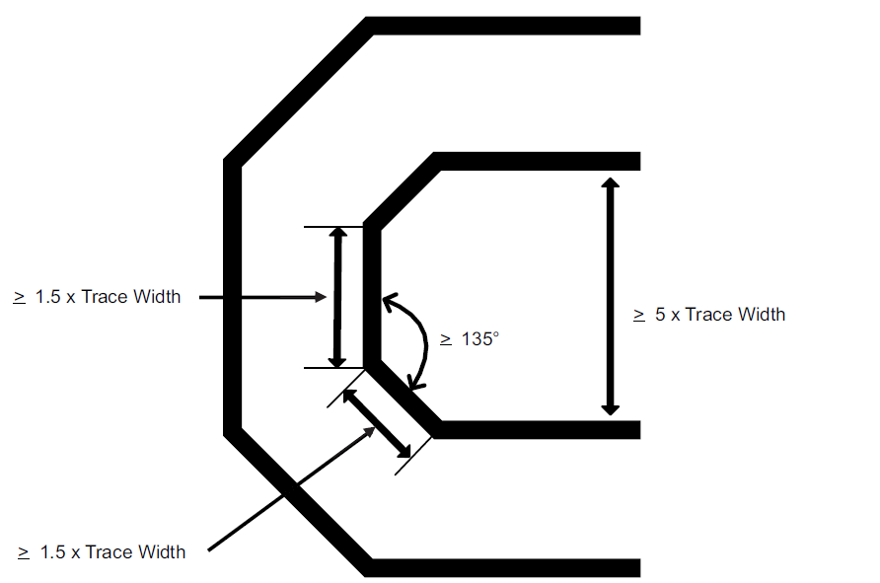 Signal bending rules

