Sheet1
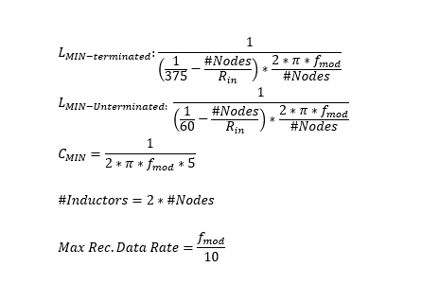
THVD8000/THVD8010 Design Calc | THVD8000 --> 125KHz up to 5MHz | THVD8010 --> 125KHz up to 300KHz | Rin = 96000
Fill Out Green Boxes and Answers are Shown in Yellow Boxs with Red Text | Number of Nodes | Modulation Frequency
 | 31 | 1.25E+05

Number of Inductors | Minimum Indcutance per inductor (assuming system terminated with 2 120 Ohm resistors (1 at each end of bus) | Minimum Inductance per Inductor (assuming Unterminated System) | Minimum Series Capacitor Value | Rec. Max Data Rate
62 | 1.68E-02 | 2.42E-03 | 2.55E-07 | 1.25E+04

