Sheet1
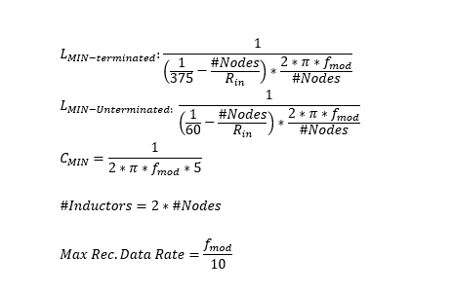
THVD8000/THVD8010 Design Calc | THVD8000 --> 125KHz up to 5MHz | THVD8010 --> 125KHz up to 300KHz | Rin = 96000
Fill Out Green Boxes and Answers are Shown in Yellow Boxs with Red Text | Number of Nodes | Modulation Frequency
 | 9 | 5000000

Number of Inductors | Minimum Indcutance per inductor (assuming system terminated with 2 120 Ohm resistors (1 at each end of bus) | Minimum Inductance per Inductor (assuming Unterminated System) | Minimum Series Capacitor Value | Rec. Max Data Rate
18 | 0.0001113441 | 1.7286e-05 | 6.4e-09 | 500000

Sheet2
125 | 77
187.5 | 50
500 | 19
750 | 12.5
1000 | 9.3
2000 | 4.4
5000 | 1.5

