General Layout Guidelines
Domain | Recommendation | Diagram | Customer Input (Yes/No) | Questions (If Any) | TI Feedback
Decoupling Caps | Place as close to PHY as possible | 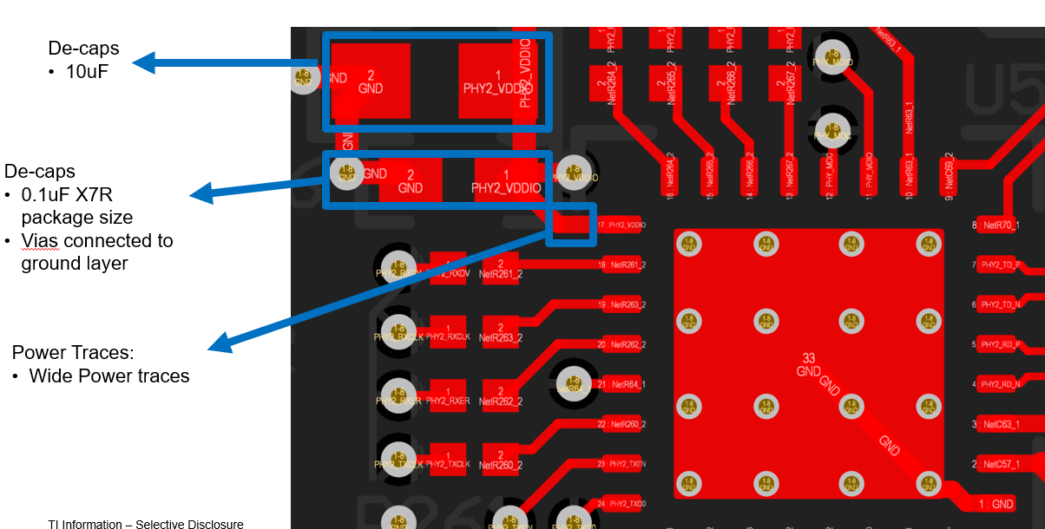
 | X7R capacitor package size is recommended
 | Wider traces or import a polygon pour on power rail
 | Decoupling caps near the PHY should have a via connector to the digital ground layer
 | Place smallest cap value closer to PHY
Clock Source | Place close to PHY | 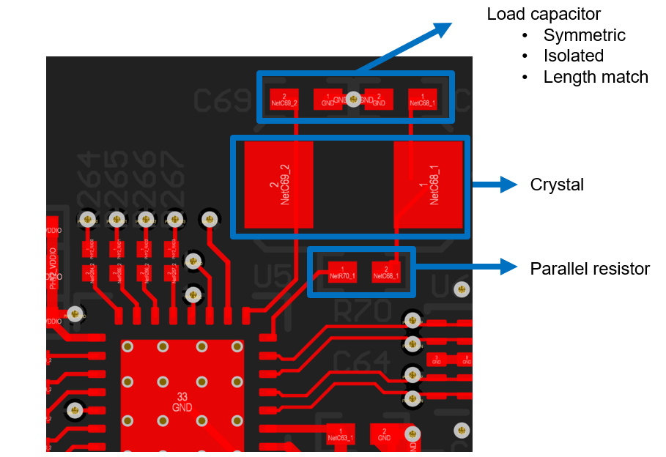
 | The load capacitors, crystal and parallel resistors should be placed close to each other.
 | PCB traces from the Ethernet PHY to the crystal, resistors and capacitors should be matched in length and symmetry
 | Isolate clock traces from power lines
 | Isolate clock traces from other signal lines
RBIAS | Rbias traces should be very short and isolated from nearby traces | 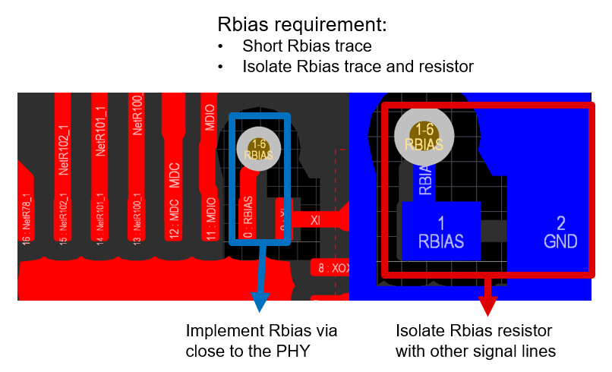
 | Place close to PHY
 | Bury the Rbias traces in mid layer if a short trace is not possible
MDI Traces | Total Length recommend to be < 3 inches from PHY to magnetic | 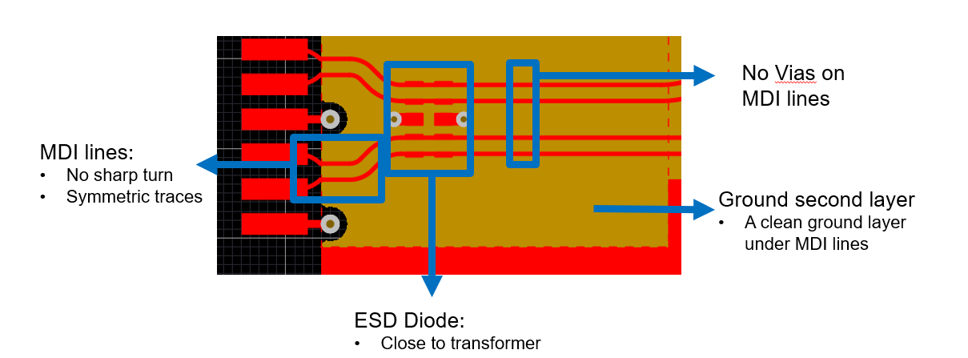 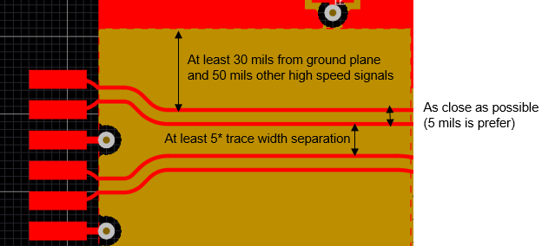
 | Length matching within 50 mils for 1G, 100 mils for 10/100M
 | Minimize stubs/vias on the signal MDI traces
 | Single differential pair should be routed as close together as possible (5-6 mils is prefer)
 | Recommend spacing between each signal pair should be a minimum of 5*trace width
 | At least 30 mils to any other signal and 50 mils for other high speed signal spacing away from MDI channel Make sure no unprotected traces or signal traces near MDI lines
 | No sharp turn for each MDI traces (effect imepdance matching) Round traces of MDI lines is recommended
 | Ensure controlled impedance 100 ohms differential
 | Place ESD doide close to the transformer between PHY and transformer
 | Avoid crosstalk: No signals shall cross layer unless properly separated by a GND layer A clean ground layer under MDI lines is recommended
 | Symmetric MDI traces
xMII Traces | Total Length < 6 in | 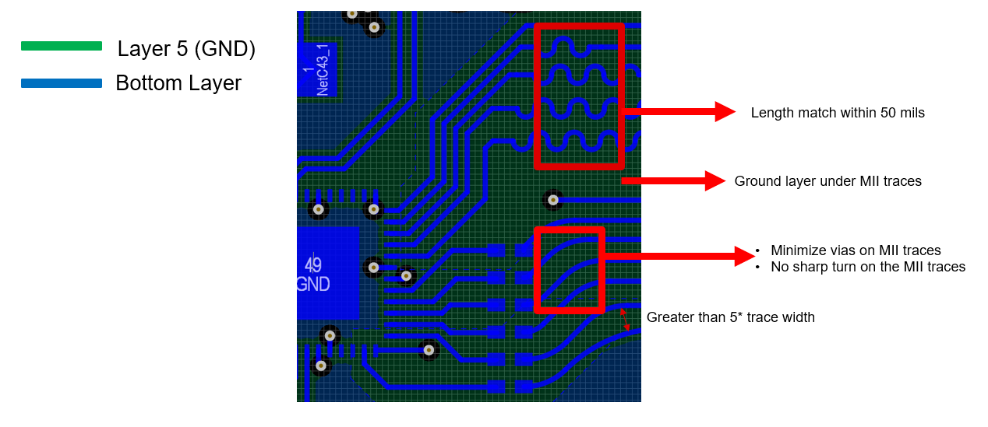
 | Length matching within 50 mil for 1G, 100 mils for 10M/100M) data line must be length matched to respective clock
 | Minimize stubs/vias on the MII traces
 | No sharp turn on each MII traces (effect imepdance matching)
 | Ensure controlled impedance 50 ohms single ended for MII, RMII and RGMII MAC interface Ensure controlled impedance 100 ohms terminated for SGMII MAC interface
 | Avoid crosstalk: No signals shall cross layer unless properly separated by a GND layer A clean ground layer under MII lines is recommended
 | Recommend spacing between each traces should be a minimum of 5*trace width
Magnetic Isolation (transformer) | Ensure no metal under magnetics on any layer (metal under RJ-45 with integrated magnetics is ok) | 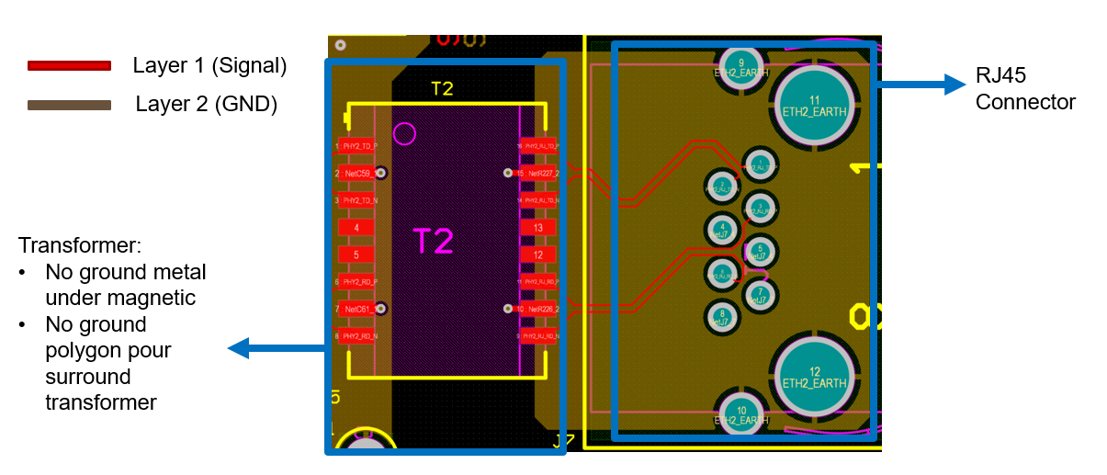
 | Place transformer close to the RJ-45 shield
 | Ground polygon Pour should not surround transformer
Magnetic Isolation (transformless or capacitor coupling) | Symmetric near the AC coupling capacitors | 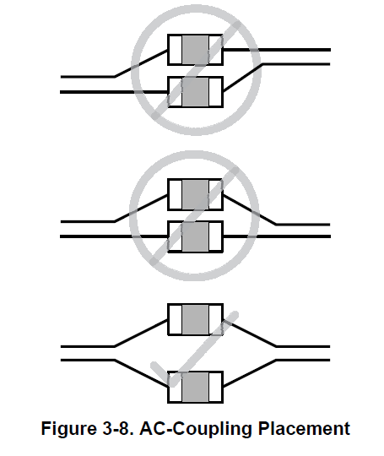
 | Area under AC capacitor coupling should have a void area (No ground plane or layers)
RJ45 / Connector ground | Magnetic and RJ-45 connector distance should be < 1 inch | 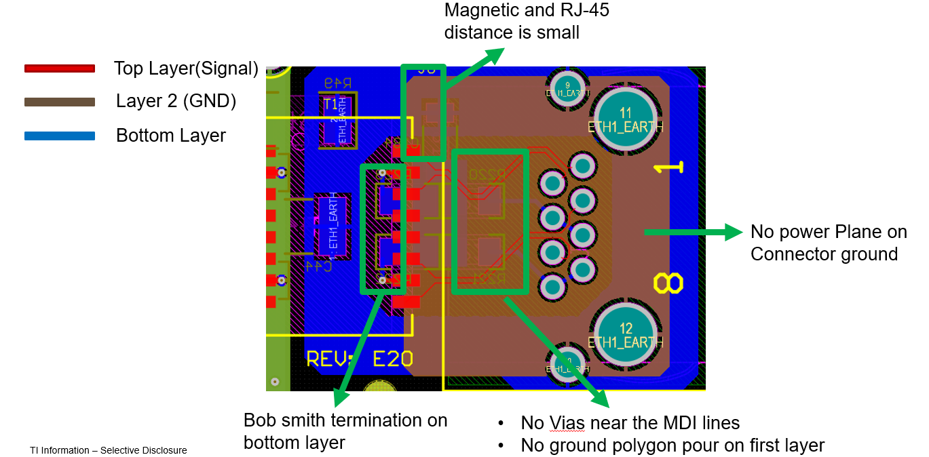
 | Recommend no power plane nor non-ground above or below the chassis ground
 | RJ-45 without LEDs are recommended for EMI purpose
 | The RJ-45 connector is recommended to have metal shielding that connects to chassis ground to reduce EMI emission
 | No vias near MDI lines on the chassis ground
 | No connector ground polygon pour on the same layer as MDI lines
 | Clean connector ground polygon pour under MDI signal layer
 | Bob smith termination on opposite external layer of the MDI lines
Ground isolation | R||C isolation on the opposite side of the MDI signal | 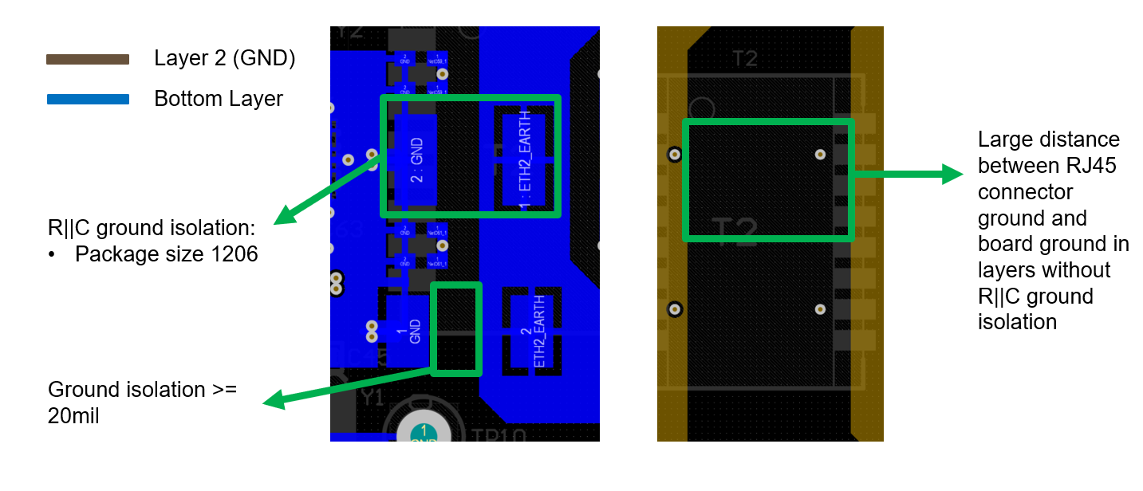
 | Earth GND should be isolated from rest of board by >= 20mil keepout in the Ground isolation layer
 | Package 1206 size R and C are recommended for ground isolation
 | Large distance between RJ45 connector ground and board ground in layers without R||C ground isolation
 | Ground isolation should be far away from the PHY
 | If possible, place power supply close to the ground isolation
 | No signal lines across the ground isolation unless there are magnetic and DC isolation in between | 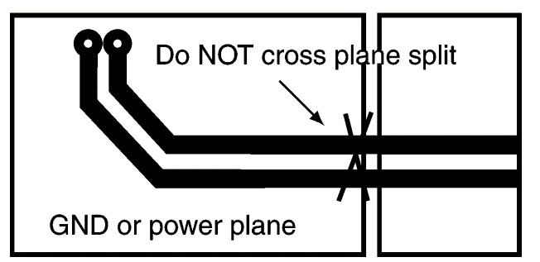
Power planes | Use power planes where possible to avoid IR drop from supply to pin | 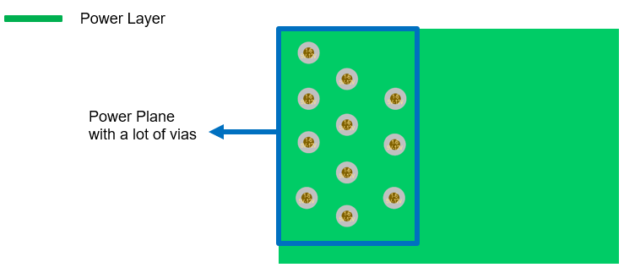
 | If stitching power planes across layers, use multiple vias to avoid IR drop

