DP83822 Straps Tool
Enter Configuration Customer is planning to use for the DP83822 thru Straps

FE_EN | ADD_4 | ADD_3 | ADD_2 | ADD_1 | ADD_0 | Reserve | AN_EN | AN_1 | AN_0 | EEE_EN | FLD_EN | LED_SPEED | LED_CFG | RGMII_EN | AMDIX_EN/SD_EN | XI_50 | RMII_EN
0 | 0 | 0 | 0 | 0 | 1 |  | 1 | 1 | 1 | 1 | 0 | 1 | 0 | 1 | 1 | 0 | 0

 |  |  |  | Strap Resistor Value |  |  | Schematics Review Comments
Pin |  | Mode | PU/PD | RH | RL |  | RH (Yes/No) | RL ( Yes/No)
 | COL | Mode4 | PD | 2.49 | Open
 | RX_D0 | Mode1 | PD | Open | Open
 | RX_D1 | Mode2 | PD | 10 | 2.49
 | RX_D2 | Mode1 | PD | Open | Open
 | RX_D3 | Mode1 | PD | Open | Open
 | LED_0 | Mode4 | PU | Open | Open
 | CRS | Mode2 | PU | 13 | 1.96
 | RX_ER | Mode3 | PU | 6.2 | 1.96
 | RX_DV | Mode1 | PD | Open | Open

Resistor Values to be used for the Straps

 | Sample Straps for Lines with PU

 | Sample Strap for Line with PD

 | Sample Strap with Line with LED and PD

 | Sample Strap with Line with LED and PU

Pin Wise Checklist
Domain |  | Items | Pin Associated | Recommended Connection | Pictures | Customer Input ( Yes/No) | Questions ( if Any) | TI Feedback
Power
 |  | VDDIO | 21 | I/O Supply: 3.3 V, 2.5 V or 1.8 V. Decaps of 10uF, 1uF, 100nF, 10nF are recommended. Place in order with smallest value nearest to device pin
 |  | AVD | 14 | Analog Supply: 3.3 V or 1.8 V.Decaps of 10uF, 1uF, 100nF, 10nF.

GND |  | GND | Ground Pad | Keep option to isolate the digital ground from the RJ45 ground | 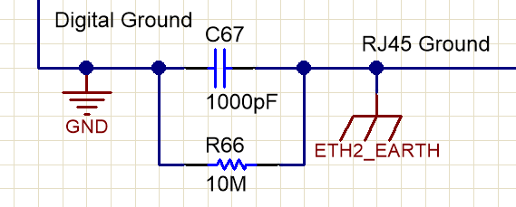
 |  | RBIAS | 16 | 4.87-kΩ ±1% resistor must be connected from RBIAS to GND
 |  | NC | 13 | Keep it Not Connected
 |  | NC | 15 | Keep it Not Connected
LEDs |  | LED_1 | 24 | This pin must have a pulldown or pullup external resistor when not used to prevent bootstrapping to MODE 2 or MODE 3. This pin also used as Signal Detect in Fiber Mode. Refer to Fiber MDI lines for details
 |  | LED_0 | 17
Device Clock | XTAL | XI | 23 | XTAL Used. Confirm it meets the spec ( ppm and load capacitance) as defined in Datasheet
 |  | XO | 22
 | Oscillator Clock | XI | 23 | Ensure Oscillator Input meets meets the spec ( jitter, ppm, rise/hold time, jitter) as defined in Datasheet
 |  | XO | 22 | Leave NC
MDC/MDIO
 |  | MDC | 20 | Connect to Host driving the SMI clock for Phy register programming
 |  | MDIO | 19 | Needs pullup of 2.2K
 |  | RESET_N | 18 | This pin is active Low input. It resets/re-initialises all internal registers | 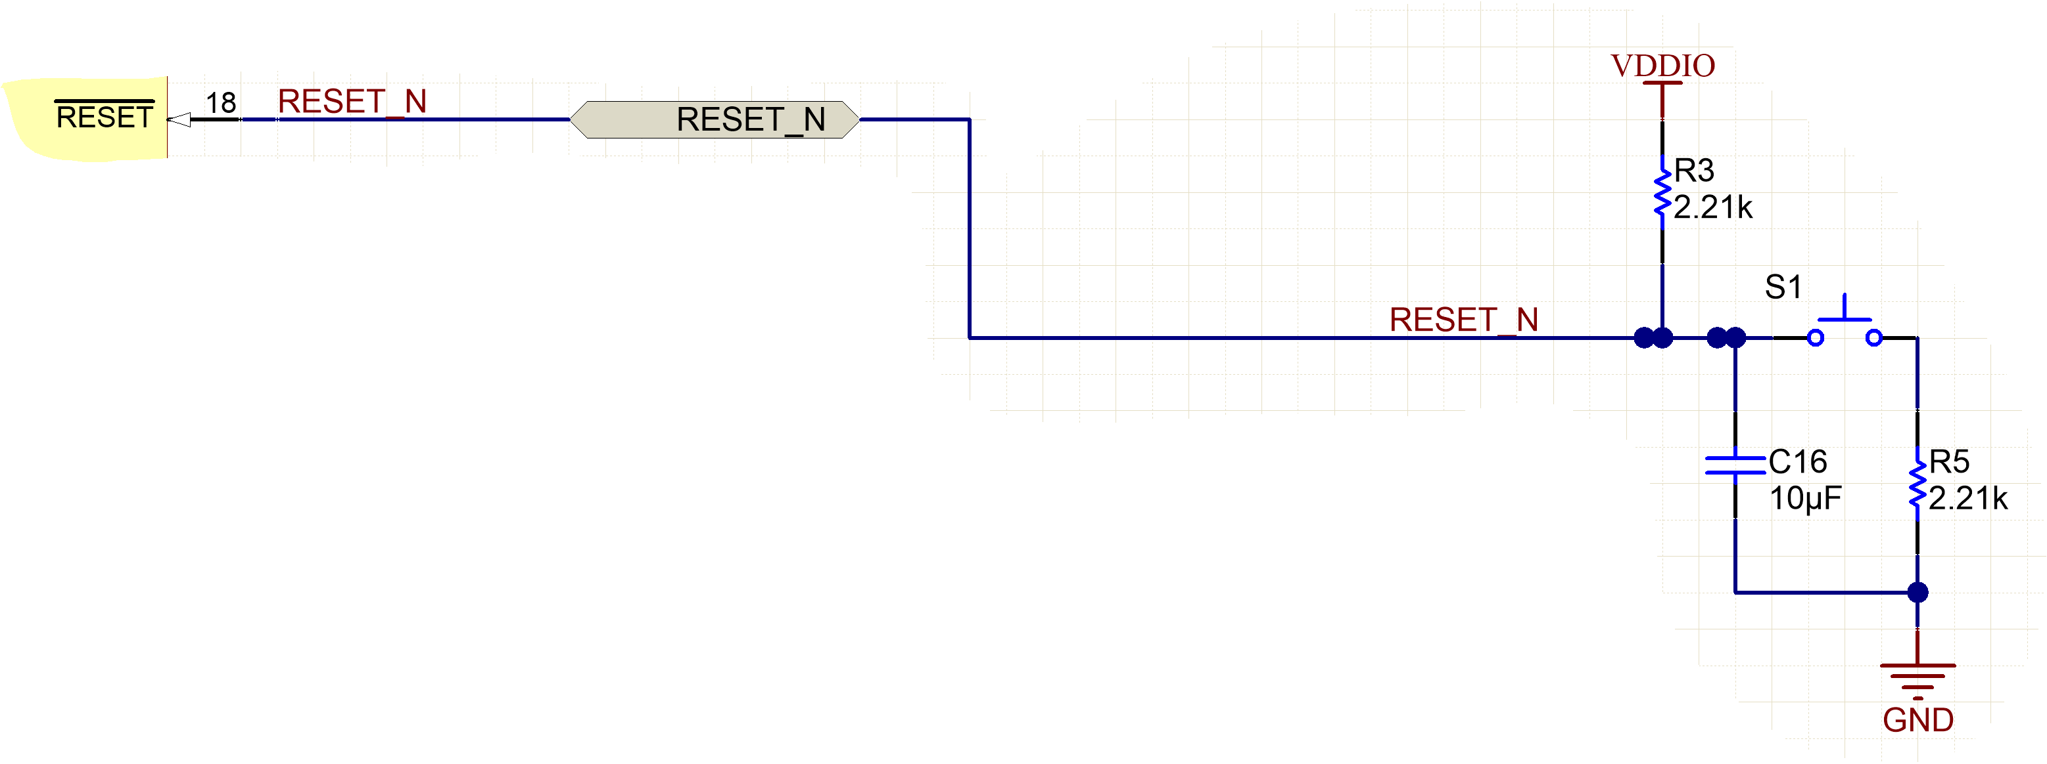
 |  | INT/Power Down | 8 | Interrupt Mode : Use External Pullup of 2.2K. Signal is Active Low | 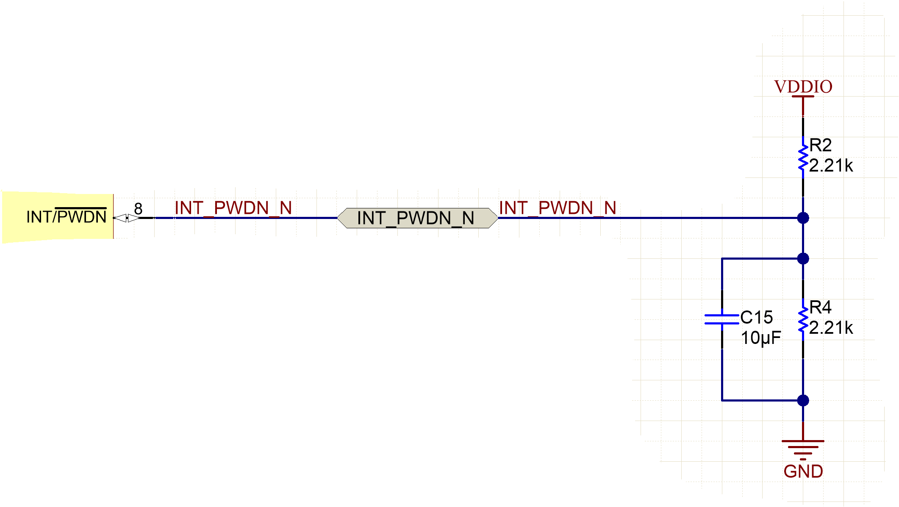
 |  |  |  | Power Down Mode : Keep the line pulled-high thru 2.2K pull-up. Asser the signal low for power down
Copper MDI Lines
 |  | TD_M | 11 | DP83822 Line Driver is Current Mode Driver and need CT Inputs. Ensure magnetics used is similar to shown with CT_Input connected to VDDA Also, for Emisison point of view, preferred magnetics with CMC ( Common Mode Choke) towards device side. | 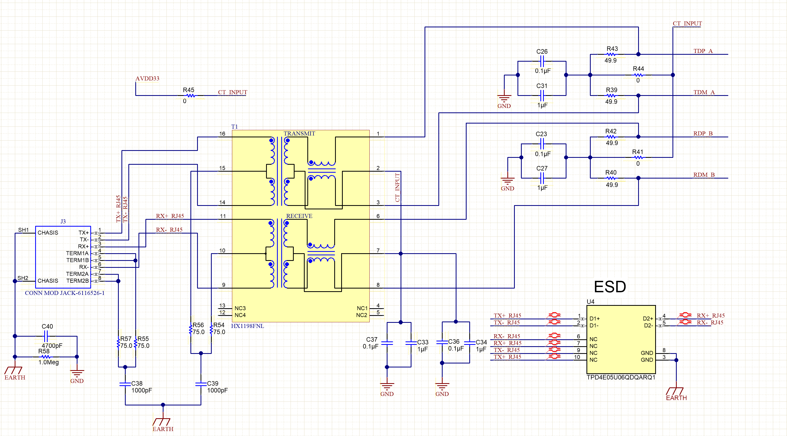
 |  | TD_P | 12
 |  | RD_M | 9
 |  | RD_P | 10

MII Mode |  | TX_EN/TX_CTRL | 3 | Transmit Enable | 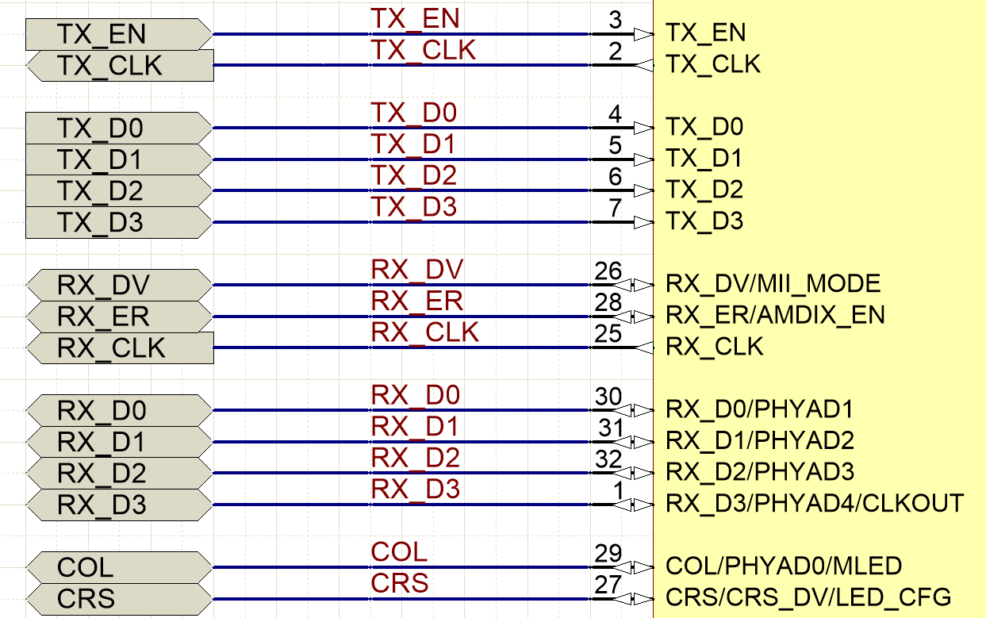
 |  | TX_CLK | 2 | Clock Out
 |  | TX_D0 | 4
 |  | TX_D1 | 5
 |  | TX_D2 | 6
 |  | TX_D3 | 7
 |  | RX_DV/RX_CTRL | 26
 |  | RX_ER | 28
 |  | RX_CLK | 25 | Clock Out
 |  | RX_D0 | 30
 |  | RX_D1 | 31
 |  | RX_D2 | 32
 |  | RX_D3/GPIO_3 | 1
 |  | CRS/CRS_DV | 27 | This pin is needed only when using Half Duplex 100M mode
 |  | COL/GPIO2 | 29 | This pin is needed only when using Half Duplex 100M mode

RMII Master Mode
 |  | TX_EN/TX_CTRL | 3 | Transmit Enable | 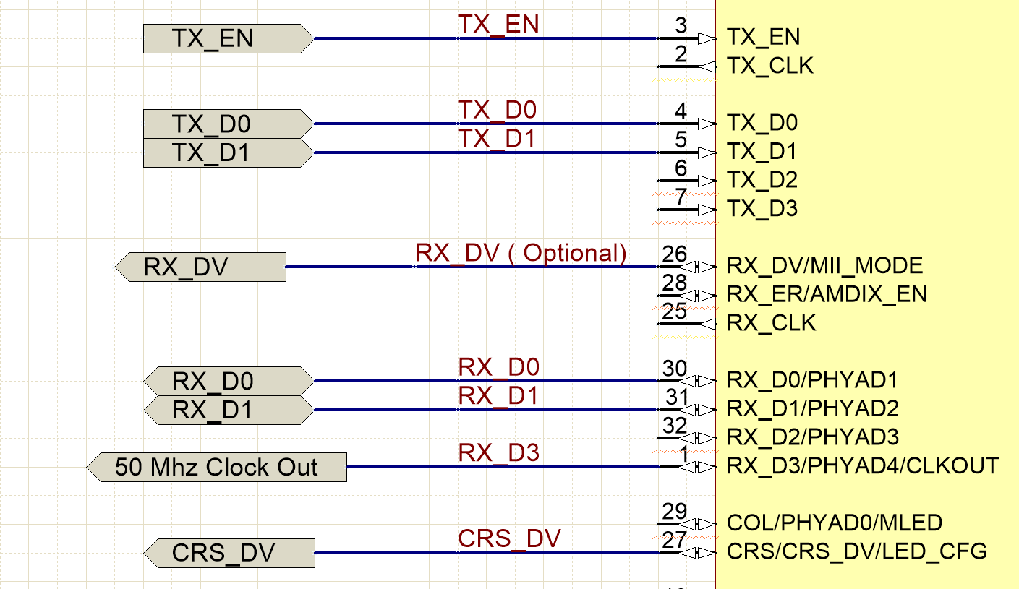
 |  | TX_CLK | 2 | NC
 |  | TX_D0 | 4
 |  | TX_D1 | 5
 |  | TX_D2 | 6 | NC
 |  | TX_D3 | 7 | NC
 |  | RX_DV/RX_CTRL | 26 | Optional
 |  | RX_ER | 28 | Optional
 |  | RX_CLK | 25 | NC
 |  | RX_D0 | 30
 |  | RX_D1 | 31
 |  | RX_D2 | 32 | NC
 |  | RX_D3/GPIO_3 | 1 | 50 Mhz Clock Out
 |  | CRS/CRS_DV | 27 | CRS_DV
 |  | COL/GPIO2 | 29 | NC

RMII Slave Mode
 |  | TX_EN/TX_CTRL | 3 | Transmit Enable | 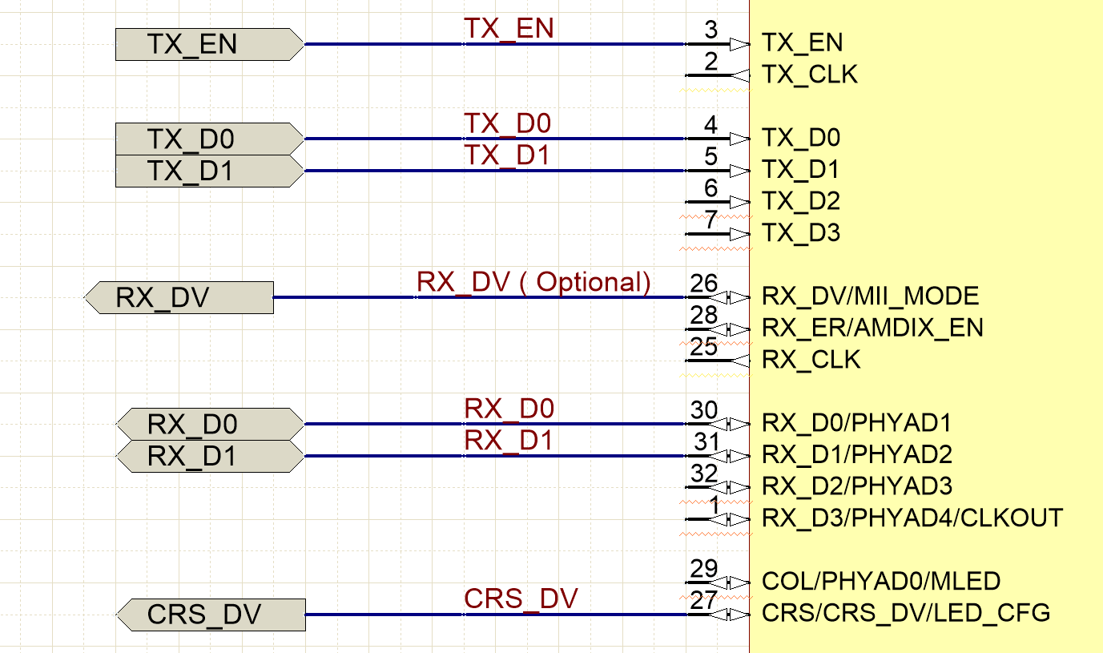
 |  | TX_CLK | 2 | NC
 |  | TX_D0 | 4
 |  | TX_D1 | 5
 |  | TX_D2 | 6 | NC
 |  | TX_D3 | 7 | NC
 |  | RX_DV/RX_CTRL | 26 | Optional
 |  | RX_ER | 28 | Optional
 |  | RX_CLK | 25 | NC
 |  | RX_D0 | 30
 |  | RX_D1 | 31
 |  | RX_D2 | 32 | NC
 |  | RX_D3/GPIO_3 | 1 | NC
 |  | CRS/CRS_DV | 27 | CRS_DV
 |  | COL/GPIO2 | 29 | NC
 |  | 50 Mhz Clock Input | 23 | XI( Please note 50 MHz clock shall be connected to XI pin and XO shall be left NC

RGMII Mode
 |  | TX_EN/TX_CTRL | 3 | Transmit Enable | 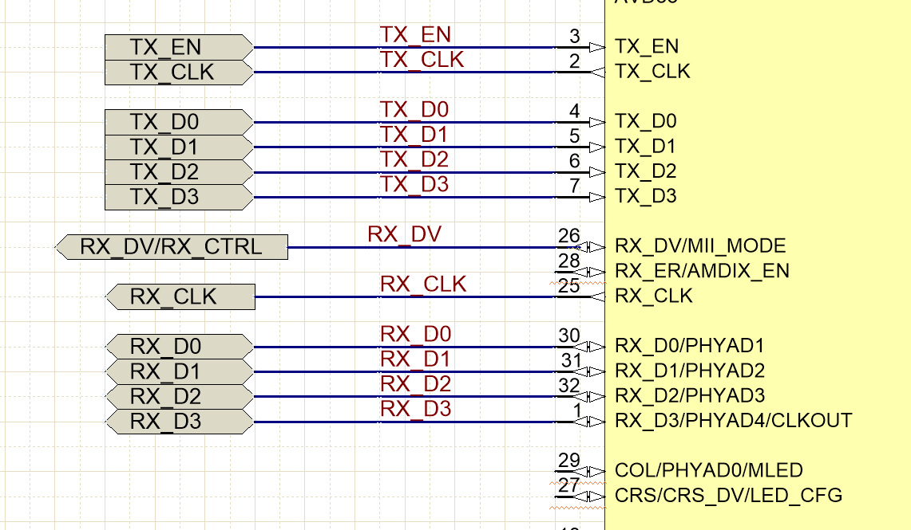
 |  | TX_CLK | 2 | Clock In
 |  | TX_D0 | 4 | Data In Lines
 |  | TX_D1 | 5
 |  | TX_D2 | 6
 |  | TX_D3 | 7
 |  | RX_DV/RX_CTRL | 26
 |  | RX_ER | 28 | NC
 |  | RX_CLK | 25 | Clock Out
 |  | RX_D0 | 30 | Data Out Lines
 |  | RX_D1 | 31
 |  | RX_D2 | 32
 |  | RX_D3/GPIO_3 | 1
 |  | CRS/CRS_DV | 27 | NC
 |  | COL/GPIO2 | 29 | NC

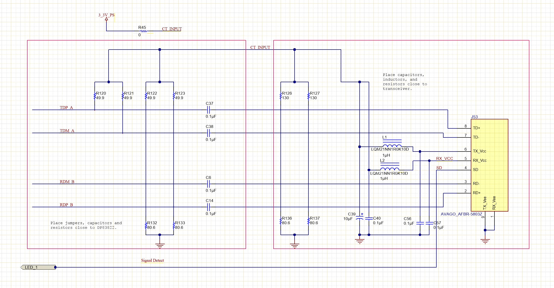

Fiber MDI Lines
 |  | TD_M | 11 | Connect Fiber Optical Transreciever as shown in schematics
 |  | TD_P | 12
 |  | RD_M | 9
 |  | RD_P | 10
 |  | LED_1 | 24 | Signal Detect : Connect Signal Detect pin of Optical Fiber Transreciever to Pin 24 ( LED_1) Ensure Polarity of the SD signal is aligned with DP83822 LED_1 SD pin, else use register configuration of DP83822 to change the polarity for detection

