DP83825I Strap Tool
OPTION 1
Enter Configuration Customer is planning to use for the DP83825 through Straps
 | PHY_AD[0] | PHY_AD[1] | Mas/Slave | RX_DV_EN | A-MDIX | ANED_DIS
 | 0 | 0 | 0 | 0 | 0 | 0

 |  |  | Strap Resistors
 | Strap Pin | Strap Mode | Recommend Pull up (RH) | Recommend Pull Down (RL)
 | RX_D0 | Mode 0 | Open | 2.49kohm
Resistor Values to be used for the Straps
 | CRS_DV | Mode 1 | 2.49kohm | Open
 | RX_D1 | Mode 3 | 2.49kohm | 2.49kohm
 | LED_2 | Mode 1 | 2.49kohm | Open
 | RX_ER | Mode 1 | 2.49kohm | Open
 | LED_0 | Mode 1 | 2.49kohm | Open

Pin Wise Checklist
Domain |  | Items | Pin Associated | Recommended Connection | Pictures | Customer Input (Yes/No) | Questions (If Any) | TI Feedback

Power |  | VDDIO | 19 | IO Supply: 1.8 V, 2.5 V, or 3.3 V Connect 10nF, 100nF, 1µF, 10µF ceramic decoupling capacitors near each pin; optional ferrite bead. | 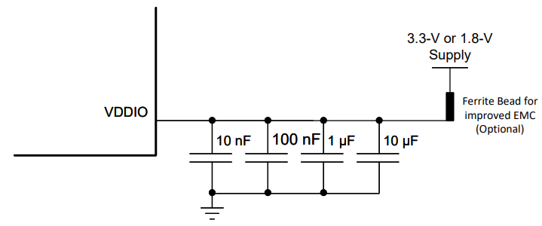
 |  | VVDA3V3 | 6 | Analog Supply: 3.3 V Connect 10nF, 100nF, 1µF, 10µF ceramic decoupling capacitors near each pin; optional ferrite bead.
GND |  | GND | Ground Pad | Keep option to isolate the digital ground from the MDI connector ground. | 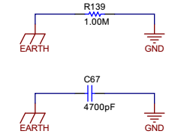
RBIAS |  | RBIAS | 14 | Connect a 6.49kohm 1% tolerance resistor between RBIAS pin and GND.
LEDs |  | LED_X | 2, 4 | LED pins are strap pins. Polarity of LED depends on the strap mode.
Clock | XTAL | XI | 13 | 25-MHz crystal can be used as Reference clock for RMII Master mode. Ensure it meets the ppm and ESR spec as defined in datasheet and load capacitance as defined by crystal manufacturer.
 |  | XO | 12 |  | 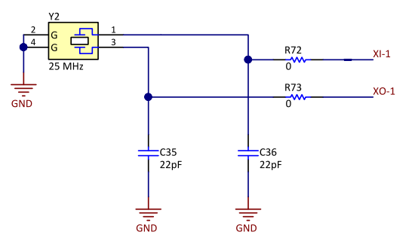
 | Oscillator | XI | 13 | Oscillator, if used, should be 25-MHz for RMII Master mode and 50MHz for RMII Slave mode. Oscillator voltage should be in VDDIO domain. Ensure Oscillator Input meets the spec (jitter, ppm, rise/fall time, duty cycle) as defined in datasheet.
 |  | XO | 12 | Unused. Do not connect (leave floating)
Serial Management Interface |  | MDC | 16 | Connect to Host driving the SMI clock for PHY register programming.
 |  | MDIO | 15 | This pin has an internal pull up resistor. An optional 2.2kΩ pullup resistor can be connected. | 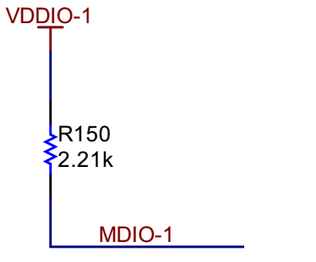
Reset |  | RESET_N | 5 | Active-LOW input. This pin has a weak internal pullup. Asserting this pin LOW for at least 1 μs will force a reset process to occur. All internal registers will reinitialize to their default states as specified for each bit in the datasheet. All bootstrap pins are resampled upon deassertion of reset. | 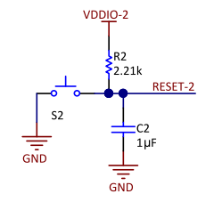
Interrupt |  | INT_N | 3 | Active-LOW output, which will be asserted LOW when an interrupt condition occurs. This pin has a weak internal pullup. Register access is necessary to enable various interrupt triggers. Once an interrupt event flag is set, register access is required to clear the interrupt event. This pin can be configured as an Active-HIGH output using register.
CLK_OUT |  | CLK_OUT | 2 | In RMII Master mode, LED2 pin will automatically be configured as clock out pin. 50MHz output clock will be available on this pin.
Medium Dependent Interface (MDI) |  | TD_P TD_M RD_P RD_M | 11 10 8 7 | Two Differential channels for 100Mbps operation. They should be routed to Ethernet connector via magnetics and the traces should be 100ohms differential impedance | 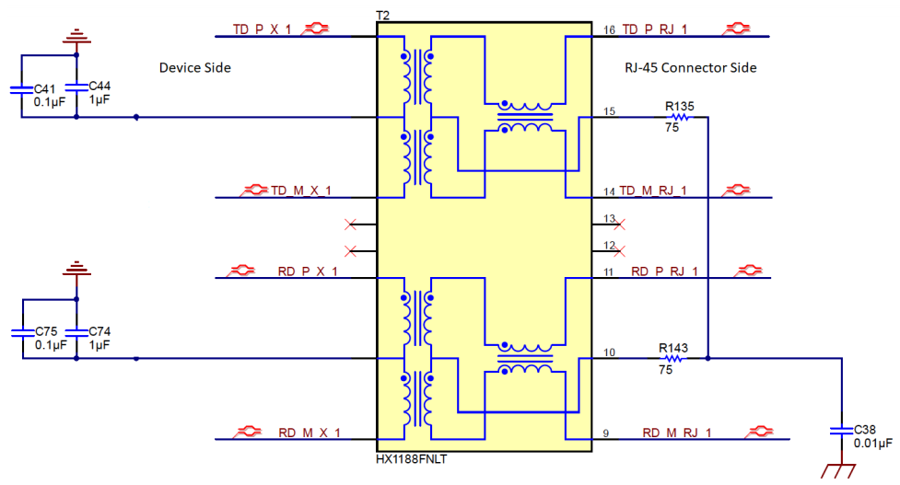
 |  | TX_EN | 26 | Transmit Data | 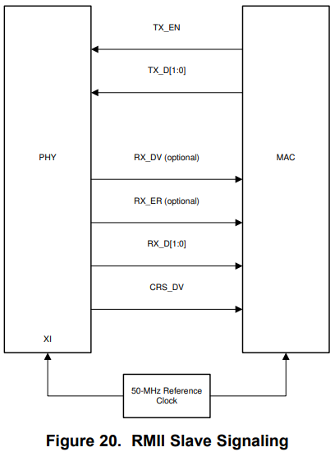 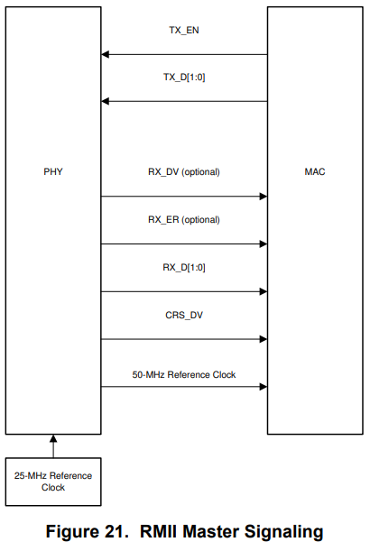
 |  | TX_D1 | 27 | Transmit Data
 |  | TX_D0 | 28 | Transmit Data
 |  | RX_D0 | 33 | Receive Data
 |  | RX_D1 | 34 | Receive Data
 |  | RX_CTRL | 38 | Receive Control

