DP83TC812 Pin Wise Checklist
DP83TC812 Schematic Checklist
Click Me

Domain | Pin Name |  | Pin Number | Recommended Connection | Pictures | Yes/No | Questions (if any)
Power | VDDMAC VDDIO |  | 22 34 | Supply voltage: 1.8 V, 2.5 V, or 3.3 V Recommended ferrite bead: BLM18KG601SH *If VDDMAC and VDDIO are separate, each will need its own ferrite bead, 470nF and 10nF capacitor. | 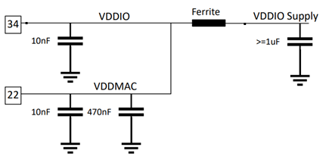 |  | Supply voltage: 1.8 V Ferrite bead: BLM18KG101TZ1D 10uF and 0.1uF*3 capacitor.
 | VDDA |  | 11 | Supply voltage: 3.3 V Recommended ferrite bead: BLM18KG601SH |  |  | Supply voltage: 3.3 V Ferrite bead: BLM18KG101TZ1D 4.7uF and 0.1uF*3, 27pF capacitor.
 | Vsleep | Sleep mode used? | 7 | Supply voltage: 3.3 V |  |  | Supply voltage: 3.3 V 4.7uF capacitor.
 |  | Yes

GND | GND |  | Ground Pad | Leave option to isolate connector ground from board ground (for EMC concerns) Populate two 0.25W 0Ω isolation resistors and leave placeholders for two isolation capacitors | 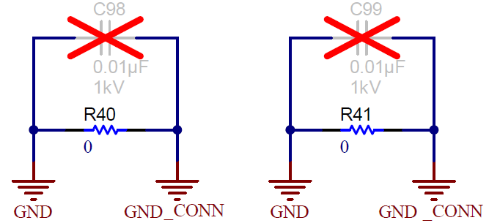 |  | Populate 0.25W 1Mohm isolation resistors and 10nF isolation capacitors.

Clock (25MHz XTAL) | XI |  | 5 | Contact crystal vendor to tune capacitance values and ensure crystal circuit meets the specifications shown in table to the right. Populate 100 ohm series resistor on XI path. |  |  | 25MHz Frequency tolerance: +/-20ppm Equivalent resistance (RR): MAX 60ohm
 | XO |  | 4 | Populate XO series resistor as minimum value required for crystal wattage specification |  |  | 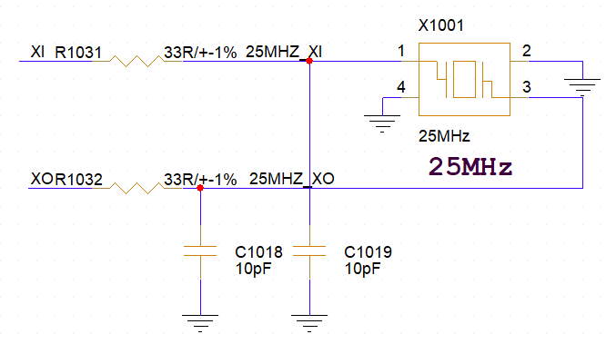

Reset and Interrupt | RESET_N |  | 3 | Active-LOW reset. Assert LOW for at least 1 μs for reset, which reinitializes all internal registers to default values and resamples bootstrap configuration. | 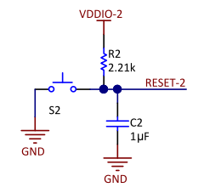 |  | Supply voltage: 1.8 V 4.7Kohm Pull High
 | INT_N |  | 2 | Active-LOW output, which will be asserted LOW when an interrupt condition occurs. |  |  | Supply voltage: 1.8 V 1.5Kohm Pull High

TC10 pins | WAKE |  | 8 | For TC10 operation, external 10kohm pull down should be used and WAKE pin should be connected to MAC. If sleep mode of phy is not used, this pin should be connected to VSLEEP | 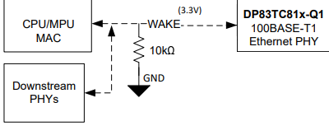 |  | 10Kohm pull down
 | INH |  | 10 | Open Drain output, asserted HIGH when the PHY is in operational mode. This pin is released by the PHY when in TC10 sleep and pulled low via external 10kΩ resistor. Connect INH to enable pin of voltage regulator/PMIC which enables VDDIO/VDDMAC/VDDA supplies. If TC10 mode is used, INH must have a pull-down of 10kΩ. If TC10 is not used, this pin can be left floating | 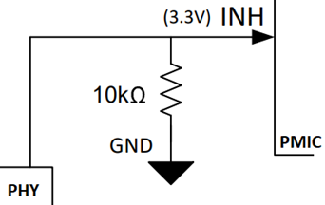 |  | 10Kohm pull down

Serial Management Interface | MDC |  | 1 | Connect to Host driving the SMI clock for PHY register programming. Maximum of 20Mhz. This pin should NOT have an external pullup resistor |  |  | NO Pull up resistor.
 | MDIO |  | 36 | This pin requires a pullup resistor between 2.2kΩ and 9kΩ | 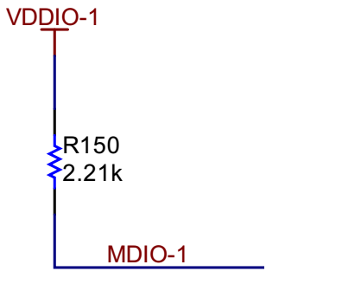 |  | 4.7Kohm Pullup resistor

Medium Dependent Interface (MDI) | TRD_M |  | 13 | Recommended Components: 1. CMC Choke: DLW43MH201XK2L, DLW32MH201XK2, AE2002, or ACT1210L-201 2. DC Blocking Capacitors: 0.1uF, 100V, 1% 3. Common Mode (CM) Termination Resistors: 1kΩ, 0.75W, 1%, size 2010 4. MDI Coupling Capacitor: 4.7nF 5. ESD Shunt: 100kΩ, 0.125W, 5%, size 0805 | 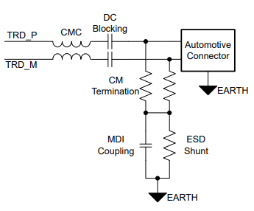 |  | 1. CMC Choke: DLW43MH201XK2L 2. DC Blocking Capacitors: 0.1uF 3. Common Mode (CM) Termination Resistors: 1kohm 4. MDI Coupling Capacitor: 4.7nF 5. ESD Shunt: 100kohm
 | TRD_P |  | 12

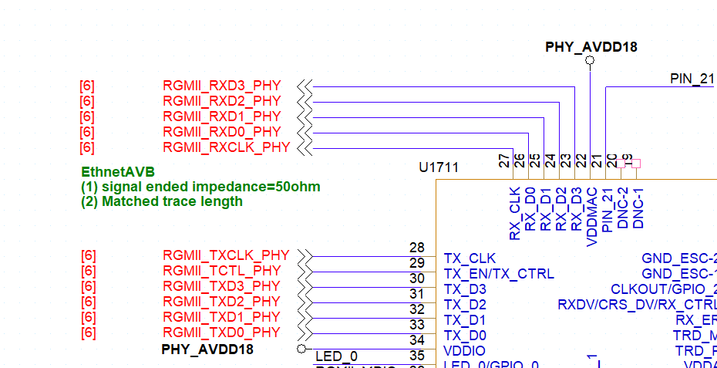
RGMII Mode | TX_CLK |  | 28 | 25 MHz Transmit Clock
 | TX_EN/TXCTRL |  | 29 | Transmit Control
 | TX_D3 |  | 30 | Transmit Data
 | TX_D2 |  | 31 | Transmit Data
 | TX_D1 |  | 32 | Transmit Data
 | TX_D0 |  | 33 | Transmit Data
 | TX_ER (Optional) |  | 6 | Do Not Connect
 | RX_CLK |  | 27 | 25 MHz Receive Clock
 | RX_D0 |  | 26 | Receive Data
 | RX_D1 |  | 25 | Receive Data
 | RX_D2 |  | 24 | Receive Data
 | RX_D3 |  | 23 | Receive Data
 | RX_DV/CRS_DV/RX_CTRL |  | 15 | Receive Control
 | RX_ER |  | 14 | Do Not Connect

LED/GPIO | LED_0 / GPIO_0 |  | 35 | Link status LED. Also used as a strap pin | 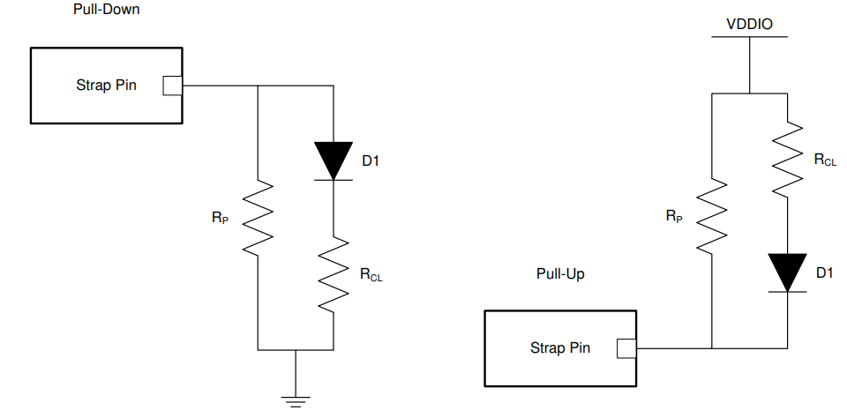 |  | No use LED
 | LED_1 / GPIO_1 |  | 6 | Link status and blink for TX/RX activity LED. Also used as a strap pin |  |  | No use LED

Straps | Strap Tool

Other | GND_ESC |  | 17, 18 | Optional ground escape pins. These pins can be connected to ground to optimize PCB layout. This pin can be left unconnected if not used.
 | NC |  | 9, 21 | No connection. Can be left floating. Connecting to any signal will have no effect on PHY performance.
 | DNC |  | 19, 20 | Do Not Connect (leave floating)

Strap Tool
Hardware Configuration |  | Bootstrap Pin | Bootstrap Pin Number | Bootstrap Mode | Suggested Pull-Up (RH) | Suggested Pull-down (RL)
MAC Interface | RGMII (TX + RX Internal Delay) | RX_D0 | 26 | Mode 1 | OPEN | OPEN
 |  | RX_D1 | 25 | Mode 2 | 2.49kΩ | OPEN
 |  | RX_D2 | 24 | Mode 2 | 2.49kΩ | OPEN
M/S Configuration | Slave | LED_0 | 35 | Mode 1 | OPEN | OPEN
Note: Resistors with 1% tolerance are required for 2.5V VDDIO operations for PHY Address straps, otherwise use 10% tolerance.
Operational Mode | Autonomous | LED_1 | 6 | Mode 1 | OPEN | OPEN
CLKOUT_PIN | CLKOUT=Pin16 | RX_D3 | 23 | Mode 1 | OPEN | OPEN
PHY Address (0x0-0xF) | 0x0 | RX_DV | 15 | Mode 1 | OPEN | OPEN
 |  | RX_ER | 14 | Mode 1 | OPEN | OPEN
VDDIO | 1.8V

Use the dropdowns to select the desired Strap Configurations
 |  |  |  | Expected Reg 0x45D Value in Hex |  | 40C0 or 00C0

Layout Checklist
DP83TC812 Layout Checklist

Domain |  | Item | Picture | Yes/No | Questions
TRDP/TRDM | 1 | Are connector ground and board ground connected well with 0ohms placed on all sides? Refer to R110, R11 and R70 positions in the picture (recommended) | 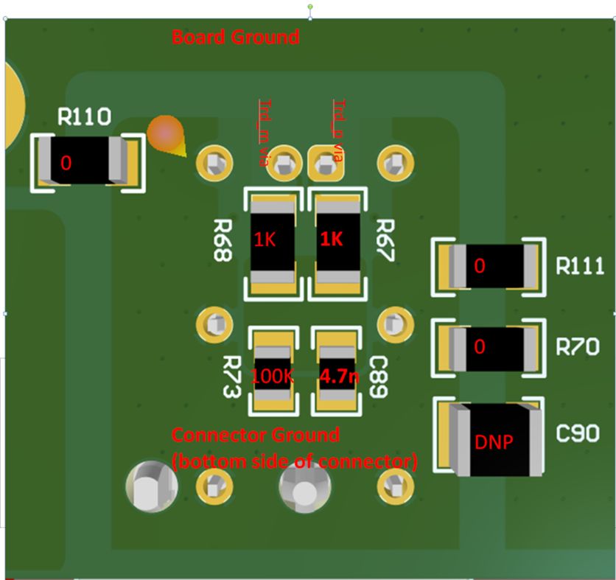
 | 2 | Are common mode terminations placed symmetrically and on the connector ground? Refer to R68,R67,R73,C89 positions in the picture (recommended)
 | 3 | Is there continuous ground under trdp and trdm traces (recommended)?
 | 4 | Is there void under the components used on trdp and trdm traces? If all layer void is not possible then atleast 2nd layer should be cleared off the ground.
 | 5 | If ESDs are used, are they 2 terminal packages (recommended)?
 | 6 | Is the impedance of trdp/trdm pair = differential 100ohms +/-5%?
 | 7 | Are trdp/trdm traces matched with +/-10mil accuracy?
 | 8 | CMC, AC coupling caps and common mode termination components close to the connector (recommended)?
 | 9 | Is the same layer ground plane symmetrically placed around trdp and trdm traces (till connector)?

Power | 10 | Are 10nF,100nF supply decaps placed on the same layer as the PHY and closed to PHY?
 | 11 | Is the smallest capacitor placed closest to the PHY?
 | 12 | For supply network spread across multiple layers, are there minimum of 4 vias connecting one layer to another?
 | 13 | Is the position of ferrite bead for each power pin combination close to PHY and is good to provide strong connection to both the pins?
 | 14 | Is there a ground plane reference for every power plane (recommended for EMC)?
 | 15 | Even if sleep mode is not used, is Vsleep routed as power (recommended)?

Crystal | 16 | Is crystal placed closest possible to PHY (making XI and XO route the shortest possible) (recommended)? | 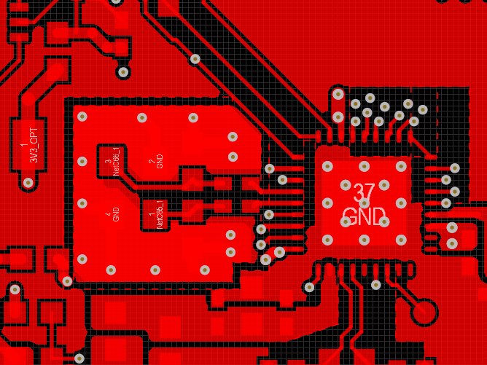
 | 17 | Are caps connected to xi and xo placed in same orientation (recommended)?
 | 18 | Are caps connected to xi and xo connected well to the top ground and that ground strongly connected to the board ground on bottom layer through continous vias (recommended)?
 | 19 | Are switching signals like led and mdc routed away from XI route ?

RGMII | 20 | Are Rgmii traces burried (recommended for EMC)? Vias should be close to PHY/MAC transmitter.
 | 21 | Is Rgmii routing lower than 5 inches (recommended)?
 | 22 | Is Rgmii data and clock skew less than 200ps?
 | 23 | Are Rgmii traces routed with 50ohms impedance control?
 | 24 | At Rgmii receiver pins of PHY, 1ns (20%-80%) rise/fall time met?
 | 25 | Are their test points close to the MAC and PHY RGMII receiver pins?

SGMII | 26 | Are sgmii tx and rx signals routed with 100ohms +/5 % differential impedance control (recommended)?
 | 27 | Is mismatch in p and m signal of differential pair less than 5 mils (recommended)?
 | 28 | AC-coupling caps on Sgmii signal lines placed close to transmitter side (recommended)?

General | 29 | trace length mismatch : serpentine should be done at mismatch end
 | 30 | high speed signals should be routed over a solid ground and not across a plane split or void
 | 31 | distance from void > trace width x 1.5
 | 32 | place stich capacitors iff traces are crossing two different planes
 | 33 | place gnd stiching vias close to the signal transition vias symmetrically ( < 200 mils away)
 | 34 | keep out distance from other switching signal : keep out distance > 5w (width of the trace)
 | 35 | no probe or test points on any high-speed diff signal
 | 36 | no traces near crystals, clock gens, mounting holes, magnetic devices or ics
 | 37 | maintain constant trace width to avoid impedance mismatches
 | 38 | maximize differential pair to pair spacing > 30mils (after package breakout and before connector)
 | 39 | Package break-out must occur within 250mils from the package
 | 40 | Keep via stubs short < 15mils
 | 41 | Avoid vias on the high speed signals and use them only near SoCs
 | 42 | SMDs on high speed traces : 0402 or smaller. Place them symmetrically
 | 43 | SMDS on high speed traces : should have void under them
 | 44 | 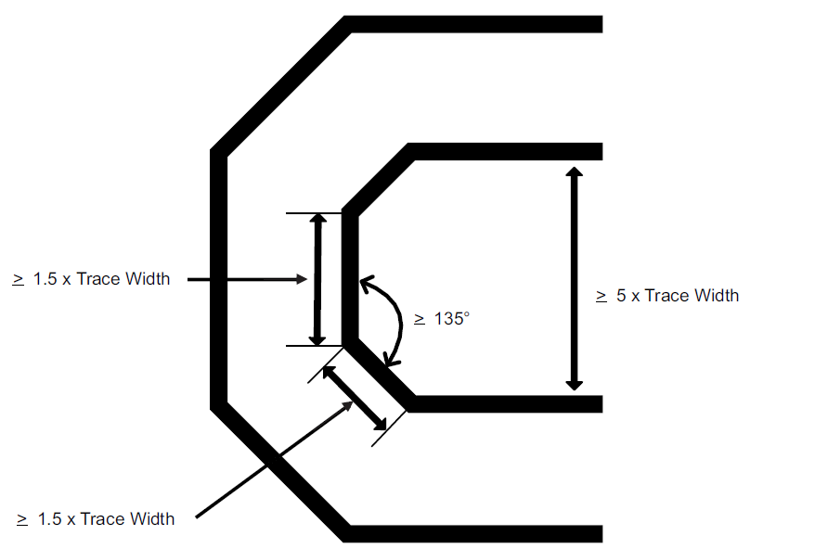 Signal bending rules

