Details
Question No. 2 explanation

 | The following chart shows the typical Life Cycle of most components. Please determine which Life Cycle state is the most appropriate for the component in question.

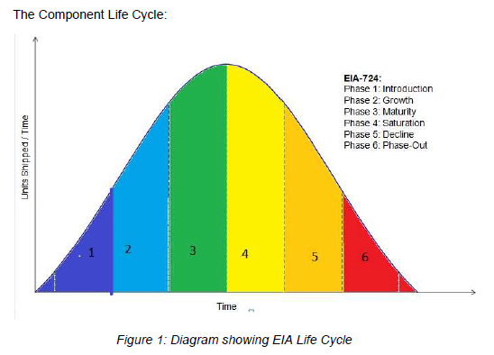

Question No. 22 explanation

 | The Coefficient of Thermal Expansion (CTE) of mold compounds has been found to be a significant factor in the life of solder joints for some component packages that are encapsulated with a "mold compound", such as TSOPs, BGAs, QFNs, etc. Many "Green" mold compounds possess a low CTE due to the use of low CTE fillers. Please provide the mold compound CTE for the following package types:

 | Package Type | Package Variant
 | BGAs | All types
 | QFNs/QFPs | All types
 | TSOPs | Pin count >20

