PGEN Register
DS90UB954-Q1 Datasheet Pattern Generator

 |  |  |  |  | Input
 |  |  |  |  | Result

 | Pixel-to-Byte
RGB888 (bit) | # of Byte | Total Data Throughput (Mbps) | Hactive | Vactive | Htotal | Vtotal | Fresh Rate (Hz) | # of Color Bar
24 | 3 | 891 | 1280 | 720 | 1650 | 750 | 30 | 8

 | Register | Value (Decimal) | Register Written Value (hex)
Line size (byte) | 0x04, 0x05 | 3840 | F00
Each Bar size (byte) | 0x06, 0x07 | 480 | 1E0
Active_LPF, Vactive (byte) | 0x08, 0x09 | 720 | 2D0
Total_LPF, Vtotal (byte) | 0x0A, 0x0B | 750 | 2EE
Line_PD | 0x0C, 0x0D | 4444.4444444 | 115C
Vertical Back Porch (line) | 0x0E | 33 | 21
Vertical Front Porch (line) | 0x0F | 10 | A

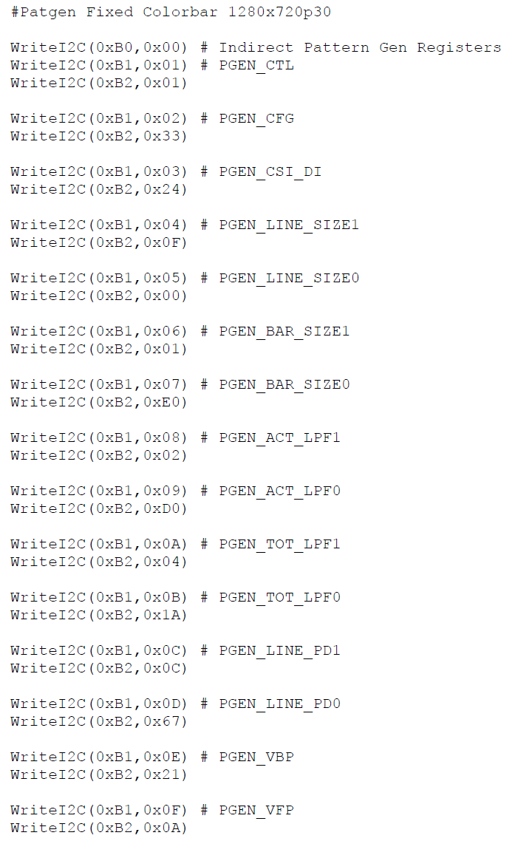

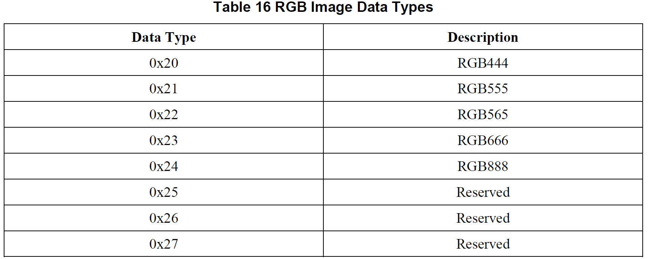

 |  |  |  |  |  | http://processors.wiki.ti.com/index.php/LCD_RGB_640x480_VGA_Addition
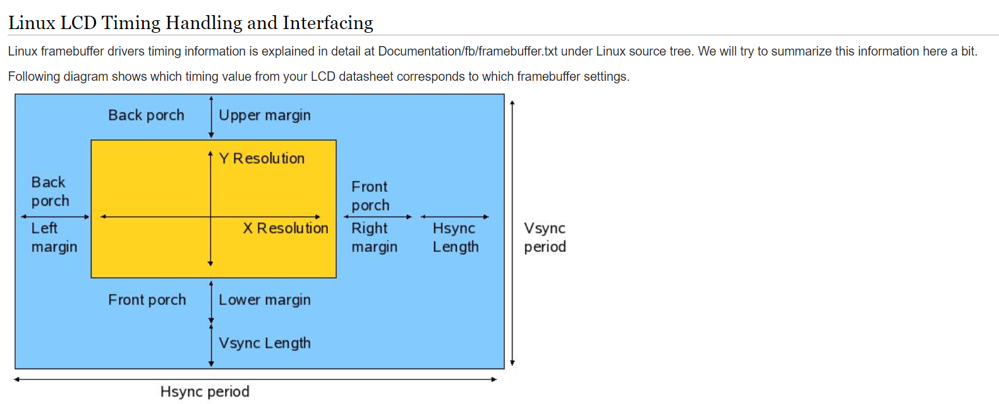

DT, PixeltoByte, HVtotal
