Sheet1
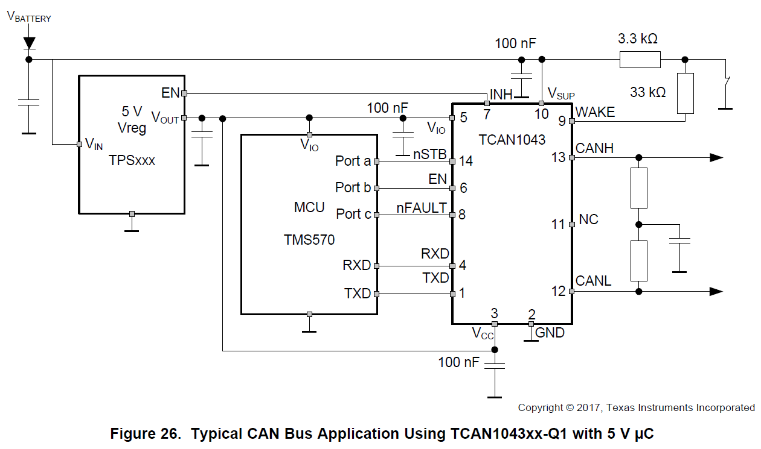
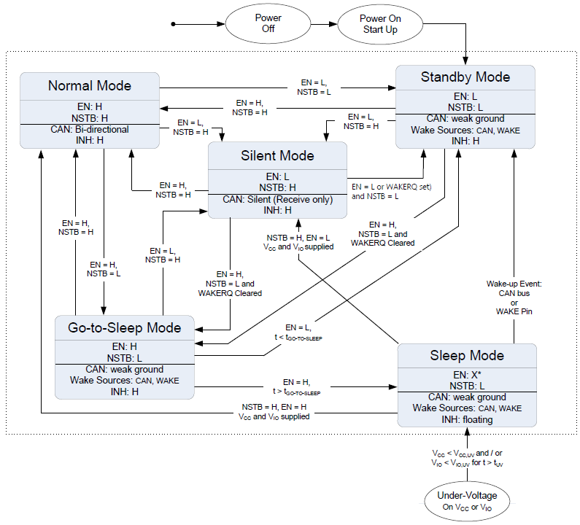

Could you check if below understanding for device state shift cases is correct with circuit configuration as Figure 26 ?
Case1 Vsup ramp-up from Power OFF condition
step1: Device shifts to Standby Mode, asserts INH=High
step2: Vcc and Vio are undervoltage, so undervoltage timer starts count-up.
step3: External LDO is enabled by INH=High, and starts supplying Vcc and Vio within tuv time-out period.
step4: Device can shifts to other state according to EN and NSTB signal condition.
Case2 CAN bus wake event under Sleep mode condition
INH = HiZ, so external LDO is disabled, then Vcc and Vio are undervoltage condition.
step1: Device shifts to Standby mode due to CAN bus wake event.
step2: Device asserts INH=High, then external LDO is enabled.
step3: External LDO starts supplying Vcc and Vio withhin tuv time-out period.
step4: Device can shifts to other state according to EN and NSTB signal condition.

