Set-up
Temp (C) | Pressure (%) | Bridge Impendance (ohms) | Bridge Voltage (V) TEMPin-GNDa | Bridge Signal (mV/V) Vin1-Vin2 | Rt+ Signal (V) Vexc-TEMPin | Rt+ Signal (V/V) Vexc-TEMPin | Pre-Cal | Settings | Sensor Emulator
-1.111 | 0 | 431.81 | 1.9485 | 10.53 | 0.18140 | 0.08517 |  |  | Step 1 | Enter Raw Data
-1.111 | 25 | 432.01 | 1.9486 | -25.03 | 0.18132 | 0.08513 | See Emulator results for settings |  | Step 2 | Enter Rt characteristics
-1.111 | 50 | 432.65 | 1.9488 | -59.68 | 0.18108 | 0.08502 |  |  | Step 3 | Min temp = -2
-1.111 | 75 | 433.69 | 1.9492 | -93.30 | 0.18068 | 0.08483 |  |  |  | Max temp = 56
-1.111 | 100 | 435.09 | 1.9498 | -125.76 | 0.18015 | 0.08458
23.889 | 0 | 472.35 | 1.9629 | 6.51 | 0.16705 | 0.07843 |  |  | Raw Bridge Data
23.889 | 25 | 472.57 | 1.9629 | -26.99 | 0.16698 | 0.07840 |  |  | Step 1 | Ratio = on
23.889 | 50 | 473.16 | 1.9631 | -59.60 | 0.16679 | 0.07831 |  |  |  | Vexc = 2.12992 (if absolute used)
23.889 | 75 | 474.17 | 1.9635 | -91.18 | 0.16646 | 0.07815 |  |  | Step 2 | Number of points = 3
23.889 | 100 | 475.53 | 1.9639 | -121.85 | 0.16602 | 0.07795 |  |  |  | Poly order = 2
54.444 | 0 | 528.23 | 1.9793 | 1.66 | 0.15063 | 0.07072 |  |  | Step 3 | -1.111,10.53,-125.76
54.444 | 25 | 528.49 | 1.9794 | -29.55 | 0.15056 | 0.07069 |  |  |  | 23.889,6.51,-121.85
54.444 | 50 | 529.12 | 1.9795 | -59.78 | 0.15039 | 0.07061 |  |  |  | 54.444,1.66,-118.13
54.444 | 75 | 530.12 | 1.9798 | -89.53 | 0.15013 | 0.07049 |  |  | Step 4 | Offset = 6.51
54.444 | 100 | 531.39 | 1.9801 | -118.13 | 0.14980 | 0.07033 |  |  |  | Mid = -59.6
Vexc (V) | 2.12992 |  |  |  |  |  |  |  |  | Full = -121.85
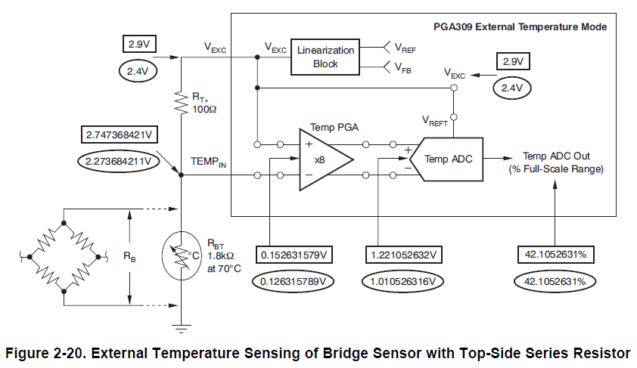
 |  |  |  |  |  |  |  |  | Temperature Rt Data
 |  |  |  |  |  |  |  |  | Vexc = 2.12992
 |  |  |  |  |  |  |  |  | Rt Type = Rt+
 |  |  |  |  |  |  |  |  | Rt resistance = 40.2
 |  |  |  |  |  |  |  |  | Bridge resistance = 434.9
 |  |  |  |  |  |  |  |  | TC1 = 3526.7 ppm
 |  |  |  |  |  |  |  |  | TC2 = 8.6783 ppm

Vref_ext JMPers
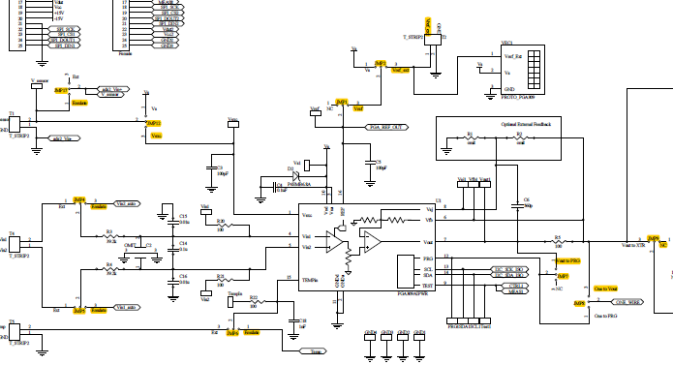

Vref_ext = 4.096 V

Emulator Results
Results after Auto-Cal using Vref_int = 4.096V
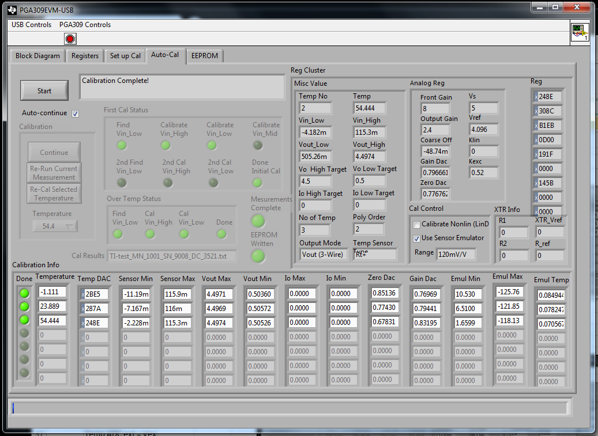
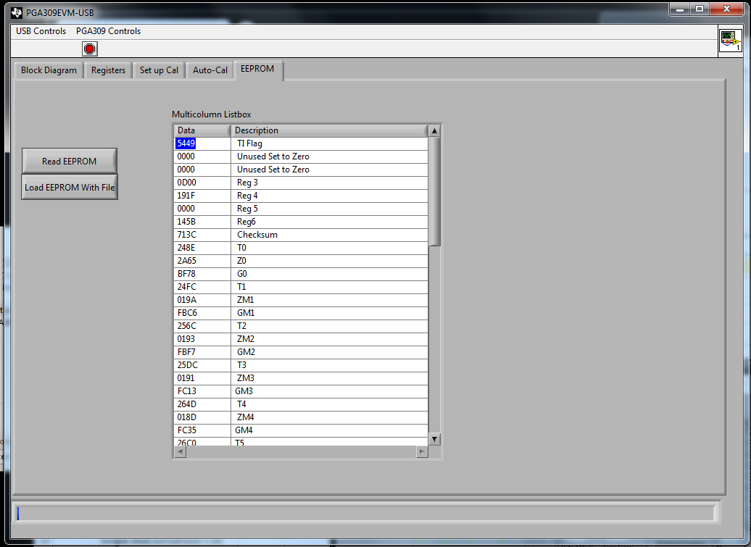
Pre-Cal | Setting for Vref int
Step 1 | Vs = 5
Step 2 | Vref = 4.096, Enable Vref checked (int)
Step 3 | Vexc gain = 2.12992, Enable Vexc checked
Step 6 | Vout (3-wire)
Step 7 | resolution = 15b
 | Temp ADC ext = Vex
 | ADC pre-gain = 8 V/V
 | Signal source = External
 | Dif Input = Vexc, TEMPin
 | Continuous conversion = on
 | Single shot conversion = on
Step 9 | Number temperatures = 3
 | Poly order = 2
 | Temp meas = -1.111, 23.889, 54.444
Step 10 | Out High = 4.5
 | Out Low = 0.5
Step 11 | LinDac = no

Model: | 7212021_e2e_modelfile_modified.txt
Precal: | 7212021_e2e_precal_modified.txt
Sensor: | 7212021_e2e_sensorfile_modified.csv

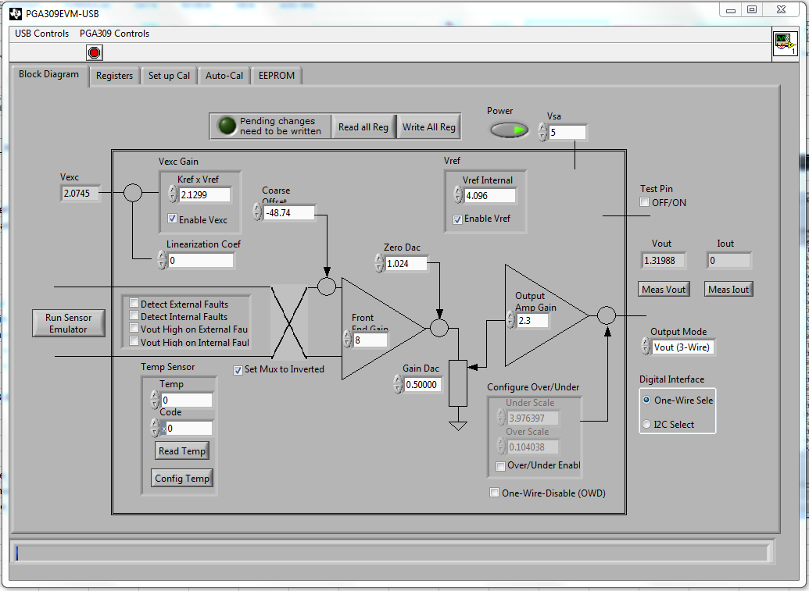

Results after Auto-Cal using Vref_ext = 4.096V applied with Keithley 2450 Source Meter to T2
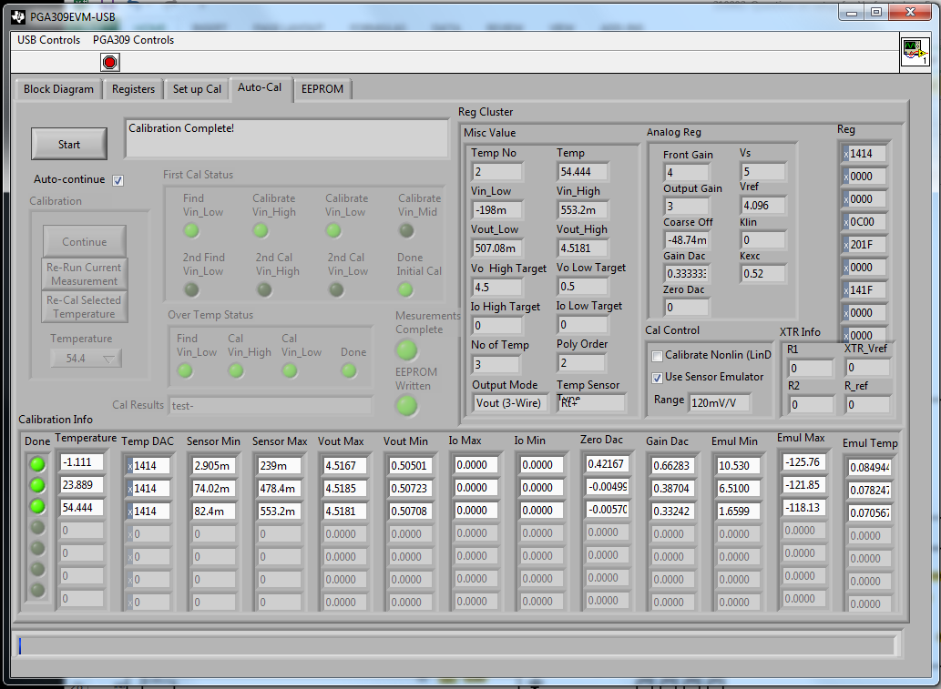
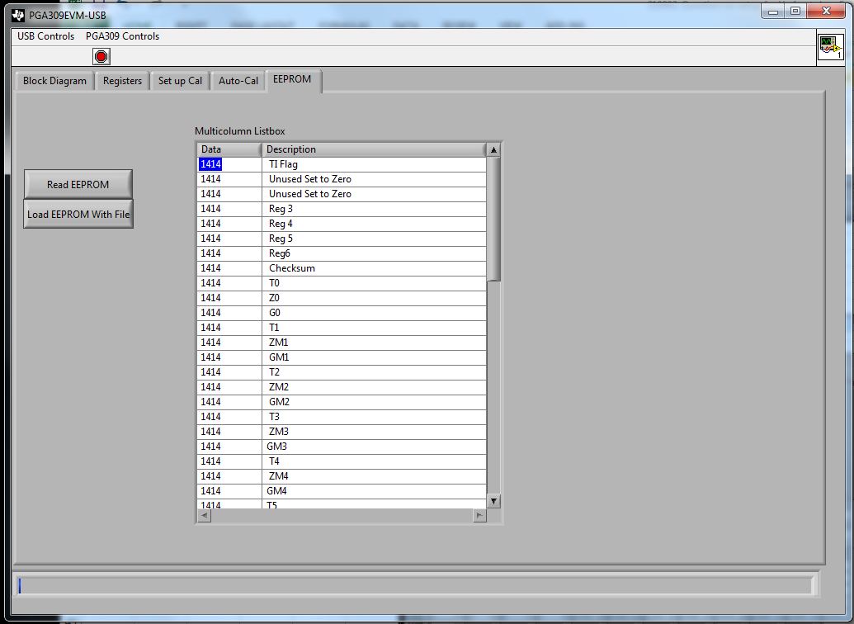
Pre-Cal | Setting for Vref ext
Step 1 | Vs = 5
Step 2 | Vref = 4.096, Enable Vref unchecked (ext)
Step 3 | Vexc gain = 2.12992, Enable Vexc checked
Step 6 | Vout (3-wire)
Step 7 | resolution = 15b
 | Temp ADC ext = Vex
 | ADC pre-gain = 8 V/V
 | Signal source = External
 | Dif Input = Vexc, TEMPin
 | Continuous conversion = on
 | Single shot conversion = on
Step 9 | Number temperatures = 3
 | Poly order = 2
 | Temp meas = -1.111, 23.889, 54.444
Step 10 | Out High = 4.5
 | Out Low = 0.5
Step 11 | LinDac = no

Model: | test-121313-rtp-Vref_ext-model.txt
Precal: | test-121313-rtp-Vref_ext-precal.txt
Sensor: | 7212021_e2e_sensorfile_modified.csv

