Inverting Calculator
Analog Voltage Scaler: Inverting Amplifier |  |  |  |  |  |  | Revision | 1.02
 |  |  |  |  |  |  | This spreadsheet is created to aid customers of Texas Instruments. No warranties, either expressed or implied, with respect to this spreadsheet or its fitness for any particular purpose is claimed by Texas Instruments or the author. This spreadsheet is useable on an "as is" basis. The entire risk as to its quality and performance is with the customer.

Use this tool to scale your analog voltages with an inverting amplifier. Select your desired input and output voltages. Then add the input common mode voltage (VCM) or accept the default value. Add the reference voltage (VREF). The tool will then calculate the values needed. If any resistors are negative then change VCM or VREF

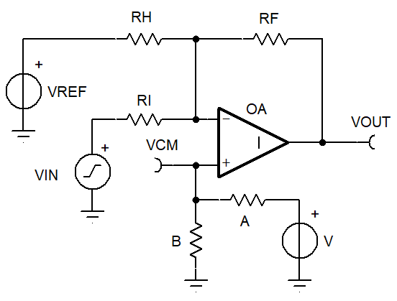
 |  |  | Cell Color Key
 |  |  | Yellow cells are for user inputs and important text (default values are non-inverting so they fail inverting circuit)
 |  |  | Light blue cells are set by a formula, but can be changed to a constant
 |  |  | ######, ######, and DNP cells mean "do not populate"
 |  |  | Red cells mean an invalid value, either the VCM range is invalid or the calculated resistance is negative

 |  |  | Note: Always start with original file, because sheet allows typing over formulas
 |  |  | Note: Summary tables support resistors rounded to standard resistor values and recalculating VCM and VOUT (manual entry of standard values)

 |  |  | Note: Default VCM value makes RH and VREF 'do not populate' (usually the best setup)
 |  |  | Calculator decides if VREF should be zero or the "Reference Voltage"
 |  |  |  | If VCM needs to be made by V, A and B, then use the Analog Engineer’s Calculator. Passive Find Voltage Divider tool will pick the best standard resistor values for A & B

User Inputs

Step 1: Enter Data | Point 1 | Point 2 |  |  |  | User input errors
VIN voltage | -1 | 1 | <-- Use [min and max] VIN range
VOUT voltage | 2.5 | 0 | <-- Use VOUT for the same VIN range
VCM voltage | 0.556 | <-- Choose VCM , defaults to special balance point (Cell B42)
Reference Voltage | 2.5 | <-- Choose accurate voltage (not zero, makes VCM voltage)
Resistor RF | 100,000 | <-- Choose any resistance Ω (scales RI, RH)

Circuit Configuration

Step 2: If resistor(s) are negative then make both VCM and VREF greater than balanced VCM or less than balanced VCM.
Step 3: Round the summary table resistors to standard values

Convert points to linear equation to find Gain and Zero; OUT = G * VIN + Z
Gain (G) | -1.250 | <-- Only gains less than zero will have a solution
Zero (Z) | 1.250 | V
Special Balanced VCM | 0.556 | <-- Choose this VCM value for no RH resistor

Pre work, Chose resistors A and B first
Parameter | Real Values | Units | Formula
Reference voltage "V" | 2.5 | V | VREF | If VCM must be generated then use Analog Engineer's Calculator : Passive : Find Voltage Divider
A | 100,000 | Ω | User | <--user value or Voltage divider tool result
B | 28,571 | Ω | (VCM*A)/(V-VCM) | <--user rounded value or Voltage divider tool result
Final VCM based on A,B,V | 0.556 | V | V*B/(A+B)
 |  |  |  |  | Should Vref be zero or not?
Summary for circuit values |  |  |  |  | RH to GND | -1.000E+15 |  |  | IFERROR(A2/A3,0).
Parameter | Real Values | Units | Formula |  | RH to VREF | -1.000E+15
RF | 100,000 | Ω | User RF |  | VREF is | 2.5
RI | 80,000 | Ω | -RF/G
RH | 1,000,000,000,000,000 | Ω | see H51 and H52 cells | <-- if ##### then RH is 'do not populate' , Enter 1e15 to force DNP
VCM | 0.556 | V | V*B/(A+B) | <-- if VCM must be generated then use Analog Engineer's Calculator : Passive : Find Voltage Divider
VREF (may be V or 0) | 2.500 | V | VREF or Zero (see H53)
Summary Result | Point 1 | Point 2 | Units
VIN | -1.000 | 1.000 | Volt
VOUT | 2.500 | 0.000 | Volt
RF/(RH||RI) ratio (k) | 1.250 | VCM gain-1 | RF*(1/RI+1/RH) | <-- k should not be much greater than |G|
RF/RH ratio | 0.000 | VREF gain | RF/RH
RF/RI ratio | 1.250 | VIN gain | RF/RI
Excess k | 0.000 |  | k-G | <-- k should not be much greater than |G|
Note: Negative resistor values mean solution is not viable
Note: ##### means do not populate this resistor location

Non-inverting Calculator
Analog Voltage Scaler: Non-Inverting Amplifier |  |  |  |  |  |  |  |  | Revision | 1.00
 |  |  |  |  |  |  |  |  | This spreadsheet is created to aid customers of Texas Instruments. No warranties, either expressed or implied, with respect to this spreadsheet or its fitness for any particular purpose is claimed by Texas Instruments or the author. This spreadsheet is useable on an "as is" basis. The entire risk as to its quality and performance is with the customer.

Use this tool to scale your analog voltages with a non-inverting amplifier. Select your desired input and output voltages. Then add the VCM range of your amplifier and the reference voltage. The tool will then calculate the values needed for the desired functionality with 6 different circuit possibilities. The circuits are listed in increasing order of complexity (#1 = least complex, #5 & #6 = most complex). Not every configuration will work with every application, so the tool will tell you which configurations are valid for the given inputs.

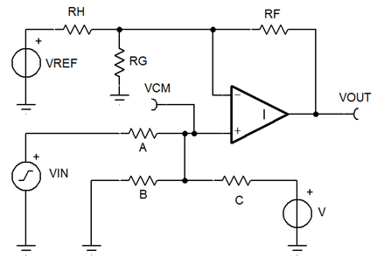
 |  |  | Cell Color Key
 |  |  | Yellow cells are for user inputs (default values setup same as 3 resistor blog values)
 |  |  | Light blue cells are set by a formula, but can be changed to a standard value constant
 |  |  | ######, ######, and DNP cells mean "do not populate"
 |  |  | Red cells mean an invalid value, either the VCM range is invalid or a calculated resistance is negative

 |  |  | Note: Always start with original file, because sheet allows typing over formulas
 |  |  | Note: Summary tables support resistors rounded to standard resistor values and recalculating VCM and VOUT (manual entry of standard values)

 |  |  | Note: Generally the lowest working "OP Gain" circuit will be the most accurate

User Inputs
 |  |  |  |  | Quick Results |  | Op Gain | Excel Rows
Step 1: Enter Data | Point 1 | Point 2 |  |  | Circuit #1 | Fails | 0.13 | 43 to 69
VIN voltage | -10 | 10 | <-- Use [min and max] VIN range |  | Circuit #2 | Fails | 0.50 | 73 to 100
VOUT voltage | 0 | 2.5 | <-- Use VOUT for the same VIN range |  | Circuit #3 | Works | 1.00 | 104 to 140
VCM range | 0 | 2.5 | <-- Op amp VCM [MIN, MAX] limits |  | Circuit #4 | Fails | 0.51 | 144 to 188
Reference Voltage | 3.3 |  | <-- Chose accurate voltage (Cannot use zero) |  | Circuit #5 | Fails | 0.50 | 192 to 236
 |  |  |  |  | Circuit #6 | Fails | 0.13 | 240 to 275
Circuit Configurations

Step 2: Check "Quick Results" table to see which circuit(s) worked, scroll down to see the circuit
Step 3: Optional; change yellow and blue cells to change resistor values to standard values, VCM and VOUT will reflect these changes.
Calculation of Gain and Zero of Linear Equation: OUT = G * VIN + Z
Parameter | Value | Units
Gain (G) | 0.125 | V/V | <-- Only positive gains have a solution
Zero (Z) | 1.250 | V

Circuit #1 pre-work, No input scaler
Parameter | Value | Units | Formula
RF/(RG||RH) ratio (k) | -0.875 |  | G - 1 | Red is bad
RF | 100,000 | Ω | Chose Standard R choice
RG||RH | -114,286 | Ω | RF / k
RG | -201,527 | Ω | Reverse Thevenin Tool
RH | -264,000 | Ω | Reverse Thevenin Tool
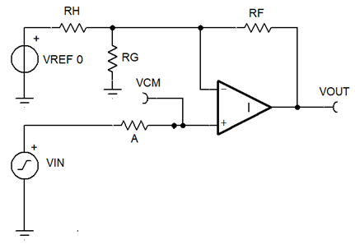
Summary for circuit #1, No input scaler |  |  |  |  | 1 |  |  |  |  |  | Reverse Thevenin Tool | values | units
Parameter | Real Values | Units | Notes |  |  |  |  |  |  |  | Reference voltage | 3.3 | Volts
A | 1,000 | Ω | Do not care, avoid 0 |  |  |  |  |  |  |  | Vth goal | 1.4285714286 | Volts
B | DNP
C | DNP
V | DNP |  |  |  |  |  |  |  |  |  | Rth goal | (114,286) | Ohms
RF | 100,000 | Ω |  |  |  |  |  |  |  |  | Solve for RG | -2.015E+05 | Ohms | B
RG | -201,527 | Ω | overwrite with real R value |  |  |  |  |  |  |  | Solve for RH | -2.640E+05 | Ohms | A
RH | -264,000 | Ω | overwrite with real R value |  |  |  |  |  |  |  | FALSE | Pre-work resistance OK
VREF | 3.3 | V |  |  |  |  |  |  |  |  | FALSE | summary VCM OK
Summary result | Point 1 | Point 2 | Units |  |  |  |  |  |  |  | 1
VIN | -10 | 10 | V |  |  |  |  |  |  |  | FALSE | Does It Work
VOUT | 0.000 | 2.500 | V
VCM | -10.000 | 10.000 | V | This configuration will not work! Invalid values returned.

VREF Thevenin voltage | 1.429 |  | V
A/C ratio "j" summary | 1.000 |  | 1
RF/(RG||RH) ratio "k" summary | -0.875 |  | RF/Rth
Vth RG RH summary | 1.429 | V | VREF*RH/(RH+RG)
Rth RG RH summary | -114,286 | Ω | RG||RH

Circuit #2 pre-work for scaling with [A, C, V, RF, RG] only; no [B, RH, VREF]
Parameter | Value | Units | Formula | Note
C | 100,000 | Ω | User set | Standard R choice
A | 303,030 | Ω | C * j | Red is bad |  |  |  |  |  |  | FALSE | Pre-work resistance OK
RG | 100,000 | Ω | User set | Standard R choice |  |  |  |  |  |  | FALSE | summary VCM OK
RF | -49,621 | Ω | RG * k | Red is bad |  |  |  |  |  |  | 1
B | DNP | n/a | DNP | Do not populate |  |  |  |  |  |  | FALSE | Does It Work
A/C ratio (j) | 3.030 | n/a | Z / (V * G) | Input ratio
RF/RG ratio (k) | -0.496 | n/a | G - 1 + Z/V | Op amp ratio

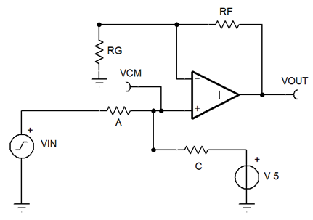
Summary for circuit #2, [A, C, V, RF, RG] solution, no [B, RH, VREF]
Parameter | Real Values | Units | Note |  | 2
A | 303,030 | Ω | Make Standard R choice
B | DNP | n/a | Make Standard R choice
C | 100,000 | Ω | Make Standard R choice
V | 3.3 | Volt
RF | -49,621 | Ω | Make Standard R choice
RG | 100,000 | Ω | Make Standard R choice
RH | DNP |  | Do not populate
VREF | DNP |  | Do not populate
Summary result | Point 1 | Point 2 | Units
VIN | -10 | 10 | Volt
VOUT | 0.000 | 2.500 | Volt
VCM | 0.000 | 4.962 | Volt | This configuration will not work! Invalid values returned.
A/C ratio "j" summary | 3.030 | ratio | uses summary data
RF/RG ratio "k" summary | -0.496 | ratio | uses summary data
Vth RG RH summary | 0.000 | Volt | uses summary data
Rth RG RH summary | 100,000 | Ω | uses summary data

Circuit #3 pre-work for scaling with [A, B, C, V, RF, RG], No [RH, VREF]
Parameter | Value | Units | Formula | Note
Min op amp gain estimate (G') | 1.000 | n/a | 1, 1.1G, or VOUT/VCM | If B is negative then increase this value
RG | 100,000 | Ω | User set RG or RF | alternate Standard R choice
RF minimum | 0 | Ω | RG*(G'-1) | alternate min value (round up to use) |  |  |  |  |  |  | 3 Resistor solver tool
RF | 100,000 | Ω | User set RG or RF | default used Standard R choice |  |  |  |  |  |  | 3R (G)ain | 0.125
RG maximum | 1,000,000,000,000,000 | Ω | RF/(G'-1) | auto copied to Final RG |  |  |  |  |  |  | 3R (Z)ero | 1.25
 |  |  |  |  |  |  |  |  |  |  | 3R (V) voltage | 3.3
It is best to choose final real resistor values for RG and RF before A,B,C are calculated |  |  |  |  |  |  |  |  |  |  | Text Formulas | a | b | c | Constant
Parameter | Value | Units | Notes |  |  |  |  |  |  |  | 1st: (G-1)a+Gb+Gc=0 | -8.750E-01 | 1.250E-01 | 1.250E-01 | 0.000E+00
Final RG | 1,000,000,000,000,000 | Ω | Make Standard R choice (round down!) |  |  |  |  |  |  |  | 2nd: Za+Zb+(Z-V)c=0 | 1.250E+00 | 1.250E+00 | -2.050E+00 | 0.000E+00
Final RF | 0 | Ω | Make Standard R choice (round up!) |  |  |  |  |  |  |  | 3rd: Any formula | 1 | 0 | 0 | 1.000E-05
 |  |  |  |  |  |  |  |  |  |  | Denominator for solve 'A' | 0.000E+00 | 1.250E-01 | 1.250E-01
More circuit #3 pre-work: Solve for resistor A, B, C |  |  |  |  |  |  |  |  |  |  |  | 0.000E+00 | 1.250E+00 | -2.050E+00
Parameter | Value | Units | Notes |  |  |  |  |  |  |  |  | 1.000E-05 | 0.000E+00 | 0.000E+00
A | 100,000 | Ω | Standard R choice |  |  |  |  |  |  |  | Denominator for solve 'B' | -8.750E-01 | 0.000E+00 | 1.250E-01
B | 25,191 | Ω | 3 Resistor Solver Tool |  |  |  |  |  |  |  |  | 1.250E+00 | 0.000E+00 | -2.050E+00
C | 33,000 | Ω | 3 Resistor Solver Tool |  |  |  |  |  |  |  |  | 1.000E+00 | 1.000E-05 | 0.000E+00
 |  |  |  |  |  |  |  |  |  |  | Denominator for solve 'C' | -8.750E-01 | 1.250E-01 | 0.000E+00
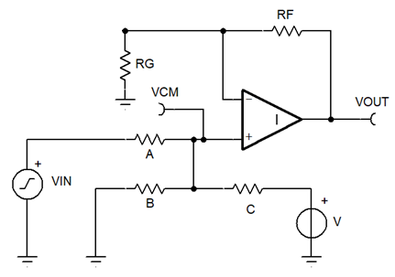
Summary for circuit #3, Using [A, B, C, V] and No [RH, VREF] |  |  |  |  |  |  |  |  |  |  |  | 1.250E+00 | 1.250E+00 | 0.000E+00
Parameter | Real Values | Units | Notes |  | 3 |  |  |  |  |  |  | 1.000E+00 | 0.000E+00 | 1.000E-05
A | 100,000 | Ω | Use Standard R choice |  |  |  |  |  |  |  | A | 1.000E+05 |  | Numerator
B | 25,191 | Ω | Use Standard R choice |  |  |  |  |  |  |  | B | 2.519E+04 |  | -0.4125
C | 33,000 | Ω | Use Standard R choice |  |  |  |  |  |  |  | C | 3.300E+04
V | 3.3 | Volt
RF | 0 | Ω | Use Standard R choice |  |  |  |  |  |  |  | TRUE | Pre-work resistance OK
RG | 1,000,000,000,000,000 | Ω | Use Standard R choice |  |  |  |  |  |  |  | TRUE | summary VCM OK
RH | DNP | Ω | Do not populate |  |  |  |  |  |  |  | 1
VREF | DNP |  | Do not populate |  |  |  |  |  |  |  | TRUE | Does It Work
Summary result | Point 1 | Point 2 | Units
VIN | -10 | 10 | Volt
VOUT | 0.000 | 2.500 | Volt
VCM | 0.000 | 2.500 | Volt
j summary | 3.030 | ratio | uses summary data | This configuration will work!
k summary RF/RG | 0.000 | ratio | uses summary data
Vth RG RH summary | 0.000 | Volt | uses summary data
Rth RG RH summary | 1,000,000,000,000,000 | Ω | uses summary data

Circuit #4 Pre-work using [A, C] input. Use VREF to correct offset, only B is DNP
Parameter | Value | Units | Formula
MIN VCM | 0 | Volt | See op amp VCM
MIN VIN | -10 | Volt | See user VIN
A/C "j" to get valid min VCM | 3.030 | ratio | (VIN[min]-VCM[min])/(VCM[min)-V)
Set A (option) | 100,000 | user sets this | Standard R choice
Set C (option) | 0 | or user sets that | Standard R choice
Maximum C (if A is was set) | 33,000 | Ω | A[user] / j
Minimum A (if C is was set) | 0 | Ω | C[user] * j

It is best to choose final real resistor values for A and C before RF,RG,RH are calculated
Parameter | Value | Units | Note | Note |  |  |  |  |  |  | Reverse Thevenin Tool | values | units
A (defaults to set A) | 100,000 | Ω | Use Standard R choice | If C set, round up A |  |  |  |  |  |  | Reference voltage | 3.3 | Volts
C (defaults to 98% of Max C) | 32,340 | Ω | Use Standard R choice | If A set, round down C |  |  |  |  |  |  | Vth goal | -0.052 | Volts
Final A/C "j" | 3.092 | n/a | If red check A & C |  |  |  |  |  |  |  | Rth goal | (204,716) | Ohms
 |  |  |  |  |  |  |  |  |  |  | Solve for RG | -2.015E+05 | Ohms
More circuit #4 pre-work to RG and RH |  |  |  |  |  |  |  |  |  |  | Solve for RH | 1.294E+07 | Ohms
Parameter | Value | Units | Formula
RF | 100,000 | Ω | Standard R choice
VCM min | 0.050 | Volt | (VIN[min]-V)/(j+1)+V |  |  |  |  |  |  |  | TRUE | A,C summary resistance OK
VCM max | 4.937 | Volt | (VIN[max]-V)/(j+1)+V |  |  |  |  |  |  |  | FALSE | RF, RG, RH summary resistance OK
RF/(RG||RH) calculation "k" | -0.488 | n/a | G*(j+1)-1 |  |  |  |  |  |  |  | FALSE | summary VCM OK
Rth [RG||RH] | -204,716 | Ω | RF/k |  |  |  |  |  |  |  | 1
Vth [RG&RH] | -0.052 | Volt | (VCM*(k+1)-VOUT)/k |  |  |  |  |  |  |  | FALSE | Does It Work
RG | -201,527 | Ω | RT tool, #### = DNP
RH | 12,936,000 | Ω | RT tool, #### = DNP

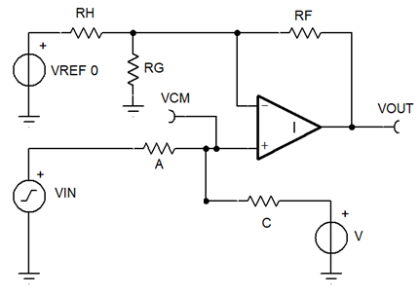
Summary for circuit #4 , No B resistor
Parameter | Value | Units | Formula
A | 100,000 | Ω | Use Standard R choice |  | 4
B | DNP
C | 32,340 | Ω | Use Standard R choice
V | 3.3 | Volt
RF | 100,000 | Ω | Use Standard R choice
RG | -201,527 | Ω | Use Standard R choice
RH | 12,936,000 | Ω | Use Standard R choice
VREF | 3.3 | Volt
Summary result | Point 1 | Point 2 | Units
VIN | -10 | 10 | Volt
VOUT | 0.000 | 2.500 | Volt
VCM | 0.050 | 4.937 | Volt
j summary | 3.092 | ratio | uses summary data | This configuration will not work! Invalid values returned.
k summary RF/(RG||RH) | -0.488 | ratio | uses summary data
Vth RG RH summary | -0.052 | Volt | uses summary data
Rth RG RH summary | -204,716 | Ω | uses summary data

Circuit #5 pre-work to reduce VCM range using [A, B] no [C, V]
Parameter | Value | Units | Formula
MAX VCM | 2.5 | Volt | OP amp
MAX VIN | 10 | Volt | User
A/B "j" to get valid max VCM | 3.000 | ratio | (VIN-VCM)/VCM
Set A (option) | 100,000 | user sets this | copied to A by default
Set B (option) | 100,000 | or sets that | alternate choice
Maximum B (if A is was set) | 33,333 | Ω | A[user] / j, copied to B
Minimum A (if C is was set) | 300,000 | Ω | B[user] * j, alternate
C | DNP | n/a | Do not populate
It is best to choose final real resistor values for A and B before RF, RG, RH are calculated
Parameter | Value | Units | Formula | Note |  |  |  |  |  |  | Reverse Thevenin Tool | values | units
A (defaults to set A) | 100,000 | Ω | Standard R choice | If C set, round up A |  |  |  |  |  |  | Reference voltage | 3.3 | Volts
B (defaults to < Max B) | 33,333 | Ω | Standard R choice | If A set, round down B |  |  |  |  |  |  | Vth goal | 2.500 | Volts
Final A/B "j" | 3.000 | n/a | A/B |  |  |  |  |  |  |  | Rth goal | (200,000) | Ohms
VCM min | -2.500 | Volt | VIN[min]/(j+1) |  |  |  |  |  |  |  | Solve for RG | -8.250E+05 | Ohms
VCM max | 2.500 | Volt | (VIN[max]-V)/(j+1)+V |  |  |  |  |  |  |  | Solve for RH | -2.640E+05 | Ohms
RF/(RG||RH) calculation "k" | -0.500 | n/a | G*(j+1)-1

More circuit #5 pre-work to calculate RG and RH |  |  |  |  |  |  |  |  |  |  | FALSE | Summary resistance OK
Parameter | Value | Units | Formula |  |  |  |  |  |  |  | FALSE | summary VCM OK
RF | 100,000 | Ω | Standard R choice |  |  |  |  |  |  |  | 1
Rth [RG||RH] | -200,000 | Ω | RF/k |  |  |  |  |  |  |  | FALSE | Does It Work
Vth [RG&RH] | 2.500 | Volt | (VCM*(k+1)-VOUT)/k
RG | -825,000 | Ω | Reverse Thevenin Tool
RH | -264,000 | Ω | Reverse Thevenin Tool

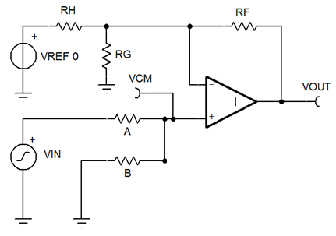
Summary for Circuit #5 , attenuating VCM and inverting offset
Parameter | Value | Units | Notes |  | 5
A | 100,000 | Ω | Standard R choice
B | 33,333 | Ω
C | DNP |  | Standard R choice
V | DNP
RF | 100,000 | Ω | Standard R choice
RG | -825,000 | Ω | Standard R choice
RH | -264,000 | Ω | Standard R choice
VREF | 3.3 | Volt
Summary result | Point 1 | Point 2 | Units
VIN | -10 | 10 | Volt
VOUT | 0.000 | 2.500 | Volt
VCM | -2.500 | 2.500 | Volt
j summary | 3.000 | ratio | uses summary data | This configuration will not work! Invalid values returned.
k summary RF/(RG||RH) | -0.500 | ratio | uses summary data
Vth RG RH summary | 2.500 | Volt | uses summary data
Rth RG RH summary | -200,000 | Ω | uses summary data

Circuit #6 pre-work to reduce VOUT range using [A, B] no [C, V] will trying to eliminate RG
Parameter | Value | Units | Formula
k starting point | -0.379 | ratio | -Z/V
matching j | 3.970
It is best to choose final real resistor values for A and B before RF, RG, RH are calculated
Parameter | Value | Units | Formula | Note
A (defaults) | 100,000 | Ω | Standard R choice | If C set, round up A
B max (based on A & j) | 1,000,000,000,000,000 | Ω | A/j | Round down real value
Final A/B "j" | 0.000 | n/a | A/B
final k | -0.875 | ratio | G*(j+1)-1
More circuit #5 pre-work to calculate RG and RH
Parameter | Value | Units | Formula |  |  |  |  |  |  |  | Reverse Thevenin Tool | values | units
RF | 100,000 | Ω | Standard R choice |  |  |  |  |  |  |  | Reference voltage | 3.300 | Volts
Rth [RG||RH] | -114,286 | Ω | RF/k |  |  |  |  |  |  |  | Vth goal | 1.429 | Volts
Vth [RG&RH] | 1.429 | Volt | (VCM*(k+1)-VOUT)/k | Must be same polarity as REF |  |  |  |  |  |  | Rth goal | (114,286) | Ohms
RG | -201,527 | Ω | Reverse Thevenin Tool |  |  |  |  |  |  |  | Solve for RG | -2.015E+05 | Ohms
RH | -264,000 | Ω | Reverse Thevenin Tool |  |  |  |  |  |  |  | Solve for RH | -2.640E+05 | Ohms

Summary for Circuit #6 , attenuating VIN and no offset |  |  |  |  |  |  |  |  |  |  | FALSE | Summary resistance OK
Parameter | Value | Units | Formula |  | 6 |  |  |  |  |  | FALSE | summary VCM OK
A | 100,000 | Ω | Use Standard R choice |  |  |  |  |  |  |  | 1
B | 1,000,000,000,000,000 |  |  |  |  |  |  |  |  |  | FALSE | Does It Work
C | DNP |  | Use Standard R choice
V | DNP
RF | 100,000 | Ω | Use Standard R choice
RG | -201,527 | Ω | Use Standard R choice
RH | -264,000 | Ω | Use Standard R choice
VREF | 3.3 | Volt
Summary result | Point 1 | Point 2 | Units
VIN | -10 | 10 | Volt
VOUT | 0.000 | 2.500 | Volt
VCM | -10.000 | 10.000 | Volt
j summary | 0.000 | ratio | uses summary data | This configuration will not work! Invalid values returned.
k summary RF/(RG||RH) | -0.875 | ratio | uses summary data
Vth RG RH summary | 1.429 | Volt | uses summary data
Rth RG RH summary | -114,286 | Ω | uses summary data

3 Resistor Calculator tool
Goal: find resistor values [A, B, C] for given bias voltage V and two desired operating points (VIN,VOUT) |  |  |  |  | Revision | 1.00
 |  |  | Edit only Yellow cells to match your scaling need |  | This spreadsheet is created to aid customers of Texas Instruments. No warranties, either expressed or implied, with respect to this spreadsheet or its fitness for any particular purpose is claimed by Texas Instruments or the author. This spreadsheet is useable on an "as is" basis. The entire risk as to its quality and performance is with the customer.
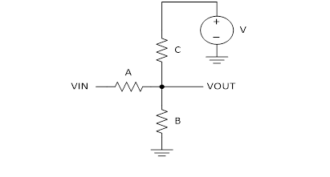

Step 1: Enter Data | Point 1 | Point 2 | Unit
VIN voltage | -10 | 10 | Volt
VOUT voltage | 0 | 2.5 | Volt
V voltage | 3.3 | <-- Enter value of accurate DC supply voltage

Step 2: Convert points to linear equation to find Gain and Zero; OUT = G * IN + Z
Gain (G) | 0.125 | <-- Only gains between zero and one can have a solution
Zero (Z) | 1.25 | <-- Only voltages between zero and power supply can have a solution

Step 3: Make three formulas in 3 unknowns
Let a=1/RA, b=1/RB, c=1/RC because math will be much easier using resistor conductance.
1st formula uses AC gain with 1V input. Sum of AC current at OUT node is zero. Current is resistor voltage multiplied by resistor conductance
2nd formula uses DC output voltage with 0V input. Sum of DC current at OUT node is zero. Current is resistor voltage multiplied by resistor conductance
3rd formula is user setable. Default setting is resistor A = 10 kohms (a = 1/10,000)

Text Formulas | a | b | c | Constant
1st: (G-1)a+Gb+Gc=0 | -8.750E-01 | 1.250E-01 | 1.250E-01 | 0.000E+00
2nd: Za+Zb+(Z-V)c=0 | 1.250E+00 | 1.250E+00 | -2.050E+00 | 0.000E+00
3rd: Any formula | 1 | 0 | 0 | 1.000E-04

Step 4: Setup determinant arrays to prepare for solving [a, b, c]
 | Constant | b | c
Numerator for solve 'a' Denominator for solve 'A' | 0.000E+00 | 1.250E-01 | 1.250E-01
 | 0.000E+00 | 1.250E+00 | -2.050E+00
 | 1.000E-04 | 0.000E+00 | 0.000E+00
 | a | Constant | c
Numerator for solve 'b' Denominator for solve 'B' | -8.750E-01 | 0.000E+00 | 1.250E-01
 | 1.250E+00 | 0.000E+00 | -2.050E+00
 | 1.000E+00 | 1.000E-04 | 0.000E+00
 | a | b | Constant
Numerator for solve 'c' Denominator for solve 'C' | -8.750E-01 | 1.250E-01 | 0.000E+00
 | 1.250E+00 | 1.250E+00 | 0.000E+00
 | 1.000E+00 | 0.000E+00 | 1.000E-04

Common denominator / numerator | -0.4125
Solve for a | 1.000E-04
Solve for b | 3.970E-04
Solve for c | 3.030E-04

Step 5: Change conductance back to resistance
Resistor A = | 10,000 | Ω |  | ##### = 'do not populate'
Resistor B = | 2,519 | Ω
Resistor C = | 3,300 | Ω
Note: Negative number means solution is not viable

Optional extra step and sanity check is below |  |  | Type over blue cells with actual values
Step 6: Pick standard values
Resistor A = | 10,000 | Ω | Defaults to green A
Resistor B = | 2,519 | Ω | Defaults to green B
Resistor C = | 3,300 | Ω | Defaults to green C
V= | 3.3 | V | Defaults to yelllow V

Nominal 'standard' results | Point 1 | Point 2 | Unit
VIN voltage | -10 | 10 | Volt
VOUT voltage | 0.000 | 2.500 | Volt | <--close enough?
 | Value | Units | Formala
ZIN | 11,429 | Ω | A+B||C
ZOUT | 1,250 | Ω | A||B||C
Work cells | Value | Formula
VIN Gain | 0.125 | (B||C) / (A+B||C)
Zero offset | 1.250 | V *(A||B) / (C + A||B)
B||C | 1,429 | 1/(1/B+1/C)
A||B | 2,012 | 1/(1/A+1/B)

Reverse Thevenin tool
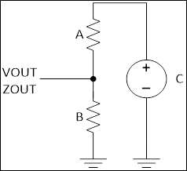
Goal: find resistor values [A, B] for given bias voltage [C] and desired [V]OUT and [Z]OUT |  |  |  |  | Revision | 1.00
 | Yellow cells are for user inputs and important text |  |  |  | This spreadsheet is created to aid customers of Texas Instruments. No warranties, either expressed or implied, with respect to this spreadsheet or its fitness for any particular purpose is claimed by Texas Instruments or the author. This spreadsheet is useable on an "as is" basis. The entire risk as to its quality and performance is with the customer.
 | Blue cells default to top results values

 | Step 1: Enter Data | Constant
 | C voltage | 5 | Volts
 | VOUT voltage | 1.5 | Volts
 | ZOUT resistance | 1000 | Ω

 | Reverse Thevenin Calculator Solution |  |  | Formula
 | Resistor A = | 3,333 | Ω | ZOUT * C / VOUT
 | Resistor B = | 1,429 | Ω | VOUT * A / (C - VOUT)

Goal: find [V]OUT and [Z]OUT values for given resistor values [A, B] and bias voltage [C]
 | If needed type over blue entries

 | Step 1: Enter Data | Constant
 | C voltage | 5 | Volts | Defaults to yellow C
 | A | 3,333 | Ω | Defaults to green A
 | B | 1,429 | Ω | Defaults to green B

 | Forward Thevenin Calculator Solution |  |  | Formula
 | VOUT = | 1.5 | Volts | C * B / (A+B)
 | ZOUT = | 1,000 | Ω | 1 / (1/A + 1/B)

