Sheet1
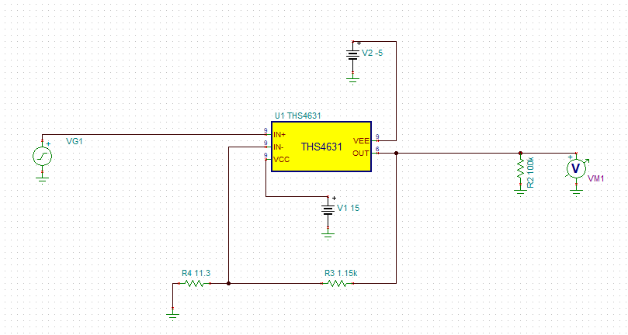
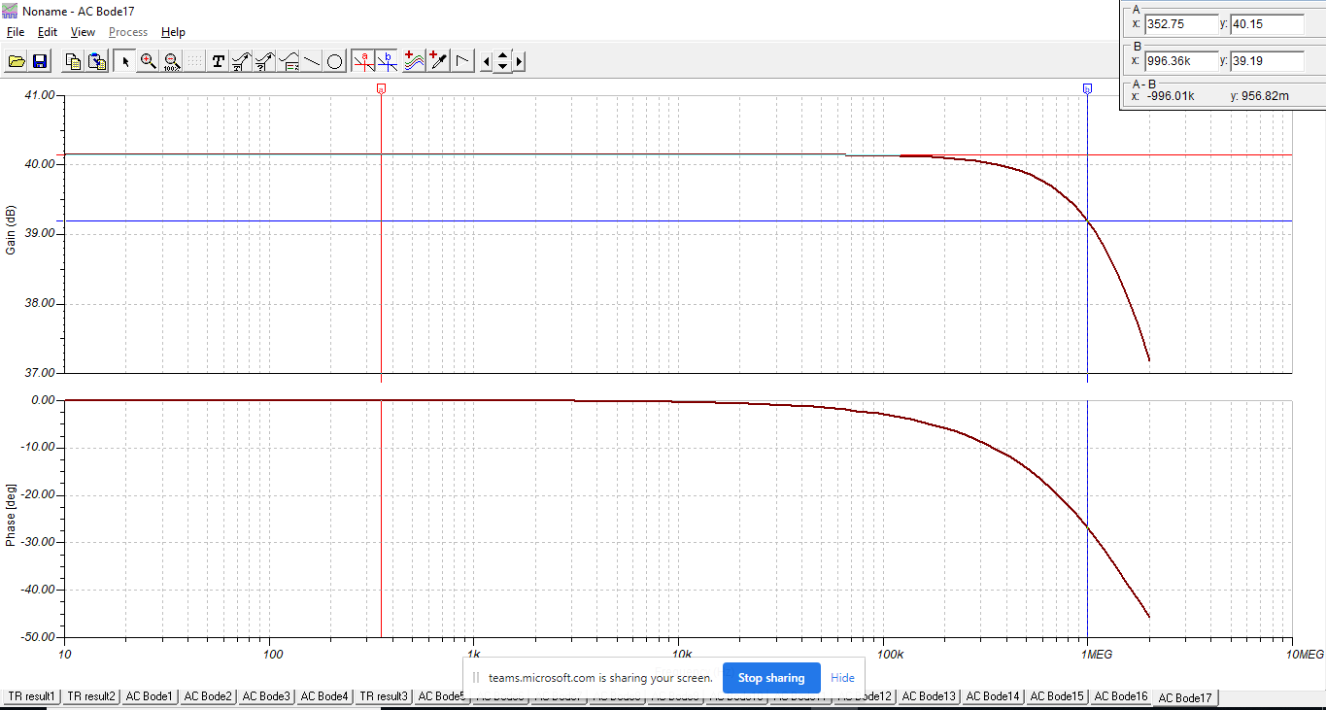
THS4631 - Small Signal Frequency Response
Case I |  |  | Case II |  |  | Case III |  |  | Case IV
 | dB | Acl |  | dB | Acl |  | dB | Acl |  | dB | Acl
Gain @ 100Hz | 26.74 | 21.7 | Gain @ 100Hz | 31.24 | 36.5 | Gain @ 100Hz | 32.54 | 42.4 | Gain @ 100Hz | 40.15 | 101.7
Gain @ 1 MHz | 26.7 | 21.6 | Gain @ 1 MHz | 31.11 | 35.9 | Gain @ 1 MHz | 32.36 | 41.5 | Gain @ 1 MHz | 39.19 | 91.1
Error % |  | 0.46 | Error % |  | 1.49 | Error % |  | 2.05 | Error % |  | 10.46

Case I
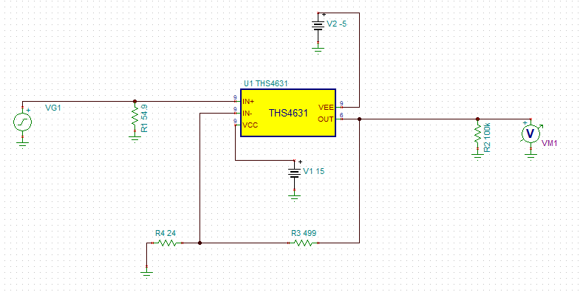

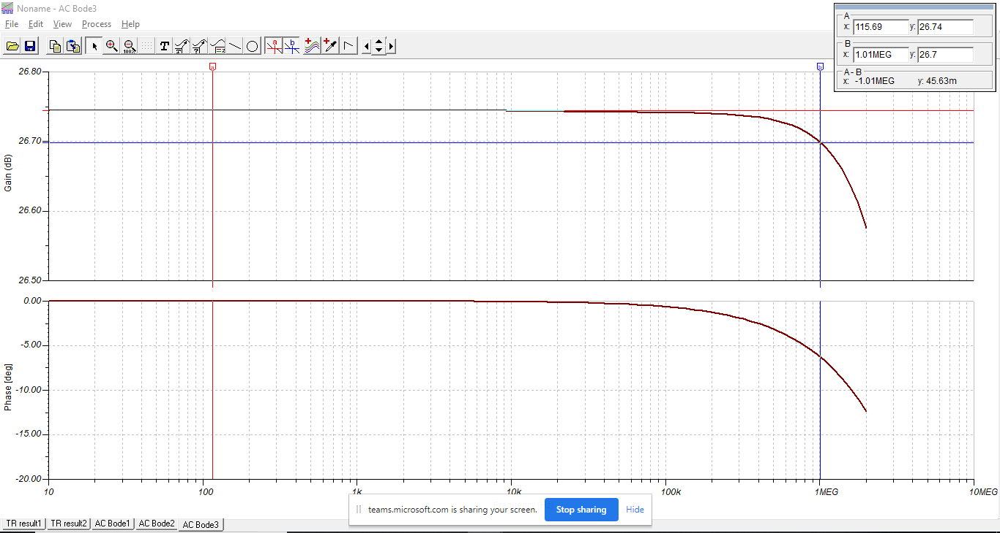

Case II

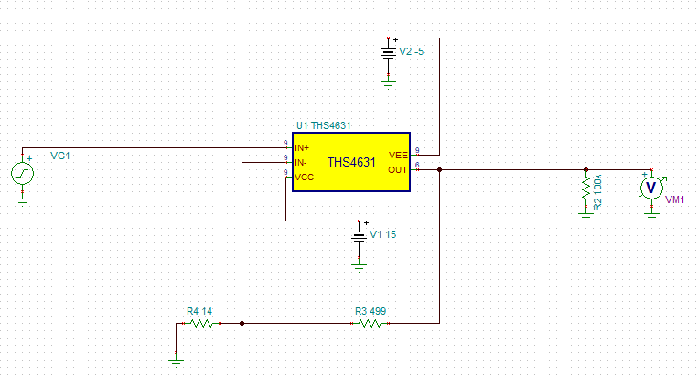

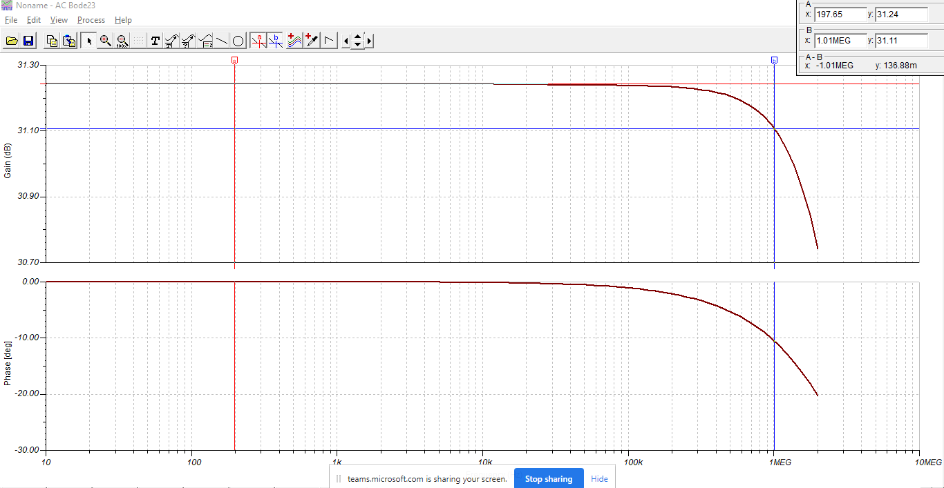

Case III
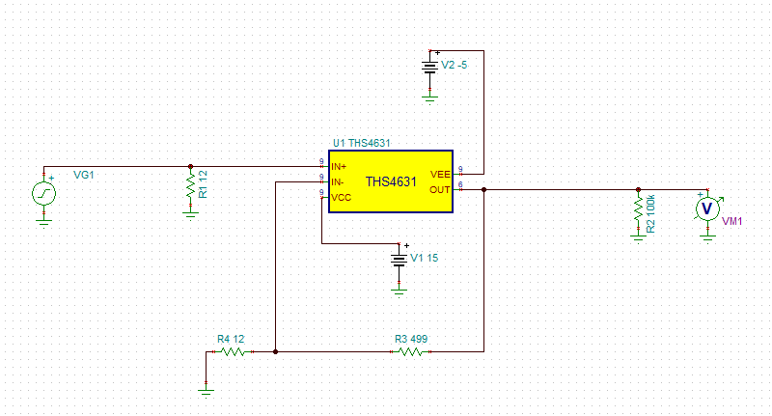

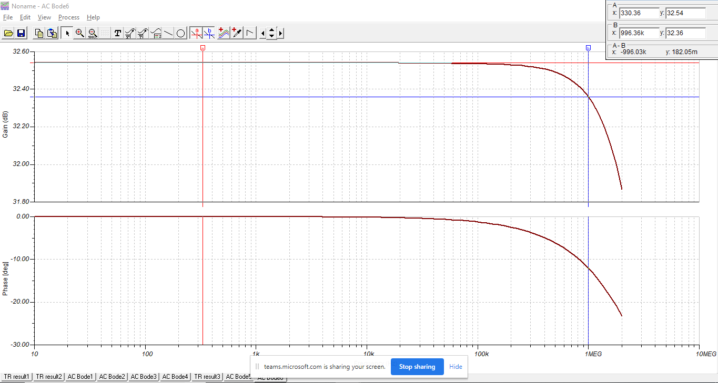

Case IV

