INA225-Q1
INA225-Q1

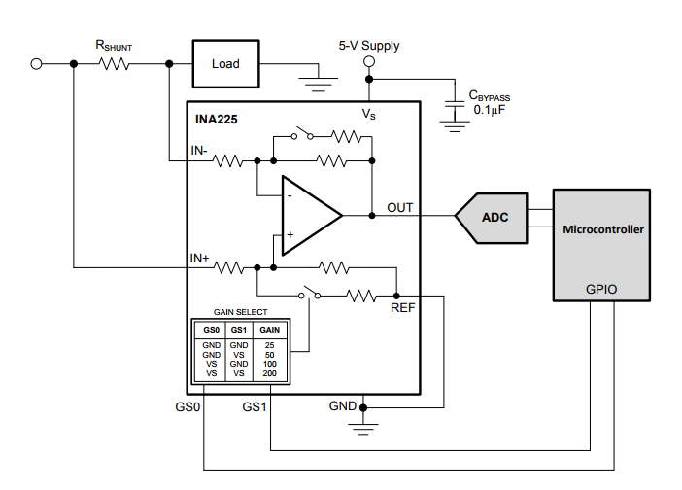
Current min | 0.085 | mA
Current max | 8 | mA
R Shunt | 15 | Ω
R Shunt | 1 | %
Gain | 25
Gain Error | 0.15 | %
Offset voltage | 150 | uV
・12V~V15
・0.085mA~8mA
・Open Detection
Offset drift | 0.5 | uV/℃
Input bias current(max) | 85 | uA
・10bit
・Vdd=3.5V
Input bias current(min) | 55 | uA
Reference voltage | 0.3 | V
Accuracy of ADC : 10bit@3.3V | 3.42 | mV

 | Output Voltage[V]
Current value | 0mA | 0.085mA | 8mA
not including error | 0.300 | 0.332 | 3.300
Maximum error voltage(+side) | 0.338 | 0.370 | 3.413
Minimum error voltage(-side) | 0.315 | 0.346 | 3.241

Max. error[0.085mA] - Min. error[0mA] | 8.519 | mV

