Solutions
Solving for Rt and then Rg1 and Rg2 in the single to differential FDA configuration with input impedance matching.

ENTER ONLY THE RED BOLD FIELDS
MAIN RESULTS IN BLUE BOLD FIELDS
Enter Source Rs |  | 50 | Ω | This is single ended input to differential output design with Rf selected and other elements solved for.
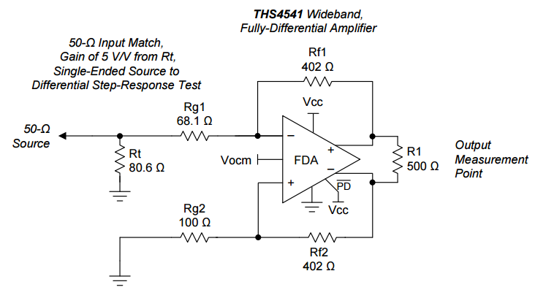
Example circuit showing naming convention
Enter Feedback Rf |  | 1.00E+03 | Ω
Maximum gain |  | 38.099751242 | V/V |  |  | The Rf's are equal,
Must enter a gain < this for valid solution |  |  |  |  |  | The source to be matched is Rs
Enter Target Gain |  | 1 | V/V | 0 | dB | Rt is the resistor to ground at the input
 |  |  |  |  |  | Rg1 is the signal path input R which has an active input Z
Compute intermediate terms
d= | 5750 | 35.217391304 |  |  |  | Rg2 is the impedance matched to that looking back from the other summing junction to the source.
b/2= | 101250 | 869.56521739
c= | 5000000

Now compute Rt = |  | 51.954457836
Compute alpha = |  | 0.975
Now compute Rg2 = |  | 1019.1699105
Now compute Rg1 = |  | 993.69066277

Now get standard 1% values
Required Rt value |  | 51.954457836 | Ω | 51.1
Closest 1% value |  | 52.3 | Ω | 52.3

Required Rg1 value |  | 993.69066277 | Ω | 976
Closest 1% value |  | 1000 | Ω | 1000

Required Rg2 value |  | 1019.1699105 | Ω | 1000
Closest 1% value |  | 1020 | Ω | 1020

Snapping Rf to closest 1% |  | 1000 | Ω | 1000
Closest 1% |  | 1000 | Ω | 1020

Steps
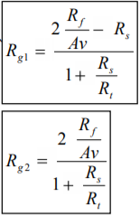
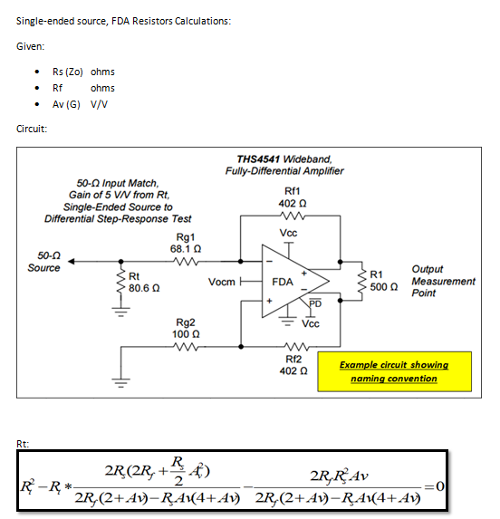

source: | http://www.eenewsanalog.com/content/dc-coupled-single-differential-design-solutions-using-fully-differential-amplifiers-part-2-2
---> | https://cms.edn.com/contenteetimes/documents/schweber/c0861/c0861webpt1.pdf

