ADC_Analysis_INA293
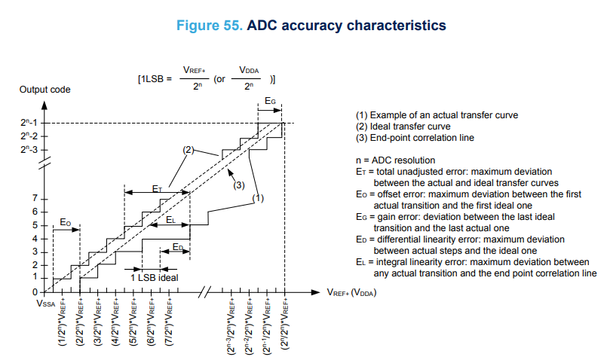
Current Measurement Circuit
To design the Current measurement circuit with 1mA ADC Accuracy in Minimum of 1mA current and 1mA Resolution.
Parameter | Min | Nom | Max | Unit | Tolerance | Remarks
Design Requirements /Inputs
Sensing_Current,Isense | 0.001 | 0.5 | 4 | A
Rsense | 0.02475 | 0.025 | 0.02525 | ohm | 1% | ERJ-8CWFR025V
Rsense Temperature co-efficient |  | 75 |  | ppm/°C
Change in Rsense due to Temperature co-efficient |  | 0.000000015 |  | ohm
Change in Rsense tolerance |  | 0.00006 |  | %
Max.Power dissipation on Rsense | 0.396 | 0.4 | 0.404 | W |  | Calculated value
Vshunt | 0.00002475 | 0.0125 | 0.101 | V
Gain | 24 |  | 100
Vcommon mode,Vcmsys | 8.999987625 |  | 39.9495 | V |  | ((Vin+)+(Vin-))/2
ADC Reference Voltage - Error calculation
Analog Reference Supply,VDDA,VREF+/VSSYS | 2.994 | 3 | 3.006 | V | 0.20 | LM4040B30IDBZR- shunt regulator
Error in voltage |  | 0.006 |  | V
Temperature co-efficient |  | 100 |  | ppm/°C |  | B Grade
Change in Voltage due to Temperature co-efficient |  | 0.00000135 |  | V
Change in supply tolerance |  | 0.00004 |  | %

MCU ADC Error calculation
ADC Resolution,n |  | 16 |  | Bits |  | STM32H7A3VI MCU
Sampling data rate |  | 3600000 |  | sps
Voltage corresponding to [1]LSB | 4.5684814453E-05 | 4.5776367188E-05 | 4.5867919922E-05 | V
Full scale value | 2.9939543152 | 2.9999542236 | 3.0059541321 | V
Offset error |  | 10 |  | LSB
Gain error |  | 15 |  | LSB
Differential linearity error |  | 3 |  | LSB
Integral linearity error |  | 10 |  | LSB
http://ww1.microchip.com/downloads/en/appnotes/atmel-8456-8-and-32-bit-avr-microcontrollers-avr127-understanding-adc-parameters_application-note.pdf
Total Unadjusted Error |  | 10 |  | LSB |  | Total uncompensated error that includes Quantization, Offset, Gain and Non-Linearity Errors
MCU ADC Accuracy Error in Voltage | 0.00045684814453 | 0.00045776367188 | 0.00045867919922 | V |  | TUE = 10LSB
MCU ADC Accuracy Error in Percentage | 0.0151981 | 0.0152590 | 0.0153202 | %
Resolution by cosndiering 20Gain |  | 0.000092 | 91.552734
Resolution by cosndiering 500Gain |  | 0.0000037 | 3.662109

Current sense Amplifier (INA293) Gain calculation
Op-amp supply voltage | 3.20 | 3.3 | 3.399 | V | 3%
Estiamted Gain for High current |  | 29.643112032 |  |  |  | Gain=Vo/(Is*Rs)
Available Gain factors |  | 20,50,100,200,500
Chosen Gain |  | 20
Gain error |  | 0.15 |  | %
Gain Drift |  | 10 |  | ppm/°C
Change in Gain due to Temperature drift |  | 0.00009 |  | ohm
Change in Gain tolerance due to Temperature drift |  | 0.000450 |  | %
For Gain=20,INA293A1-Q1
Gain | 19.97 | 20 | 20.03 |  | 0.15%
OP-amp Vsn |  | 0.007 |  | V |  | As per figure 6-23
Imin*Rsense*gain for Gain=20 |  | 0.000495 |  | V
 | Condition for Imin,Rsense not satisfied
Minium current sensed by 20 Gain | 0.013840625201 |  |  | A |  | Imin=Vsn/(Gain*Rs)
OP-amp Vsp |  | 3.349 |  | V |  | As per figure 6-22
Imax*Rsense*gain |  | 2.02303 |  | V
 | Condition for Imax,Rsense satisfied
 | Condition for ADC reference satisfied |  |  |  |  | Imax*Rsense*gain
Maxium current sensed by 500 Gain | 6.0575712053 |  |  |  |  | Imax=Vref/(Gain*Rs)
For Gain=500,INA293A5-Q1
Estiamted Gain for Lower current to achieve proper Vsn |  | 282.82828283 |  |  |  | Gain=Vsn/(Is*Rs)
Gain | 499.25 | 500 | 500.75 |  | 0.15%
Imin*Rsense*gain for Gain=500 |  | 0.012375 | 0.012375 | V |  | Gain=Vsn/(Imin*Rsense)
 | Condition for Imin,Rsense satisfied
Minium current sensed by 500 Gain | 0.00055362500803 |  |  | A |  | Imin=Vsn/(Gain*Rs)
Imax*Rsense*gain |  | 50.57575 |  | V
 | Condition for Imax,Rsense not satisfied
 | 0.27103281184 |  |  |  |  | Imax=Vsp/(Gain*Rs)
Maxium current sensed by 500 Gain | 0.24230284821 |  |  |  |  | Imax=Vref/(Gain*Rs)

Min.Gain that can be used for 1mA current rating and greater than 7mV output voltage is 282.Available Gain factor in this range is 500
But considering Gain =500,the amplifier output voltage is 50V for 4A which will be less than the Op-amp Vsn voltage.
The Maximum current that can be sensed by 500 Gain circuit is 242mA
Hence,Gain=500 circuit can be used only for 0.5mA-240mA
Max.Gain that can be used for 4A current rating and 3V analog refernce voltage is 29.Available Gain factor in this range is 20
But considering Gain = 20,the amplifier output voltage is 0.495mV for 1mA which will be less than the Op-amp Vsn voltage.
The Minium current that can be sensed by 20 Gain circuit is 13.8mA
Hence,Gain=20 circuit can be used only for 240mA-6A |  |  |  |  |  |  |  | 300 | 3 | 297 | 475.2 | 120 | 480
Hence,It is not possible to use the single - fixed gain amplifier for measuring 1mA-4A current range
Gain chosen for 0.5-240 mAcurrent range is 500 and chosen part is INA293A5-Q1 |  |  |  |  |  |  |  | 1 | 25 | 0.025 | 0.625 | 0.625 | 0.9952
Gain chosen for 240mA-4A current range is 20 and chosen part is INA293A1-Q1 |  |  |  |  |  |  |  | 0 | 25 | 0.025 | 0 | 0 | -0.0048 | mA error
Reference Diagram
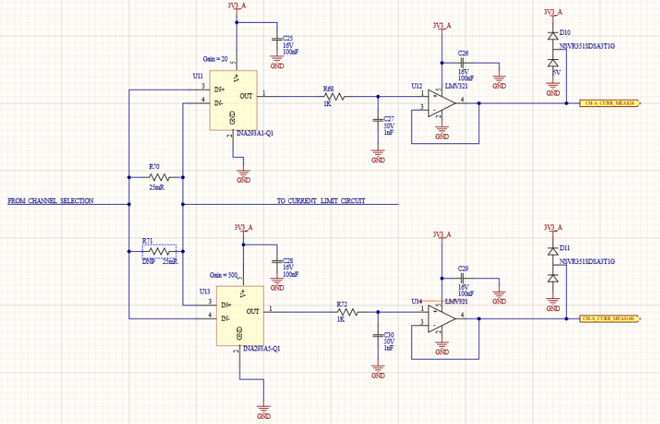

https://e2e.ti.com/support/amplifiers-group/amplifiers/f/amplifiers-forum/687022/ina169-error-budget-for-ina169?tisearch=e2e-sitesearch&keymatch=INA169#

Current sense Amplifier (INA293xx-Q1) Error calculation
Common-mode input range | -4 | 0.48 | 110 | V
Test condition:25degC,Vsense=0.5V,VCM=48V
Maximum quiscent current |  |  | 0.00225 | A
Rja |  |  | 184.7 | degC/W
Maxium junction temperature |  |  | 71.412539425 | degC
Offset error voltage(Initial) |  | 0.00003 | 0.00015 | V |  | INA293x1-Q1
Offset error voltage(Initial),eVos |  |  | 0.15 | %
Offset error voltage(Initial) |  | 0.000002 | 0.00002 | V |  | INA293x5-Q1
Offset error voltage(Initial),eVos |  |  | 0.02 | %
CMRR |  |  | 160 | dB
CMRR in dB |  |  | 0.0000011000 | V
VCM datasheet |  |  | 48 | V
Offset error voltage due to CMRR,eCMRR |  |  | 6.75E-04 | %
Vos_PSRR |  |  | 0.000008 | V |  | INA293x1-Q1
Vs_Datasheet |  |  | 5 | V
Offset error voltage due to PSRR,ePSRR |  |  | 1.27E-04 | %
Vos_PSRR |  |  | 0.000001 | V |  | INA293x5-Q1
Offset error voltage due to PSRR,ePSRR |  |  | 1.59E-05 | %
Input offset current |  |  | 0.00003 | A
Offset error voltage due to Bias current,eIBIAS |  |  | 7.50E-06 | %
Gain error,eGAIN |  |  | 0.15 | % |  |  |  | Rs*Gain | 0.625
Rsense tolerance |  |  | 0.1 | % |  |  |  |  | 0.631875 | 1.10% | vary in ssytem
Vos(drift) |  |  | 0.0000005 | uV/degC |  | INA293x1-Q1
Offset error voltage due to temperature drift |  |  | 7.4850299401E-06 | % |  |  |  | Current | Ideal Vout | Actual Vout | Error in Rs*Gain | Error in Rs*Gain( in %) | Current
Vos(drift) |  |  | 0.00000025 | uV/degC |  | INA293x5-Q1
Offset error voltage due to temperature drift |  |  | 3.7425149701E-06 | % |  |  |  | Current | Ideal Vout | Actual Vout | Error in Rs*Gain | Error in Rs*Gain( in %) | Current
Nonlinearity error |  |  | 0.01 | % |  |  |  | 0.001 | 0.000625 | 0.000631875 | 0.006875 | 1.1% | 0.001
Gain error due to temperature drift |  |  | 0.000450 | % |  |  |  | 0.01 | 0.00625 | 0.00631875 | 0.006875 | 1.1% | 0.01
Rsense error due to temperature drift |  |  | 0.000060 | % |  |  |  | 0.1 | 0.0625 | 0.0631875 | 0.006875 | 1.1% | 0.1
For Gain=20,INA293A1-Q1 |  |  |  |  |  |  |  | 1 | 0.625 | 0.631875 | 0.006875 | 1.1% | 1
Total error due to Op-amp |  |  | 0.233789091628 | % |  |  |  | 2 | 1.25 | 1.26375 | 0.006875 | 1.1% | 2
Non-calibrated error due to Op-amp |  |  | 0.0100103 | %
Non-calibrated error due to Op-amp in Voltage |  |  | 0.0003303 | V |  |  |  | 3 | 1.875 | 1.895625 | 0.006875 | 1.1% | 3
Non-Calibrated Error in Current due to Op-amp |  |  | 0.00066067996462 | A
Calibrated error due to Op-amp Offset |  |  | 0.1485164 | % |  | Offset error voltages can be calibrated in No-load condition.
calibrated error due to Op-amp offset in Voltage |  |  | 0.0049010 | V |  |  |  | 4 | 2.5 | 2.5275 | 0.006875 | 1.1% | 4
Calibrated Error in Current due to Op-amp |  |  | 0.00980208509735 | A
Calibrated Rsense+Gain error |  |  | 0.2500000 | % |  | Error voltage due to Rsense and Gain toleranace can be calibrated in Known-load condition.
Calibrated error due to Rsense+Gain tolernace in Voltage |  |  | 0.0082500 | V
Calibrated Error in Current due to Rsense+Gain tolernace |  |  | 0.01650000000000 | A
Total Non-calibrated error due to MCU & Shunt regulator ,eSUM |  |  | 0.01530402189670 | %
Non-Calibrated error due to MCU&Shunt regulator in Voltage |  |  | 0.0004591 | V
Calibrated Error in Current due to Rsense+Gain tolernace |  |  | 0.00091824131380 | A
Total Non-calibrated error due to Op-amp,MCU & Shunt regulator |  |  | 0.02531432439091 | %
Total Non-calibrated error due to Op-amp,MCU & Shunt Regulator in Voltage |  |  | 0.00078946063921 | V
Total Non-calibrated error in Current sense measurement |  |  | 0.00158 | A
Total Non-calibrated error in Current sense measurement with Margin |  |  | 0.00237 | A
Total error due to Op-amp,MCU & Shunt Regulator in Voltage |  |  | 0.01394 | V
Total Calibrated+Non-calibrated Error in Current sense measurement |  |  | 0.02788 | A
Total Calibrated+Non-calibrated Error in Current sense measurement with Margin |  |  | 0.04182 | A
For Gain=500,INA293A5-Q1 |  |  |  |  |  |  |  | 1 | 0.625 | 0.631875 | 0.006875 | 1.1% | 1
Total error due to Op-amp |  |  | 0.181639149966 | % |  |  |  | 2 | 1.25 | 1.26375 | 0.006875 | 1.1% | 2
Non-calibrated error due to Op-amp |  |  | 0.0100103 | %
Non-calibrated error due to Op-amp in Voltage |  |  | 0.0003303 | V |  |  |  | 3 | 1.875 | 1.895625 | 0.006875 | 1.1% | 3
Non-Calibrated Error in Current due to Op-amp |  |  | 0.00002642719304 | A
Calibrated error due to Op-amp Offset |  |  | 0.0198135 | % |  | Offset error voltages can be calibrated in No-load condition.
calibrated error due to Op-amp offset in Voltage |  |  | 0.0006538 | V |  |  |  | 4 | 2.5 | 2.5275 | 0.006875 | 1.1% | 4
Calibrated Error in Current due to Op-amp |  |  | 0.00005230763362 | A
Calibrated Rsense+Gain error |  |  | 0.2500000 | % |  | Error voltage due to Rsense and Gain toleranace can be calibrated in Known-load condition.
Calibrated error due to Rsense+Gain tolernace in Voltage |  |  | 0.0082500 | V
Calibrated Error in Current due to Rsense+Gain tolernace |  |  | 0.00066000000000 | A
Total Non-calibrated error due to MCU & Shunt regulator ,eSUM |  |  | 0.01530402189670 | %
Non-Calibrated error due to MCU&Shunt regulator in Voltage |  |  | 0.0004591 | V
Calibrated Error in Current due to Rsense+Gain tolernace |  |  | 0.00003672965255 | A
Total Non-calibrated error due to Op-amp,MCU & Shunt regulator |  |  | 0.02531432229211 | %
Total Non-calibrated error due to Op-amp,MCU & Shunt Regulator in Voltage |  |  | 0.00078946056995 | V
Error in Current sense measurement |  |  | 0.00006315684560 | A
Total error due to Op-amp,MCU & Shunt Regulator in Voltage |  |  | 0.00969330599021 | V
Error in Current sense measurement |  |  | 0.00077546447922 | A
 |  |  |  |  |  |  |  | 4 | 2.5 | 2.5275 | 0.006875 | 1.1% | 4

Conclusion
Current Measure circuit requires two current sense amplifier for each channel.
500 Gain current sense amplifier for Lower current range - 0.5mA-240mA
20 Gain current sense amplifier for Higher current range 240mA-6A
Due to this,we need 2*2=4 ADC ports for current sense circuits
Resolution for 20Gain circuit=91uA |  |  |  |  |  |  | We were proposing to have a two current sense circuit for each channel. |  |  |  |  |  |  |  | We were proposing to have a two current sense circuit for each channel. | We were proposing to have a two current sense circuit for each channel. | We were proposing to have a two current sense circuit for each channel. | We were proposing to have a two current sense circuit for each channel. | We were proposing to have a two current sense circuit for each channel. | We were proposing to have a two current sense circuit for each channel. | We were proposing to have a two current sense circuit for each channel. | We were proposing to have a two current sense circuit for each channel. | We were proposing to have a two current sense circuit for each channel. | We were proposing to have a two current sense circuit for each channel. | We were proposing to have a two current sense circuit for each channel. | We were proposing to have a two current sense circuit for each channel. | We were proposing to have a two current sense circuit for each channel. | We were proposing to have a two current sense circuit for each channel. | We were proposing to have a two current sense circuit for each channel. | We were proposing to have a two current sense circuit for each channel. | We were proposing to have a two current sense circuit for each channel. | We were proposing to have a two current sense circuit for each channel. | We were proposing to have a two current sense circuit for each channel. | We were proposing to have a two current sense circuit for each channel. | We were proposing to have a two current sense circuit for each channel. | We were proposing to have a two current sense circuit for each channel. | We were proposing to have a two current sense circuit for each channel. | We were proposing to have a two current sense circuit for each channel. | We were proposing to have a two current sense circuit for each channel. | We were proposing to have a two current sense circuit for each channel. | We were proposing to have a two current sense circuit for each channel. | We were proposing to have a two current sense circuit for each channel. | We were proposing to have a two current sense circuit for each channel. | We were proposing to have a two current sense circuit for each channel.
Resolution for500 Gain circuit=3.6uA |  |  |  |  |  |  | 20 Gain current sense amplifier for Higher current range and |  |  |  |  |  |  |  | 20 Gain current sense amplifier for Higher current range and | 20 Gain current sense amplifier for Higher current range and | 20 Gain current sense amplifier for Higher current range and | 20 Gain current sense amplifier for Higher current range and | 20 Gain current sense amplifier for Higher current range and | 20 Gain current sense amplifier for Higher current range and | 20 Gain current sense amplifier for Higher current range and | 20 Gain current sense amplifier for Higher current range and | 20 Gain current sense amplifier for Higher current range and | 20 Gain current sense amplifier for Higher current range and | 20 Gain current sense amplifier for Higher current range and | 20 Gain current sense amplifier for Higher current range and | 20 Gain current sense amplifier for Higher current range and | 20 Gain current sense amplifier for Higher current range and | 20 Gain current sense amplifier for Higher current range and | 20 Gain current sense amplifier for Higher current range and | 20 Gain current sense amplifier for Higher current range and | 20 Gain current sense amplifier for Higher current range and | 20 Gain current sense amplifier for Higher current range and | 20 Gain current sense amplifier for Higher current range and | 20 Gain current sense amplifier for Higher current range and | 20 Gain current sense amplifier for Higher current range and | 20 Gain current sense amplifier for Higher current range and | 20 Gain current sense amplifier for Higher current range and | 20 Gain current sense amplifier for Higher current range and | 20 Gain current sense amplifier for Higher current range and | 20 Gain current sense amplifier for Higher current range and | 20 Gain current sense amplifier for Higher current range and | 20 Gain current sense amplifier for Higher current range and | 20 Gain current sense amplifier for Higher current range and
Accuracy for 20 Gain circuit=1.5mA |  |  |  |  |  |  | 500 Gain current sense amplifier for Lower current range |  |  |  |  |  |  |  | 500 Gain current sense amplifier for Lower current range | 500 Gain current sense amplifier for Lower current range | 500 Gain current sense amplifier for Lower current range | 500 Gain current sense amplifier for Lower current range | 500 Gain current sense amplifier for Lower current range | 500 Gain current sense amplifier for Lower current range | 500 Gain current sense amplifier for Lower current range | 500 Gain current sense amplifier for Lower current range | 500 Gain current sense amplifier for Lower current range | 500 Gain current sense amplifier for Lower current range | 500 Gain current sense amplifier for Lower current range | 500 Gain current sense amplifier for Lower current range | 500 Gain current sense amplifier for Lower current range | 500 Gain current sense amplifier for Lower current range | 500 Gain current sense amplifier for Lower current range | 500 Gain current sense amplifier for Lower current range | 500 Gain current sense amplifier for Lower current range | 500 Gain current sense amplifier for Lower current range | 500 Gain current sense amplifier for Lower current range | 500 Gain current sense amplifier for Lower current range | 500 Gain current sense amplifier for Lower current range | 500 Gain current sense amplifier for Lower current range | 500 Gain current sense amplifier for Lower current range | 500 Gain current sense amplifier for Lower current range | 500 Gain current sense amplifier for Lower current range | 500 Gain current sense amplifier for Lower current range | 500 Gain current sense amplifier for Lower current range | 500 Gain current sense amplifier for Lower current range | 500 Gain current sense amplifier for Lower current range | 500 Gain current sense amplifier for Lower current range
Accuracy for 500 Gain circuit=0.06mA |  |  |  |  |  |  | Due to this,we need 2*2=4 ADC ports for current sense circuits |  |  |  |  |  |  |  | Due to this,we need 2*2=4 ADC ports for current sense circuits | Due to this,we need 2*2=4 ADC ports for current sense circuits | Due to this,we need 2*2=4 ADC ports for current sense circuits | Due to this,we need 2*2=4 ADC ports for current sense circuits | Due to this,we need 2*2=4 ADC ports for current sense circuits | Due to this,we need 2*2=4 ADC ports for current sense circuits | Due to this,we need 2*2=4 ADC ports for current sense circuits | Due to this,we need 2*2=4 ADC ports for current sense circuits | Due to this,we need 2*2=4 ADC ports for current sense circuits | Due to this,we need 2*2=4 ADC ports for current sense circuits | Due to this,we need 2*2=4 ADC ports for current sense circuits | Due to this,we need 2*2=4 ADC ports for current sense circuits | Due to this,we need 2*2=4 ADC ports for current sense circuits | Due to this,we need 2*2=4 ADC ports for current sense circuits | Due to this,we need 2*2=4 ADC ports for current sense circuits | Due to this,we need 2*2=4 ADC ports for current sense circuits | Due to this,we need 2*2=4 ADC ports for current sense circuits | Due to this,we need 2*2=4 ADC ports for current sense circuits | Due to this,we need 2*2=4 ADC ports for current sense circuits | Due to this,we need 2*2=4 ADC ports for current sense circuits | Due to this,we need 2*2=4 ADC ports for current sense circuits | Due to this,we need 2*2=4 ADC ports for current sense circuits | Due to this,we need 2*2=4 ADC ports for current sense circuits | Due to this,we need 2*2=4 ADC ports for current sense circuits | Due to this,we need 2*2=4 ADC ports for current sense circuits | Due to this,we need 2*2=4 ADC ports for current sense circuits | Due to this,we need 2*2=4 ADC ports for current sense circuits | Due to this,we need 2*2=4 ADC ports for current sense circuits | Due to this,we need 2*2=4 ADC ports for current sense circuits | Due to this,we need 2*2=4 ADC ports for current sense circuits
Datasheet reference

