10_別紙
 |  |  |  | Measured |  | Calculation
Vcc | 2.5 | [V] | Rx [kΩ] | uPC324GR | LM2902
R909, 919 | 10 | [kΩ] |  | Vo [V] | Vo [V] | Vo [V] | V- [V]
R918, 920 | 39 | [kΩ] | 12 | 0.524 | 0.524 | 0.522 | 2.37
R912 | 10 | [kΩ] | 13 | 0.413 | 0.490 | 0.411 | 2.39
R908 | 1.2 | [kΩ] | 14 | 0.316 | 0.503 | 0.313 | 2.42
R907 | 2.2 | [kΩ] | ∞(open) | 0.183 | 0.545 | 0.000 | 2.80
V+ | 1.99 | [V]

$$V_{+}=V_{cc}∗\frac{R920}{R919+R920}=2.5∗\frac{39k}{10k+39k}$$
Calculation

$$V_{−}=V_{CC}∗\frac{Rx}{Rx+R907}∗\left(1+\frac{R908}{R912}\right)=2.5∗\frac{Rx}{Rx+2.2k}∗\left(1+\frac{1.2k}{10k}\right)$$

$$V_{o}=V_{+}−\frac{R918}{R909}∗\left(V_{−}−V_{+}\right)=V_{+}−\frac{39k}{10k}∗(V_{−}−V_{+})$$

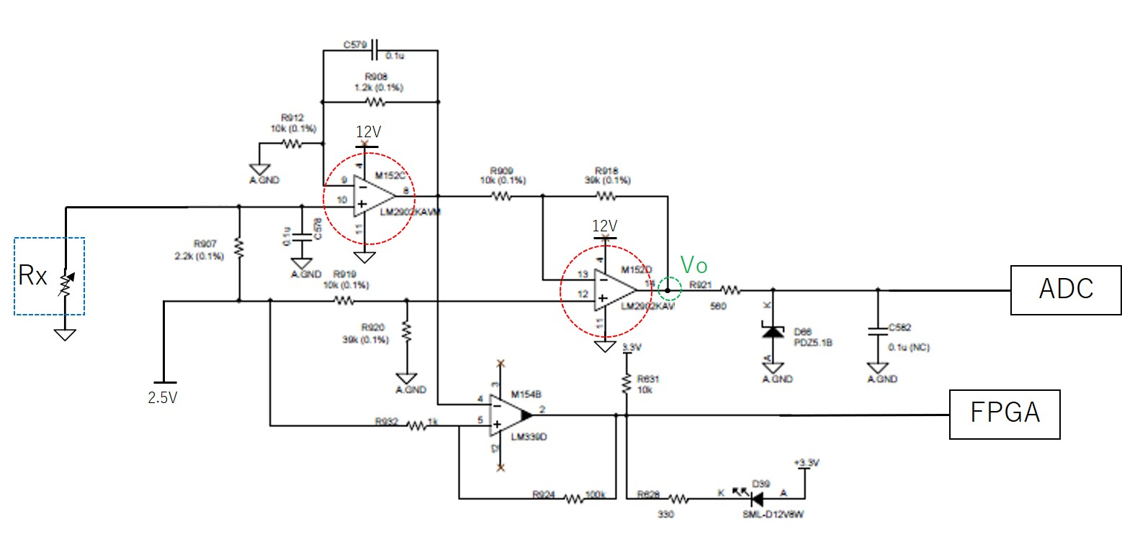
V+
Vcc =
V-

