Summary
TI bench result (for customer reference) | Load cases | DC load diag | AC load diag
 |  |  | Measured impedance | Measured phase in deg | Load impedance(ohm)
 | Open load | Open | 17.5 | -82 | 110
 | 4ohm resistor load | Normal | 4.3 | 4 | 4.3
 | Woofer only (tweeter open) | Normal | 19.9 | -75 | 56.8
 | Tweeter only (woofer open) | Open | 5 | 0 | 5.1
 | Woofer + tweeter | Normal | 5 | 7 | 4.8
 | Woofer + tweeter short | Normal | 0.9 | 0 | 1.3

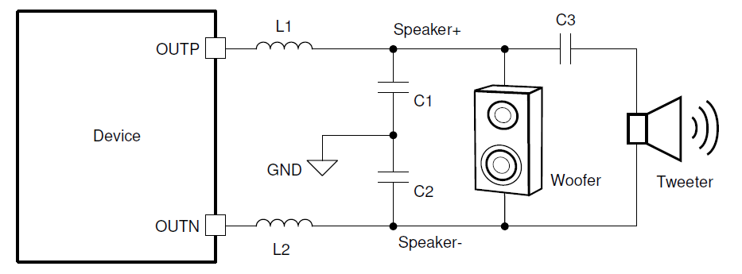

Load impedance calculation
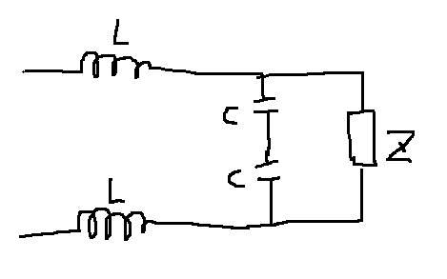
Note: Need user input in the yellow sheet.

 | Item | Value | Unit
 | Excitation frequency | 19000 | Hz
 | Excitation amplitude | 1 | 0dBFS = 1
 | Filter inductance | 0.000004 | H
 | Filter capacitance | 0.000001 | F

L-C Filter component impedance | jwL*2 | 0.955044
 | jwc/2 | 0.059690

 |  | register add | Read value(HEX)
Step 1: loop back phase measurement | phase register | 0x1b | 00
 |  | 0x1c | 53 |  | Measured impedance real | + | Measured impedance img | = |  |  | img
Step 2: Load impedance and phase measurement | phase register | 0x1b | 00 | Equation | 12.169983268 | + | -2.7643999823 |  | 1/((1/Z)+(jwc/2)) | + | 0.955044
 |  | 0x1c | 6A
 | Stimulus register | 0x1d | 02 | simplify equation | 12.169983268 | + | -3.719444 | = | 1/((1/Z)+(jwc/2)) |  |  | Do reciprocal to solve 1/Z
 |  | 0x1e | 87 |  | 161.942757515359
 | impedance register | 0x17 | 32 | simplify equation 2 | 0.075149907625 | + | 0.022967647372 | = | 1/Z |  | 0.059690
 |  |  |  | simplify equation 3 | 0.075149907625 | + | -0.036723 | = | 1/Z
Note: Gain = 1, I = 10mA, 0.2496Ohm/code | Measured impedance |  | 12.48 |  | 0.0069960589249663
 | Measured phase in deg |  | -12.797527048 | simplify equation 4 | 10.741748809 | + | 5.2490428455 | = | Z
 | Measure phase in rad |  | -0.2233589831
 | Measured impedance real |  | 12.169983268
 | Measured impedance img |  | -2.7643999823 | Load impedance real | 10.741748809
 |  |  |  | Load impedance img | 5.2490428455
 |  |  |  | Load impedance | 11.955652147

