Sheet1
 | TPS61022 5V Boost Converter Design Tool

 |  |  | User Input |  | ABOUT | Terms of Use

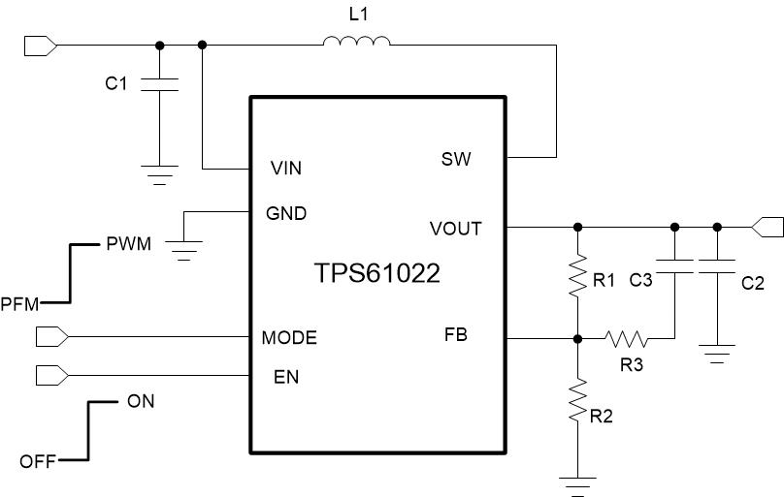
Input Voltage Parameters
Input Minimum Voltage | 2.7 | V
Input Norminal Voltage | 3.6 | V
Input Maximum Voltage | 4.2 | V

Output Parameters
Output Voltage | 5.5 | V
Maximum Output Current | 3.5 | A
Efficiency | 90 | %

Setting Output Voltage
Resistor Divider R2 | 100 | kΩ
Resistor Divider R1 | 817 | kΩ

Frequency and Duty at Normal Inout Voltage |  |  | 0.6
Switching Frequency | 1 | MHz | 2.68
Duty Cycle | 0.41 |  | 1

Inductor Current Waveform
Inductor Selection
Inductor DC Current | 5.94 | A
Inductor Peak-to-Peak Current Ratio | 40 | %
Calculated Inductance Value | 0.62 | uH
Selected Inductance Value L1 | 1.00 | uH
Inductor Peak-to-Peak Current | 1.48 | A
Inductor Peak Current | 6.68 | A
Inductor Valley Current | 5.20 | A

Output Capacitor Selection
Output Ripple | 50 | mV
Calculated Effective Output Capacitance | 39.07 | uF
Selected Effective Output Capacitance C2 | 30 | uF
Output Capacitor ESR | 2 | mΩ
Real Output Ripple | 78.5 | mV

Loop Stability and Feedforward Capacitor |  |  |  | time | IL
Zero Frequency Inducing by Feedforward Capacitor | 10000 | kHz |  | 0 | 5.20
Feedforward Capacitance C3 | 0 | pF |  | 0.41090909091 | 6.68
Resistor R3 in series with C3 | 0 | kΩ |  | 1 | 5.20
Cross-over Frequency | 8.1 | kHz |  | 1.4109090909 | 6.68
Phase Margin | 68.6 | ⁰ |  | 2 | 5.20
Gain Margin | 19.8 | dB

Loop Bode Plot
 | gain | phase
100 | 39.53 | 91.95
102 | 39.33 | 91.88
105 | 39.13 | 91.82
107 | 38.93 | 91.76
110 | 38.73 | 91.71
112 | 38.53 | 91.65
115 | 38.33 | 91.59
117 | 38.13 | 91.53
120 | 37.93 | 91.48
123 | 37.73 | 91.42
126 | 37.53 | 91.37
129 | 37.33 | 91.32
132 | 37.13 | 91.27
135 | 36.93 | 91.21
138 | 36.73 | 91.16
141 | 36.53 | 91.11
145 | 36.33 | 91.06
148 | 36.13 | 91.01
151 | 35.93 | 90.96
155 | 35.73 | 90.92
158 | 35.53 | 90.87
162 | 35.33 | 90.82
166 | 35.13 | 90.77
170 | 34.93 | 90.73
174 | 34.73 | 90.68
178 | 34.53 | 90.63
182 | 34.33 | 90.59
186 | 34.13 | 90.54
191 | 33.93 | 90.50
195 | 33.73 | 90.45
200 | 33.53 | 90.41
204 | 33.33 | 90.37
209 | 33.13 | 90.32
214 | 32.93 | 90.28
219 | 32.73 | 90.24
224 | 32.53 | 90.19
229 | 32.33 | 90.15
234 | 32.13 | 90.11
240 | 31.93 | 90.06
245 | 31.73 | 90.02
251 | 31.53 | 89.98
257 | 31.33 | 89.93
263 | 31.13 | 89.89
269 | 30.93 | 89.85
275 | 30.73 | 89.80
282 | 30.53 | 89.76
288 | 30.33 | 89.72
295 | 30.13 | 89.67
302 | 29.93 | 89.63
309 | 29.73 | 89.58
...

