Param
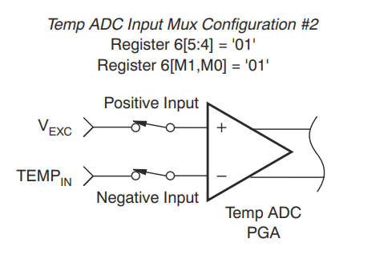

Figure 6-2
Table 6-3 used as a reference
 | Figure 2-16

