Sheet1 (English)
 | Digital Power meter （WT110）
 | Voltage(V) | Current(A) | Power(W) | Frequency(Hz) | Power Factor(PF) | Reactive power(var) | Apparent power(VA)
Display value | 100 | 1.043 | 64.8 | 50 | 0.621 | 81.9 | 104.5 | Active power：
Theoretical value | 100 | 1.043 | 64.7703 | 50 | 0.62009569378 | 81.751441809 | 104.43490796

 |  |  |  |  |  |  |  |  | Reactive power：
 | TI-EVM GUI (EVM430-F6779)
 | Voltage(V) | Current(A) | Power(W) | Frequency(Hz) | Power Factor(PF) | Reactive power(var) | Apparent power(VA) | Apparent power：
Display value | 99.985 | 1.046 | 63.8192219 | 50 | 0.8583 | 38.139353 | 74.347178
Theoretical value | 99.985 | 1.046 | 89.764713273 | 50 | 0.85839467774 | 53.667253975 | 74.347181057
Theoretical value2 | 99.985 | 1.046 | 63.8192219 | 50 | 0.61021793709 | 82.855203906 | 104.58431 | From the Pythagorean theorem
 |  |  |  |  |  |  |  | Apparent power^2 = Active power^2 + Reactive power^2 から
About theoretical formulas | Active power = voltage x current x power factor (Cosθ) |  |  |  |  |  |  | Apparent power=root(（Active power^2)+(Reactive power^2)
 | Reactive power = voltage x current x inefficiency (Sinθ) = voltage x current x (root (1-power factor^2))
 | Apparent power = root((active power^2)+(reactive power^2))

About theoretical value2 | Since the active power has the same value as the power meter, calculate the power factor from the active power.
 | Power meter | 64.8
 | TI-EVM GUI | 63.8192219

 | From, active power = voltage x current x power factor (Cosθ),
 | Power factor (Cosθ) = active power/(voltage x current)
 | Recalculated value | 0.61021793709 |  | Power meter | 0.621
 |  |  |  | TI-EVM GUI | 0.8583 | *There are differences from the theoretical formula results.

 | ＜About calibration＞
 | There are three setting items to calibrate: voltage, current, and phase.
 | Only GAIN and Phase are subject to EVM (meter side) due to calibration.
 | Verify that the power factor value does not change if the calibration phase is adjusted to the wrong value.
 | However, we confirmed that the values of active power, reactive power, and apparent power vary depending on the setting values.
 | *We understand that the correct way to do this is to change the phase using equipment used by power meter certification bodies.
 | However, please note that we are testing the movement by shifting the phase of the GUI side in a temporary environment.

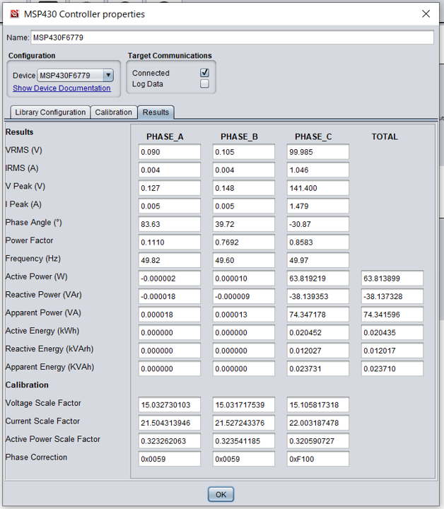

Perform calibration

