Sheet1
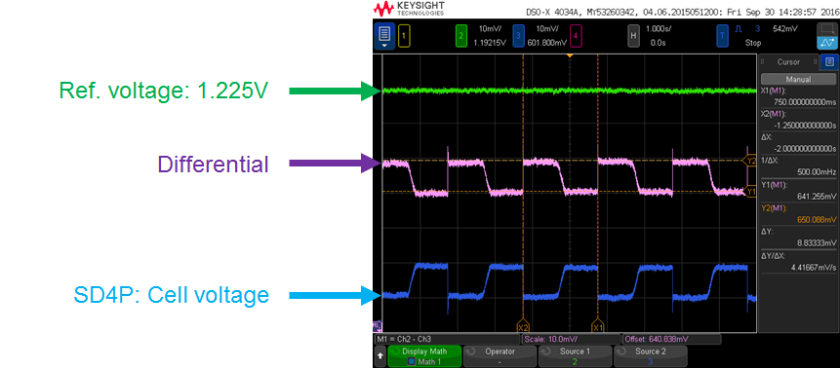
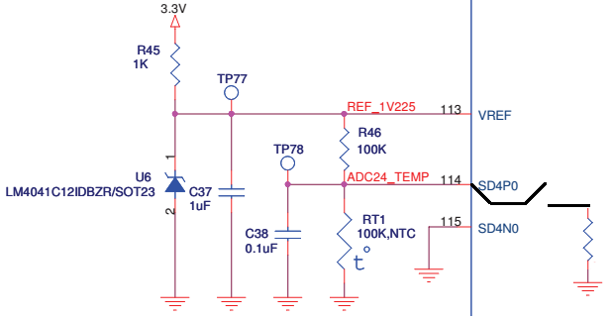
V_REF | 1.225 | V
R46 | 100 | k-ohm | modify val | 100
RT1 | 100 | k-ohm | modify val | 100
internal R | 200 | k-ohm | modify val | 400

V_R46(off) | 0.6125 | V | result
V_RT1(off) | 0.6125 | V | result
I_R46(off) | 6.125 | uA | result
I_RT1(off) | 6.125 | uA | result

RT1 // R_in | 66.666666667 | k-ohm | result
V_R46(on) | 0.735 | V | result
V_RT1(on) | 0.49 | V | result
I_R46(on) | 7.35 | uA | result
I_RT1(on) | 4.9 | uA | result
I_R_internal | 2.45 | uA | result

V_diff_on/off | 122.5 | mV | result

