Sheet1
CH1:PC → MCU
CH2:MCU → PC

1 | Runs at 9600bps
 | serial_flash_programmer_appln.exe -d f28003x -k flash_kernel_ex3_sci_flash_kerne_Aspina_SciPin_GPIO8_9.txt -a StepDriver.txt -b 9600 -p COM10 -v
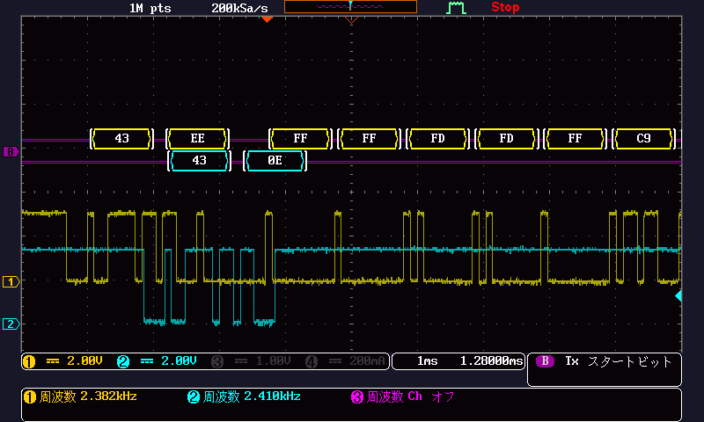
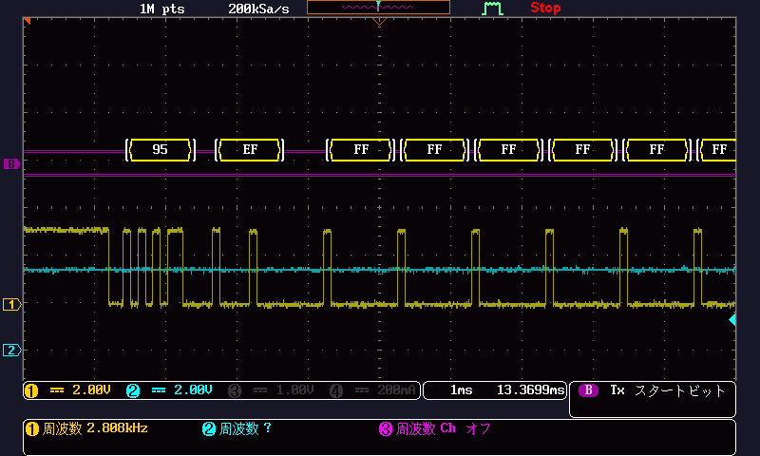
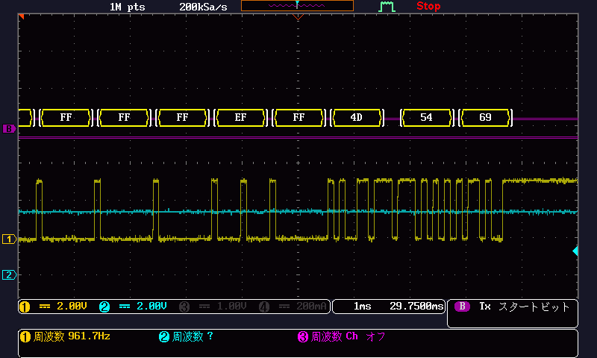

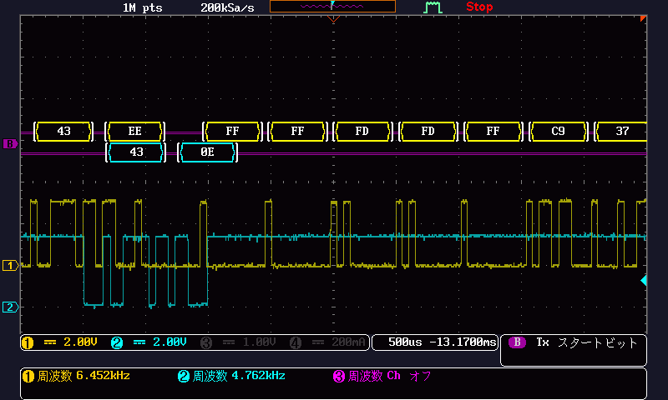
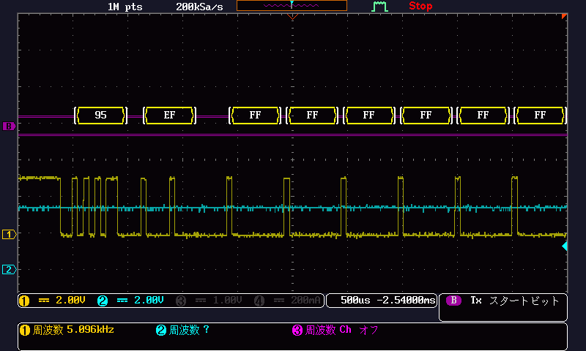
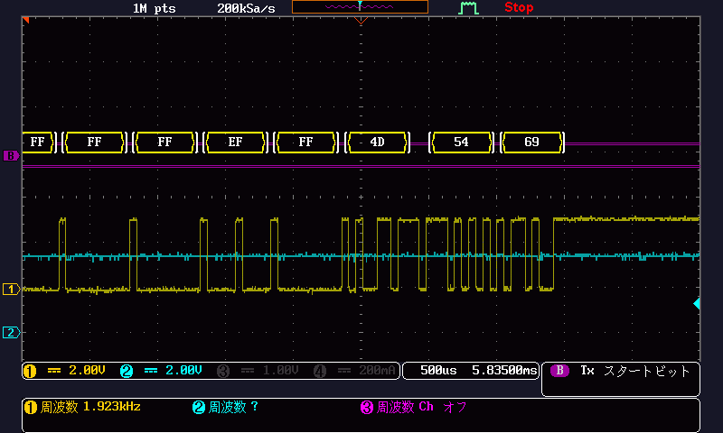
2 | Runs at 19200bps
 | serial_flash_programmer_appln.exe -d f28003x -k flash_kernel_ex3_sci_flash_kerne_Aspina_SciPin_GPIO8_9.txt -a StepDriver.txt -b 19200 -p COM10 -v
 |  | Eevee

