Design Calculator
Note: The components calculated in this worksheet are reasonable starting values for a design using the LM5060 Hot-swap Controller. As such, they are not optimized for any particular performance attribute. Tolerances of the components are not included in the calculations. See the Instructions tab for additional information.
Consult the LM5060 datasheet for more detail.
LM5060 Hot Swap Design Tool
 | www.ti.com/hotswap
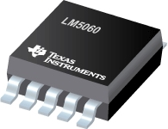

 |  |  | Enter Values in Green Shaded Cells
 |  |  | Calculated Values are shown in White Cells
 |  |  | Yellow and Red cells highlight potential issues with the design. Red highlights items that are higher risk.

 | Step 0: Calculator Tutorials |  | Note: Before proceeding, please watch the video tutorials listed to ensure accurate results from this tool!

 |  |  | Steps 1 & 2: Operating Conditions, Current Limit, & Circuit Breaker (7:41)
 |  |  | Step 3: MOSFET Selection (9:58)
 |  |  | Step 4: Startup (10:32)
 |  |  | Step 5: UVLO, OVLO & PGD Thresholds (4:20)
 |  |  | LM5060 Datasheet

 |  |  | I understand and agree to watch the video tutorials if help is needed. (Choose Yes to enable the calculator.) |  |  | Yes |  |  |  |  | No
 |  |  | Assure to follow the layout and application guidelines listed on the datasheet. |  |  | Yes
 |  |  | *For additional questions not addressed in the videos, please post on E2E.ti.com |  |  |  |  |  |  |  | Yes

 | Step 1: Operating Conditions |  |  | Minimum Input Operating Voltage: VIN(MIN) | 9 | V
 |  |  |  | Nominal Input Operating Voltage: VIN(NOM) | 19 | V
 |  |  |  | Maximum Input Operating Voltage: VIN(MAX) | 36 | V
 |  |  |  | Worst Case Reverse Polarity Voltage |  | V
 |  |  |  | Maximum Load Current: IOUT(MAX) | 30 | A
 |  |  |  | Maximum Output Load Capacitance: Cload | 1330 | µF
 | Steps 1 & 2: Operating Conditions, Current Limit, & Circuit Breaker |  |  | Maximum Ambient Operating Temperature: TMAX | 85 | oC

 | Step 2: MOSFET Selection + Current Limit |  |  | Reverse Polarity | YES |  |  |  |  |  | NO
 |  |  |  | MOSFET Name | P0706BD |  |  |  |  |  | YES
 |  |  |  | Back to Back FETs? | YES
 |  |  |  | # of Parallel FETs | 2
 |  |  |  | Minimum Output Pin Resistance | 0 | kΩ
 |  |  |  | Output Pin Resistance: Rout | 10 | kΩ
 |  |  |  | T = 25C Rds-on typical | 5.1 | mΩ
 | Steps 1 & 2: Operating Conditions, Current Limit, & Circuit Breaker |  |  | T = 25C Rds-on max | 7.5 | mΩ
 |  |  |  | Calculated estimate of T = 25C Rds-on min | 3.468 | mΩ
 |  |  |  | Normalized Rds-on coefficient at Tmin | 0.8
 |  |  |  | Normalized Rds-on coefficient at Tmax | 1.2
 |  |  |  | Rs min (calculated) | 36.18 | kΩ
 |  |  |  | Actual Rs used | 100 | kΩ
 |  |  |  | Minimum Worst-Case Overcurrent Threshold | 94.30 | A
 |  |  |  | Typical Overcurrent Threshold | 198.69 | A
Max R_{S} = 45 mV
(Max Load Current x 1.01)
The 1.01 factor provides 1% margin from the max. normal load current.
 | Step 3: MOSFET Selection |  |  | Maximum Worst-Case Overcurrent Threshold | 415.40 | A

 | Step 3: Fault Detection Delay Time |  |  | Gate Charge at Mosfet Vgs= 6.5 Volts | 58.00 | nC |  |  |  |  | NO
 |  |  |  | Safety Margin | 1.5 |  |  |  |  |  | YES
 |  |  |  | Gate Charge at Mosfet Vgs= 6.5 Volts With Margin | 87 | nC
 |  |  |  | Inrush Current Control | YES
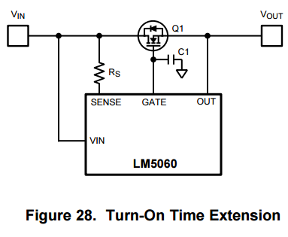
 |  |  |  | Desired Maximum Inrush Current | 220 | mA
 |  |  |  | Recommended Capacitance CGate | 187.40909091 | nF
C_{Gate}
 |  |  |  | Actual Capacitor CGate | 4.7 | nF
 |  |  |  | Actual Maximum Inrush Current | 8772.3404255 | mA
 | Step 4: Startup |  |  | Calculated Maximum Slew Rate | 6.5957446809 | V/ms
 |  |  |  | Maximum Startup Time | 21.80 | ms
 |  |  |  | Typical Startup Time | 15.58 | ms
 |  |  |  | Minimum Startup Time | 11.88 | ms
 |  |  |  | Minimum Timer Capacitance Ctimer | 76.29 | nF
 |  |  |  | Actual Used Timer Capacitance | 100 | nF
 |  |  |  | Startup Fault Delay Time(Min) | 28.57 | ms
 |  |  |  | Startup Fault Delay Time(Typical) | 33.33 | ms
 |  |  |  | Startup Fault Delay Time(Max) | 50.00 | ms
 |  |  |  | Over-Current Fault Delay Time(Min) | 15.38 | ms
 |  |  |  | Over-Current Fault Delay Time(Typical) | 18.18 | ms
 |  |  |  | Over-Current Fault Delay Time(Max) | 23.53 | ms

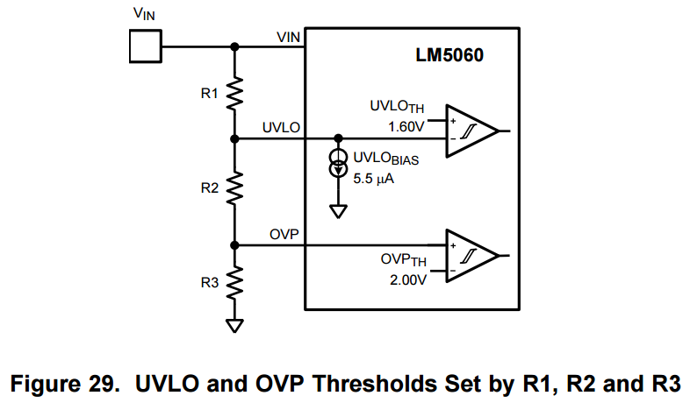
 | Step 5: UVLO & OVLO Thresholds |  |  |  | Option B |  |  |  | OPTION A |  | Option A
 |  |  |  |  | No Hysteresis |  |  |  |  |  | Option B
 |  |  |  | Desired Typical OVLO | 40 | V |  |  |  |  | Include Hystersis
 |  |  |  | Desired Typical UVLO | 7.7 | V |  |  |  |  | No Hysteresis
 |  |  |  | R11 | 28.7 | kW
 |  |  |  | Recommended Resistance for: R10 | 109.41 | kW
 |  |  |  | Enter the Resistance for R10 | 100 | kW
 | Step 5: UVLO, OVLO & PGD Thresholds |  |  | R9 | 5.23 | kW
 |  |  |  | Recommended Resistance for R8 | 99.37 | kW
 |  |  |  | Enter the Resistance for R8 | 100 | kW
 |  |  |  |  |  |  |  |  | OPTION B
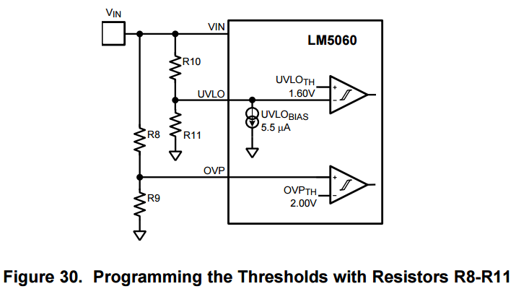
 |  | Resulting Thresholds: | Minimum | Typical | Maximum
 |  | Upper OVLO Threshold = | 37.83 | 40.24 | 42.66 | V
 |  | Lower OVLO Threshold = | 33.24 | 35.41 | 37.83 | V
 |  | Upper UVLO Threshold = | 6.08 | 7.72 | 8.57 | V
 |  | Lower UVLO Threshold = | 5.85 | 6.92 | 8.03 | V
 |  | Note: If any of the cells above are yellow, then these values are outside of the device's operating range. This will result in the device turning either on or off at its operating limits rather than at the user selected values in yellow.

Note: If reverse polarity protection is needed, see LM5060 Datasheet for latest diagram.
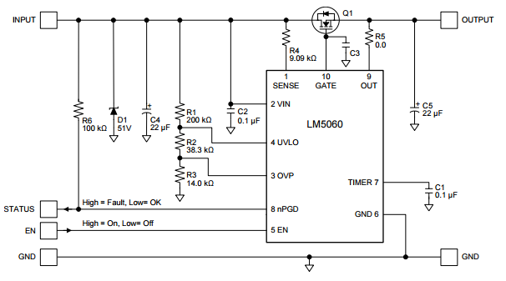
 | Design Summary |  |  | R1 = | 28.7 | kW
 |  |  |  | R2 = | 100.00 | kW |  |  | Settings | Units
 |  |  |  | R3 = | 100 | kW |  | Typical Over-Current Threshold | 198.69 | A
C_{Gate}
 |  |  |  | Rs = | 100.00 | kW |  | Startup Delay Time | 33.33 | ms
R_{s}
 |  |  |  | R5= | 10 | kW |  | Over-Current Fault Delay | 18.18 | ms
 |  |  |  | R8 = | 100 | kW |  | Upper OVLO Threshold | 40.24 | V
 |  |  |  | R9 = | 100.0 | kW |  | Lower OVLO Threshold | 35.41 | V
C_{in}
 |  |  |  | R10 = | 100.0 | kW |  | Upper UVLO Threshold | 7.72 | V
 |  |  |  | R11 = | 100 | kW |  | Lower UVLO Threshold | 6.92 | V
 |  |  |  | CTimer = | 100.00 | nF | OPTION B
 |  |  |  | Cin = | 100 | nF
C_{timer}
 |  |  |  | CGate = | 5 | nF
 |  |  |  | CLoad = | 1330 | µF
 |  |  |  | D1 | SMBJ51A-13-F
 |  |  |  | Q1 | P0706BD

 | Notes: | 1. Although not mandatory, Cin provides transient suppression at the VIN pin
 |  | 2. A TVS clamp from VIN to GND is absolutely mandatory to clamp the voltage overshoot upon MOSFET turn-off, e.g. during circuit breaker
 |  | 3. Componet tolerances not accounted for in Min/Max Calculations.

