Design Calculator
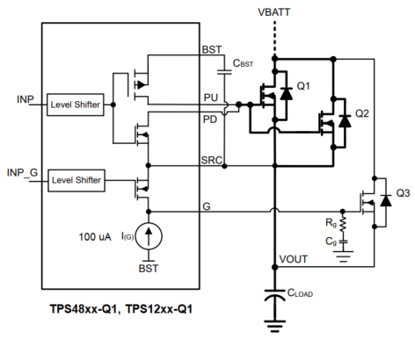
Mosfet SOA Margin Calculator during dvdt/Inrush limit Startup
Note: This worksheet provides reasonable understanding on the Mosfet SOA margin while starting up with dvdt control.Tolerances of the components are not included in the calculations. See the Instructions tab for additional information.
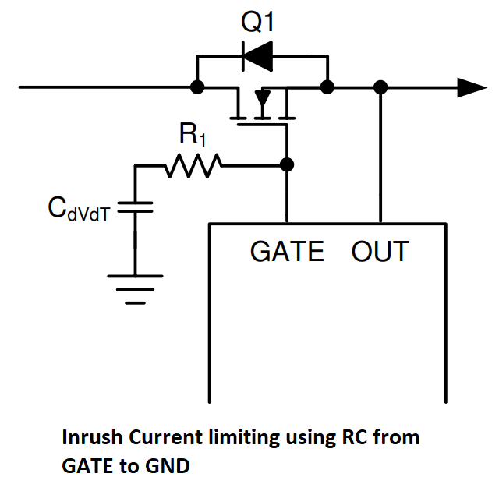

 |  | Enter Values in Green Shaded Cells
 |  | Calculated/Suggested Values are shown in White Cells
 |  | Yellow and Red cells highlight pottential issues with the design. Red highlights items that are higher risk.

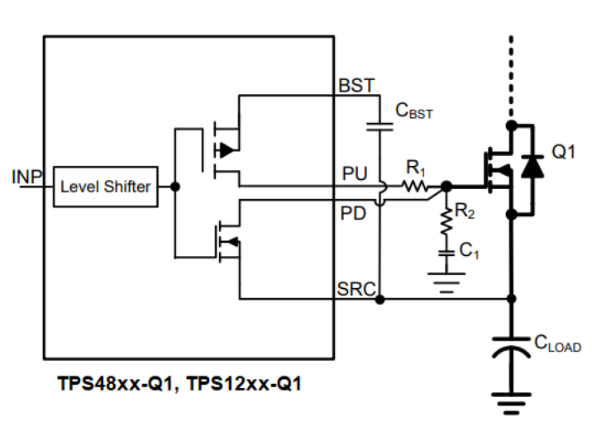
 | Step 1: Operating Conditions |  | Minimum Input DC Operating Voltage: VIN(MIN) | 40 | V | Device | GATE Source Current | Units
 |  |  | Nominal Input DC Operating Voltage: VIN(NOM) | 50 | V | LM74502-Q1 | 60 | µA
 |  |  | Maximum Input DC Operating Voltage: VIN(MAX) | 55 | V | LM7480x-Q1 | 55 | µA
 |  |  | Maximum Load Current: IOUT(MAX) | 50 | A | LM7472x-Q1 | 50 | µA
 |  |  | Maximum Output Load Capacitance: COUT | 2800 | µF | LM749x0-Q1 | 55 | µA
 |  |  | Maximum Ambient Operating Temperature: TMAX | 55 | oC
 |  |  | Required Maximum allowed Inrush Current | 1000 | mA | TPS48xx-Q1, TPS12xx-Q1 | 100 | µA | Pre-charge GATE; Rg = 220Ω
 | Steps 1 & 2: Operating Conditions, Current Limit, & Circuit Breaker |  | Enter GATE Source Current of the controller | 55 | µA
 |  |  |  |  |  | TPS48xx-Q1, TPS12xx-Q1 | 75.6 | µA | R1 = 100kΩ; R2 = 10Ω

 | Temp Derated FET SOA | FET Operating SOA Limit
55.00 | 1.60 | 7.00
54.47 | 1.62 | 7.00
53.94 | 1.63 | 7.00
53.41 | 1.65 | 7.00
52.88 | 1.66 | 7.00
52.36 | 1.68 | 7.00
51.83 | 1.70 | 7.00
51.30 | 1.72 | 7.00
50.77 | 1.73 | 7.00
50.24 | 1.75 | 7.00
49.71 | 1.77 | 7.00
49.18 | 1.79 | 7.00
48.65 | 1.81 | 9.12
48.13 | 1.83 | 9.29
47.60 | 1.85 | 9.47
47.07 | 1.87 | 9.64
46.54 | 1.89 | 9.82
46.01 | 1.91 | 10.00
45.48 | 1.93 | 10.17
44.95 | 1.96 | 10.35
44.42 | 1.98 | 10.53
43.89 | 2.00 | 10.70
43.37 | 2.03 | 10.88
42.84 | 2.05 | 11.05
42.31 | 2.08 | 11.23
41.78 | 2.11 | 11.41
41.25 | 2.13 | 11.58
40.72 | 2.16 | 11.76
40.19 | 2.19 | 11.94
39.66 | 2.22 | 12.11
39.13 | 2.25 | 12.29
38.61 | 2.28 | 12.46
38.08 | 2.31 | 12.64
37.55 | 2.34 | 12.82
37.02 | 2.38 | 12.99
36.49 | 2.41 | 13.17
35.96 | 2.45 | 13.35
35.43 | 2.48 | 13.52
34.90 | 2.52 | 13.70
34.38 | 2.56 | 13.88
33.85 | 2.60 | 14.05
33.32 | 2.64 | 14.23
32.79 | 2.68 | 14.40
32.26 | 2.73 | 14.58
31.73 | 2.77 | 14.76
31.20 | 2.82 | 14.93
30.67 | 2.87 | 15.11
30.14 | 2.92 | 15.29
29.62 | 2.97 | 15.46
29.09 | 3.03 | 15.64
...
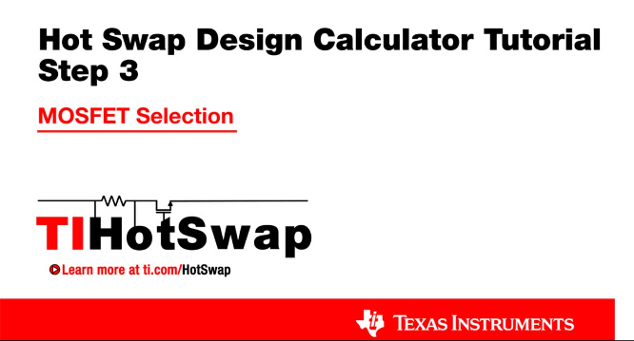
 | Step 2: MOSFET Selection |  | FET driven by GATE | SM1A14NHLD
 |  |  | Estimated MOSFET RQJA | 40 | oC/W
 |  |  | Number of MosFETs in parallel driven by HGATE | 2 | #
 |  |  | MOSFET On resistance @ TJ,DC | 1.9 | mW
 |  |  | Maximum FET Junction Temperature | 175 | oC
 |  |  | 100ms SOA Current (re-use 1ms data if unavailable) @ VIN(MAX) | 100.0 | A
 |  |  | 1ms SOA Current @ VIN(MAX) | 8.0 | A
 |  |  | 10ms SOA Current @ VIN(MAX) | 2.0 | A
 |  |  | 100ms Current at @ VIN(MAX) (use DC if 100ms not available) | 2.0 | A
 | Step 2: MOSFET Selection |  | 1s or DC SOA Current at @ VIN(MAX) (use DC if 1s not available) | 2.0 | A
 | Note: TI recommends choosing a FET with SOA current specified for 100ms and/or 1s or DC. If choosing a FET without these parameters, this calculator will estimate the values via extrapolation, which leaves an inherent associated risk. |  | FET Power dissapation at full load (per FET) | 1.1875 | W
 |  |  | Maximum steady state FET Junction Temperature (TJ,DC) | 102.5 | oC

ILOAD and IFET vs Vout (VIN = VINMAX)
 | ILOAD | IFET
0.00 | 0.000 | 7
0.53 | 0.000 | 7
1.06 | 0.000 | 7
1.59 | 0.000 | 7
2.12 | 0.000 | 7
2.64 | 0.000 | 7
3.17 | 0.000 | 7
3.70 | 0.000 | 7
4.23 | 0.000 | 7
4.76 | 0.000 | 7
5.29 | 0.000 | 7
5.82 | 0.000 | 7
6.35 | 2.115 | 9.1153846154
6.88 | 2.292 | 9.2916666667
7.40 | 2.468 | 9.4679487179
7.93 | 2.644 | 9.6442307692
8.46 | 2.821 | 9.8205128205
8.99 | 2.997 | 9.9967948718
9.52 | 3.173 | 10.173076923
10.05 | 3.349 | 10.349358974
10.58 | 3.526 | 10.525641026
11.11 | 3.702 | 10.701923077
11.63 | 3.878 | 10.878205128
12.16 | 4.054 | 11.054487179
12.69 | 4.231 | 11.230769231
13.22 | 4.407 | 11.407051282
13.75 | 4.583 | 11.583333333
14.28 | 4.760 | 11.759615385
14.81 | 4.936 | 11.935897436
15.34 | 5.112 | 12.112179487
15.87 | 5.288 | 12.288461538
16.39 | 5.465 | 12.46474359
16.92 | 5.641 | 12.641025641
17.45 | 5.817 | 12.817307692
17.98 | 5.994 | 12.993589744
18.51 | 6.170 | 13.169871795
19.04 | 6.346 | 13.346153846
19.57 | 6.522 | 13.522435897
20.10 | 6.699 | 13.698717949
20.63 | 6.875 | 13.875
21.15 | 7.051 | 14.051282051
21.68 | 7.228 | 14.227564103
22.21 | 7.404 | 14.403846154
22.74 | 7.580 | 14.580128205
23.27 | 7.756 | 14.756410256
23.80 | 7.933 | 14.932692308
24.33 | 8.109 | 15.108974359
24.86 | 8.285 | 15.28525641
25.38 | 8.462 | 15.461538462
25.91 | 8.638 | 15.637820513
...
 |  |  |  |  |  | Note: Hover here to see the 3 values affecting this curve, consult a thermal expert if you are unsure!
 | Step 3: Startup FET SOA Margin calculations |  | Load Turn-On Threshold | 6 | V
 |  |  | Startup Load Type | Resistive
 |  |  | Startup Load Value | 3 | Ohms
 |  |  | Use External Soft-Start Control | Yes
 |  |  | Enter Crss of Q2 FET/s Driven by HGATE | 0.5 | nF
 |  |  | Calculated SS capacitance Cdv/dt | 154 | nF
 |  |  | Select SS capacitance Cdv/dt | 22 | nF
 |  |  | dv/dt rate on Vout for above capacitor | 2.50 | V/ms
 |  |  | Actual Inrush Current | 7.00 | A
 | Step 3: Startup |  | SOA margin during start-up | 0.18
 |  |  | Start-up time | 22.00 | ms

