Design Calculator
Note: The components calculated in this worksheet are reasonable starting values for a design using the LM25066/I PMBus Hot-swap Controller. As such, they are not optimized for any particular performance attribute. Tolerances of the components are not included in the calculations. See the Instructions tab for additional information.
Consult the LM25066/I datasheet for more detail.
LM25066/I/A/IA PMBus Hot Swap Design Tool
 | www.ti.com/hotswap

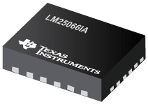

 |  |  | Enter Values in Green Shaded Cells
 |  |  | Calculated Values are shown in White Cells
 |  |  | Yellow and Red cells highlight pottential issues with the design. Red highlights items that are higher risk.

 | Step 0: Calculator Tutorials |  | Note: Before proceeding, please watch the video tutorials listed to ensure accurate results from this tool!

 |  |  | Steps 1 & 2: Operating Conditions, Current Limit, & Circuit Breaker (7:41)
 |  |  | Step 3: MOSFET Selection (9:58)
 |  |  | Step 4: Startup (10:32)
 |  |  | Step 5: UVLO, OVLO & PGD Thresholds (4:20)
 |  |  | LM25066 Datasheet

 |  |  | I understand and agree to watch the video tutorials if help is needed. (Choose Yes to enable the calculator.) |  |  | Yes
 |  |  | Assure to follow the layout and application guidelines listed on the datasheet. |  |  | Yes
 |  |  | *For additional questions not addressed in the videos, please post on E2E.ti.com

 | Step 1: Operating Conditions |  |  | Minimum Input Operating Voltage: VIN(MIN) | 9.5 | V
 |  |  |  | Nominal Input Operating Voltage: VIN(NOM) | 12 | V
 |  |  |  | Maximum Input Operating Voltage: VIN(MAX) | 13 | V
 |  |  |  | Maximum Load Current: IOUT(MAX) | 6 | A
 |  |  |  | Maximum Output Load Capacitance: CLOAD | 100 | µF
 |  |  |  | Maximum Ambient Operating Temperature: TMAX | 70 | oC
 | Steps 1 & 2: Operating Conditions, Current Limit, & Circuit Breaker

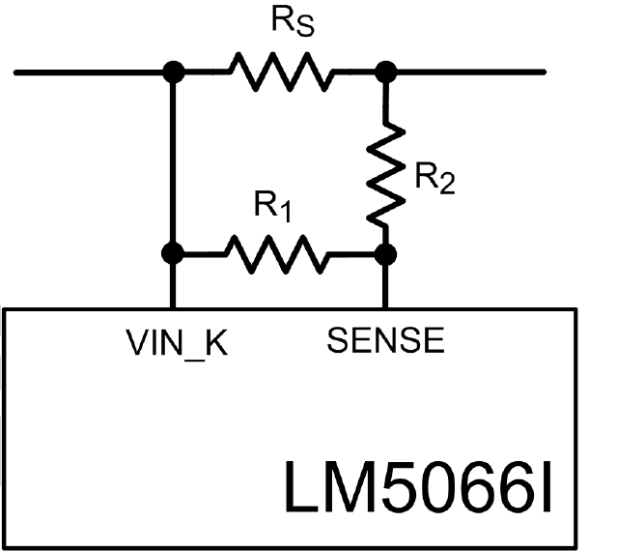
R_{CL1}
R_{CL2}
 | Step 2: Current Limit and Circuit Breaker |  |  | Current Limit Range (CL) | 25 mV |  |  |  |  |  | 25 mV
 |  |  |  | Maximum Recommended Value for Effective Sense Resistance | 3.80 | mW |  |  |  |  | 46 mV
 |  |  |  | Use External Resistor Divider to Reduce Effecitve RS | No |  |  |  |  |  | Yes
 |  |  |  | Enter the Resistance for RS | 1.5 | mW |  |  |  |  | No
 |  |  |  | Recommended Value for RCL1 | NA | W
 |  |  |  | Recommended Value for RCL2 | NA | W
 | Steps 1 & 2: Operating Conditions, Current Limit, & Circuit Breaker |  |  | Enter value for RCL1 |  | W |  |  |  |  | TRUE
 |  |  |  | Enter value for RCL2 |  | W
 |  |  |  | Effective Sense Resistance (RS,EFF) | 1.50 | mW
 |  |  |  | Resulting Minimum Current Limit | 15.3 | A
 |  |  |  | Resulting Typical Current Limit | 16.7 | A
 |  |  |  | Resulting Maximum Current Limit | 18.0 | A |  |  |  |  | Retry
 |  |  |  | Maximum Power Dissipation in RS | 0.5 | W |  |  |  |  | Latch Off
 |  |  |  | Fault Response | Retry |  |  |  |  |  | 1.8 x Current Limit
 |  |  |  | Circuit Breaker to Current Limit Raitio | 1.8 x Current Limit |  |  |  |  |  | 3.6 x Current Limit
 | Temp Derated FET SOA (t = Tfault) |  | Typ Device SOA Limit
1 | 532.39012571 | 1 | 16.67
1.2 | 443.6584381 | 2 | 16.67
30 | 17.746337524 | 3 | 16.67
 |  | 4 | 16.67
 |  | 5 | 16.67
 |  | 6 | 16.67
 |  | 7 | 16.67
 |  | 8 | 16.67
 |  | 9 | 16.67
 |  | 10 | 16.67
 |  | 11 | 16.67
 |  | 12 | 15.43
 |  | 13 | 14.35
 |  | 14 | 0.00
 |  | 15 | 0.00
 |  | 16 | 0.00
 |  | 17 | 0.00
 |  | 18 | 0.00
 |  | 19 | 0.00
 |  | 20 | 0.00
 | Step 3: MOSFET Selection |  |  | Q1 FET Name | PSMN3R7-100BSEJ

 |  |  |  | Estimated MOSFET RQJA | 30 | oC/W |  |  |  |  | 10.802469136 | 3.5
 |  |  |  | Number of MosFETs | 1 | # |  |  |  |  | Values Used
 |  |  |  | MOSFET On resistance @ TJ,DC | 4 | mW |  |  |  |  | 4
 |  |  |  | Maximum FET Junction Temperature | 175 | oC |  |  |  |  | 175
 |  |  |  | 100ms SOA Current (re-use 1ms data if unavailable) @ VIN(MAX) | 300 | A |  |  |  |  | 300
 |  |  |  | 1ms SOA Current @ VIN(MAX) | 80 | A |  |  |  |  | 80
 | Step 3: MOSFET Selection |  |  | 10ms SOA Current @ VIN(MAX) | 30 | A |  |  |  |  | 30
 |  |  |  | 100ms Current at @ VIN(MAX) (use DC if 100ms not available) | 20 | A |  |  |  |  | 20
 |  |  |  | 1s or DC SOA Current at @ VIN(MAX) (use DC if 1s not available) | 10 | A |  |  |  |  | 10
Max R_{S} = 45 mV
(Max Load Current x 1.01)
The 1.01 factor provides 1% margin from the max. normal load current.
 | Note: TI recommends choosing a FET with SOA current specified for 100ms and/or 1s or DC. If choosing a FET without these parameters, this calculator will estimate the values via extrapolation, which leaves an inherent associated risk. |  |  | FET Power dissapation at full load (per FET) | 0.1 | W
 |  |  |  | Maximum steady state FET Junction Temperature (TJ,DC) | 74.3 | oC
 |  |  |  | Minimum Power Limit to Ensure Vsns > 4mV (PLIM,MIN) | 34.7 | W
 |  |  |  | Target Power Limit | 70.0 | W
 |  |  |  | Calculated RPWR | 15.07 | kW
 |  |  |  | Actual RPWR | 49 | kW
 |  |  |  | Actual PLIM | 186.58 | W | Note: Hover here to see the 3 values affecting this curve, consult a thermal expert if you are unsure!
ILOAD and IFET vs Vout (VIN = VINMAX)
 | ILOAD | IFET
0.00 | 0.000 | 14.352683056
0.13 | 0.000 | 14.47843726
0.25 | 0.000 | 14.606657233
0.38 | 0.000 | 14.737416216
0.50 | 0.000 | 14.870790378
0.63 | 0.000 | 15.006858968
0.75 | 0.000 | 15.145704467
0.88 | 0.000 | 15.287412761
1.00 | 0.000 | 15.43207331
1.13 | 0.000 | 15.579779345
1.25 | 0.000 | 15.730628062
1.38 | 0.000 | 15.884720837
1.50 | 0.000 | 16.042163454
1.63 | 0.000 | 16.203066349
1.75 | 0.000 | 16.367544864
1.87 | 0.000 | 16.535719526
2.00 | 0.000 | 16.666666667
2.13 | 0.000 | 16.666666667
2.25 | 0.000 | 16.666666667
2.38 | 0.000 | 16.666666667
2.50 | 0.000 | 16.666666667
2.63 | 0.000 | 16.666666667
2.75 | 0.000 | 16.666666667
2.88 | 0.000 | 16.666666667
3.00 | 0.000 | 16.666666667
3.13 | 0.000 | 16.666666667
3.25 | 0.000 | 16.666666667
3.38 | 0.000 | 16.666666667
3.50 | 0.000 | 16.666666667
3.63 | 0.000 | 16.666666667
3.75 | 0.000 | 16.666666667
3.88 | 0.000 | 16.666666667
4.00 | 0.000 | 16.666666667
4.13 | 0.000 | 16.666666667
4.25 | 0.000 | 16.666666667
4.38 | 0.000 | 16.666666667
4.50 | 0.000 | 16.666666667
4.63 | 0.000 | 16.666666667
4.75 | 0.000 | 16.666666667
4.88 | 0.000 | 16.666666667
5.00 | 0.000 | 16.666666667
5.13 | 0.000 | 16.666666667
5.25 | 0.000 | 16.666666667
5.38 | 0.000 | 16.666666667
5.50 | 0.000 | 16.666666667
5.63 | 0.000 | 16.666666667
5.75 | 0.000 | 16.666666667
5.88 | 0.000 | 16.666666667
6.00 | 0.000 | 16.666666667
6.13 | 0.000 | 16.666666667
...
 | Step 4: Startup |  |  | Load Turn-On Threshold | 9 | V

 |  |  |  | Startup Load Type | Constant Current
 |  |  |  | Startup Load Value | 6 | A |  |  |  |  | Constant Current
 |  |  |  | Use External Soft-Start Control | No |  |  |  |  |  | Resistive
 |  |  |  | Typical Start Time with Vinmax (Tstart) | 0.09 | ms
 |  |  |  | IFET - ILOAD margin (lowest for Vout range) | 64%
 |  |  |  | Target Fault Timer: Tstart + Margin | 0.16 | ms
 |  |  |  | Target Timer capacitance | 8.60 | nF
 |  |  |  | Selected Timer capacitance | 100 | nF
 | Step 4: Startup |  |  | Final Fault Timer(Tfault) | 1.89 | ms
 |  |  |  | Derated SOA / PLIM | 2.85
 |  |  |  | Can a "hot" board be hotplugged | Yes
 |  |  |  | Recommended slew Rate (max) | 13.66 | V/ms
 |  |  |  | Recommended slew Rate (min) | 0.05 | V/ms
Start - up: FET Power (VIN = VINMAX)
 | FET power dissipation
-10.00 | 0
-0.01 | 0
0.00 | 186.58487973
0.00 | 186.40987973
0.00 | 186.23487973
0.00 | 186.05987973
0.00 | 185.88487973
0.00 | 185.70987973
0.01 | 185.53487973
0.01 | 185.35987973
0.01 | 185.18487973
0.01 | 185.00987973
0.01 | 184.83487973
0.01 | 184.65987973
0.01 | 184.48487973
0.01 | 184.30987973
0.01 | 184.13487973
0.01 | 183.95987973
0.01 | 183.33333333
0.01 | 181.25
0.01 | 179.16666667
0.02 | 177.08333333
0.02 | 175
0.02 | 172.91666667
0.02 | 170.83333333
0.02 | 168.75
0.02 | 166.66666667
0.02 | 164.58333333
0.02 | 162.5
0.02 | 160.41666667
0.02 | 158.33333333
0.02 | 156.25
0.02 | 154.16666667
0.02 | 152.08333333
0.02 | 150
0.03 | 147.91666667
0.03 | 145.83333333
0.03 | 143.75
0.03 | 141.66666667
0.03 | 139.58333333
0.03 | 137.5
0.03 | 135.41666667
0.03 | 133.33333333
0.03 | 131.25
0.03 | 129.16666667
0.03 | 127.08333333
0.03 | 125
0.03 | 122.91666667
0.04 | 120.83333333
0.04 | 118.75
...
 | Note: This is the typical dv/dt rate, but max value can be larger. This is because the gate source current can vary from 16uA to 28uA. Thus TI recommends keeping the overall SOA margin during start-up >1.5 in order to compensate for this. |  |  | dv/dt rate on Vout | 4 | V/ms
 |  |  |  | calculated SS capacitance | 5.50 | nF
 |  |  |  | actual SS capacitance | 10 | nF
 |  |  |  | actual dv/dt rate on Vout | 2.20 | V/ms
 |  |  |  | SOA margin during start-up | 21.55
 |  |  |  | Target Fault Time | 5 | ms
 |  |  |  | Calculated Timer Capacitance | 264.71 | nF
 |  |  |  | Actual Timer Capacitance (pick one smaller than CT,CALC) | 100 | nF
 |  |  |  | Actual Fault Time (Tfault) | 1.89 | ms
 |  |  |  | SOA margin during "hot-short" or "start-into short" | 2.85
 |  |  |  | Resulting Typical Insertion Delay Time | 31 | ms
 |  |  |  | Resulting Typical Restart Time | 230.44 | ms
 | Step 5: UVLO, OVLO & PGD Thresholds |  |  | Select Option A or Option B | Option A |  |  |  |  |  | Option A

 |  |  |  | Desired Upper UVLO Threshold | 11 | V |  |  |  |  | Option B
 |  |  |  | Desired Lower UVLO Threshold | 10.5 | V
 |  |  |  | Desired Upper OVLO Threshold | 13.5 | V
 |  |  |  | Desired Lower OVLO Threshold | 14 | V
 |  |  |  | Recommended Resistance for: R1 | 21.74 | kW
 |  |  |  | R2 | 0.60 | kW
 | Step 5: UVLO, OVLO & PGD Thresholds |  |  | R3 | 2.10 | kW
 |  |  |  | R4 | 0.00 | kW
 |  |  |  | Enter the Resistance for R1 | 22 | kW
 |  |  |  | Enter the Resistance for R2 | 0.91 | kW
 |  |  |  | Enter the Resistance for R3 | 2.32 | kW
 |  |  |  | Enter the Resistance for R4 | 3.65 | kW

 |  | Resulting Thresholds: | Minimum | Typical | Maximum
 |  | Resulting Upper UVLO Threshold = | 9.36 | 9.57 | 9.78 | V
 |  | Resulting Lower UVLO Threshold = | 8.96 | 9.06 | 9.16 | V
 |  | Resulting Upper OVLO Threshold = | 12.41 | 12.62 | 12.89 | V
 |  | Resulting Lower OVLO Threshold = | 11.78 | 12.09 | 12.47 | V
 |  | If any of the above cells is red, see the Instrunctions Worksheet
 |  |  |  | Enter the Resistance for RPG | 100 | kW
 |  |  |  | Desired PGD Rising Threshold | 11.5 | V
 |  |  |  | Desired PGD Hysteresis | 0.3 | V
 |  |  |  | Recommended Resistance for: RFB1 | 12.50 | kW
 |  |  |  | RFB2 | 1.41 | kW
 |  |  |  | Enter Resistance for: RFB1 | 12.4 | kW
 |  |  |  | RFB2 | 1.4 | kW
 |  |  |  | Nominal PGD Rising Threhold | 11.503285714 | V
 |  |  |  | Nominal PGD Hysteresis | 297.6 | mV
 | Design Summary |  |  | RS = | 1.5 | mW
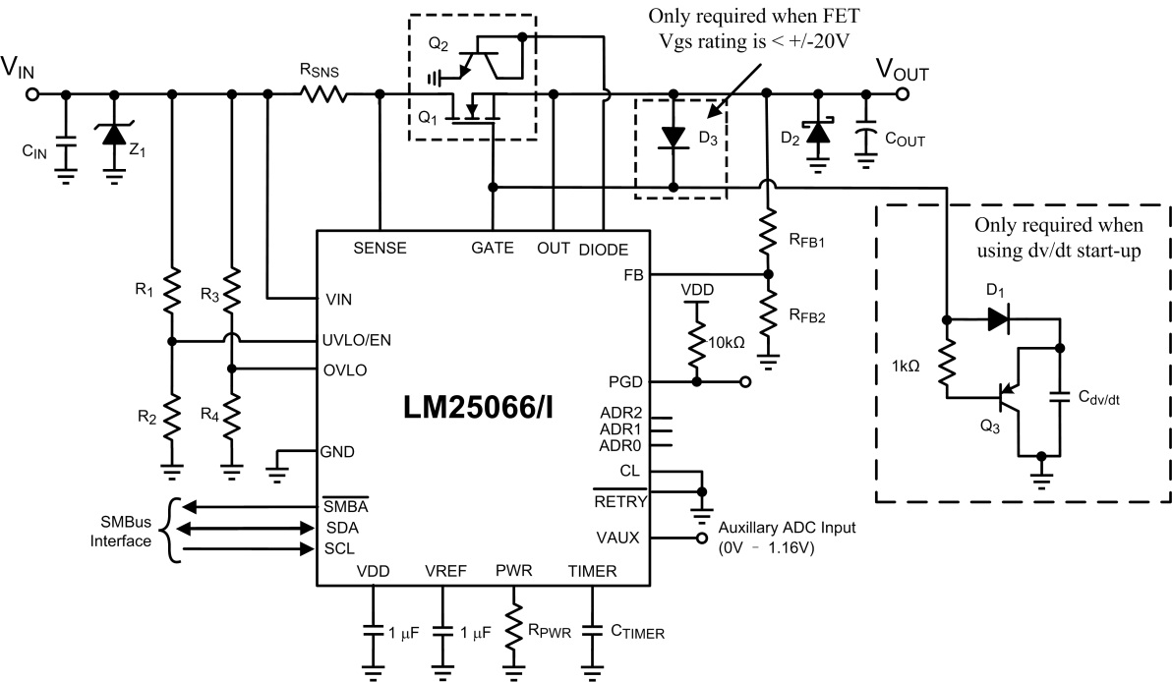
 |  |  |  | RCL1 = | Open | W
 |  |  |  | RCL2 = | 0 | W
 |  |  |  | RPWR = | 49 | kW |  |  | Typical | Units
 |  |  |  | CT = | 100.00 | nF |  | Current limit | 16.7 | A
 |  |  |  | R1 = | 22 | kW |  | Power Limit | 187 | W
 |  |  |  | R2 = | 0.91 | kW |  | Circuit Breaker Current | 30.0 | A
 |  |  |  | R3 = | 2.32 | kW |  | Startup Time | 0.09 | ms
 |  |  |  | R4 = | N/A | kW |  | Insertion Delay | 30.9 | ms
 |  |  |  | RFB1 = | 12.4 | kW |  | Fault Timeout | 1.889 | ms
 |  |  |  | RFB2 = | 1.4 | kW |  | Restart Time During Fault | 230.444 | ms
 |  |  |  | RPG = | 100 | kW |  | Upper UVLO Threshold | 9.567 | V
 |  |  |  | CIN = | 0.01 | µF |  | Lower UVLO Threshold | 9.061 | V
 |  |  |  | CVDD = | 1 | µF |  | Upper OVLO Threshold | 12.615 | V
 |  |  |  | CVREF = | 1 | µF |  | Lower OVLO Threshold | 12.088 | V
 |  |  |  | D1, D3 = | 1N4148W-7-F |  |  | PGD Threshold | 11.503285714 | V
 |  |  |  | D2 = | SK153-TP
 |  |  |  | Cdv/dt = | DNP | nF |  | PGD Hystersis | 297.6 | mV
 |  |  |  | Connect CL Pin to | GND | µF
 |  |  |  | Connect CB Pin to | GND | µF
 |  |  |  | Connect /Retry to | GND | µF
 |  |  |  | Q1 = | PSMN3R7-100BSEJ
 |  |  |  | Q2 = | MMBT3904
 |  |  |  | Q3 = | MMBT3906
 |  |  |  | Z1 = | 5.0SMDJXXX

 | Notes: | 1. Although not mandatory, CIN provides transient suppression at the VIN pin
 |  | 2. A TVS clamp from VIN to GND is absolutely mandatory to clamp the voltage overshoot upon MOSFET turn-off, e.g. during circuit breaker
 |  | 3. Componet tolerances not accounted for in Min/Max Calculations.

