Device 1
Resource | Necessary rails, components provided? | Correct output components provided? | output on startup? | Able to switch on with I2C? | Power Fault Identified through I2C
Buck 2 | Yes | Yes | Yes | Yes | - Not Applicable-
Buck 1 | Yes | Yes | Yes | Yes | - Not Applicable-
LDOA2 | Yes | Yes | Yes | Yes | - Not Applicable-
LDOA1 | Yes | Yes | Yes | Yes | - Not Applicable-
Buck 6 | Yes | Yes | Yes | Yes | - Not Applicable-
GPO1 | Yes | Yes | Yes | Yes | - Not Applicable-
BUCK 4 | Yes | Yes | Yes | Yes | - Not Applicable-
VTT LDO | Yes | Yes | Yes | Yes | - Not Applicable-
GPO3 | Yes | Yes | Yes | Yes | - Not Applicable-
Buck 3 | Yes | Yes | Yes | Yes | - Not Applicable-
LDOA3 | Yes | Yes | Yes | Yes | - Not Applicable-
SWB1_2 | No | No | No | Yes | Yes, by disabling this rail using 9F register (SWB1_DIS), we were able to come out of power fault state.
Buck5 | Yes | Yes | No | Yes | - Not Applicable-
GPO2 | Yes | Yes | Yes | Yes | - Not Applicable-

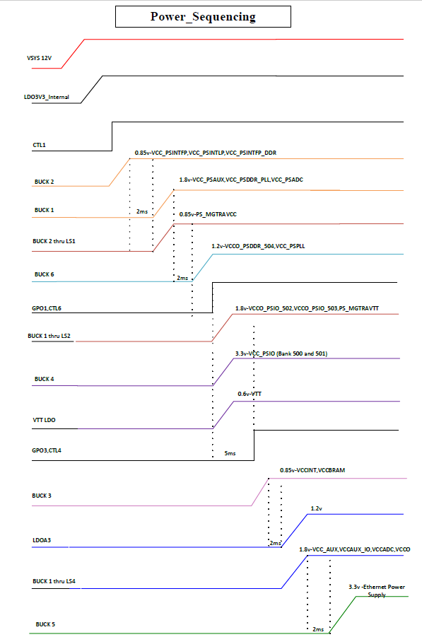
Schematics :

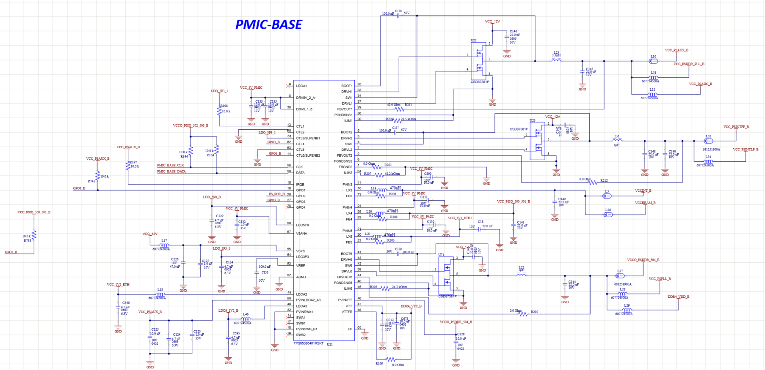

Device 2
Resource | Necessary rails, components provided? | Correct output components provided? | output on startup? | Able to switch on with I2C? | Power Fault Identified through I2C
Buck 2 | Yes | Yes | No | No | 1) Buck1,2,3 and LDOA1 rails showed power faults and other rails were all showing zero voltages. 2) We could not get access to I2C rails as we are getting NACK after trying to read I2C register. 3) None of the GPO's rails were ON, all were at zero voltage level.
Buck 1 | Yes | Yes | No | No
LDOA2 | Yes | Yes | No | No
LDOA1 | Yes | Yes | No | No
Buck 6 | Yes | Yes | No | No
GPO1 | Yes | Yes | No | No
BUCK 4 | Yes | Yes | No | No
VTT LDO | Yes | Yes | No | No
GPO3 | Yes | Yes | No | No
Buck 3 | Yes | Yes | No | No
LDOA3 | Yes | Yes | No | No
SWB1_2 | No | No | No | No
Buck5 | Yes | Yes | No | No
GPO2 | Yes | Yes | No | No

Schematics:

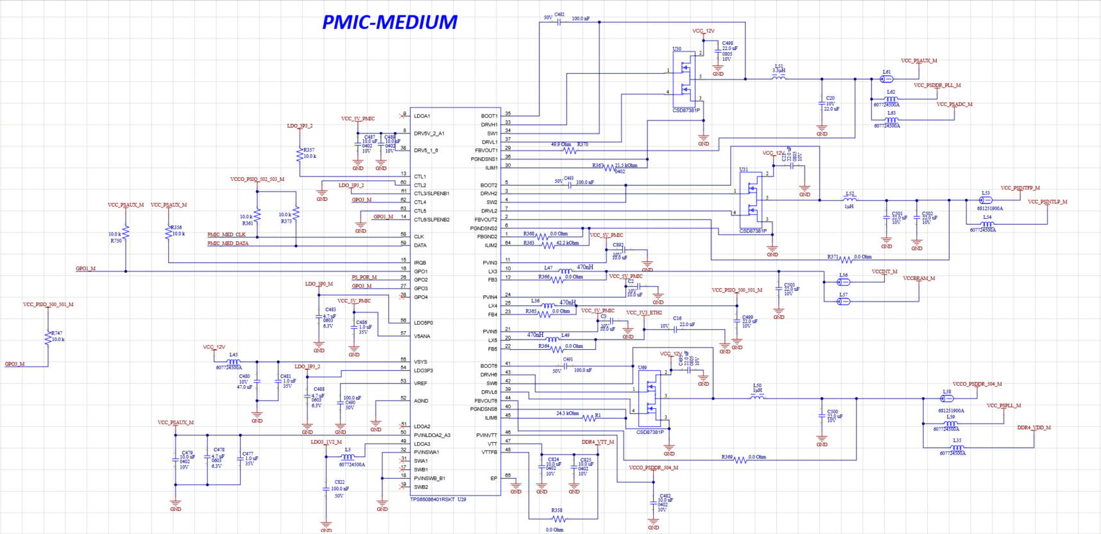

Device 3
Resource | Necessary rails, components provided? | Correct output components provided? | output on startup? | Able to switch on with I2C? | Power Fault Identified through I2C
Buck 2 | Yes | Yes | No | Yes | Yes
Buck 1 | Yes | Yes | No | Yes | Yes
LDOA2 | Yes | Yes | No | Yes | Yes
LDOA1 | Yes | Yes | No | Yes | Yes
Buck 6 | Yes | Yes | No | Yes | Yes
GPO1 | Yes | Yes | No | Yes | Output was up when its power tree got satisfied.
BUCK 4 | Yes | Yes | No | Yes | Yes
VTT LDO | Yes | Yes | No | Yes | Output was up when its power tree got satisfied.
GPO3 | Yes | Yes | No | Yes | Was always zero voltage
Buck 3 | Yes | Yes | No | Yes | Yes
LDOA3 | Yes | Yes | No | Yes | Yes
SWB1_2 | No | No | No | Yes | Yes
Buck5 | Yes | Yes | No | Yes | Yes
GPO2 | Yes | Yes | No | Yes | Was always at zero voltage

Schematics:

