TPS2121
Inputs |  |  |  | Instructions:
VIN1 | 6 |  | V | Please edit green shaded cells to resemble your schematic
VIN2 | 6 |  | V | Grey shaded cells are automated outputs, please do not edit
R1 | 16900 | 16.9 | kΩ
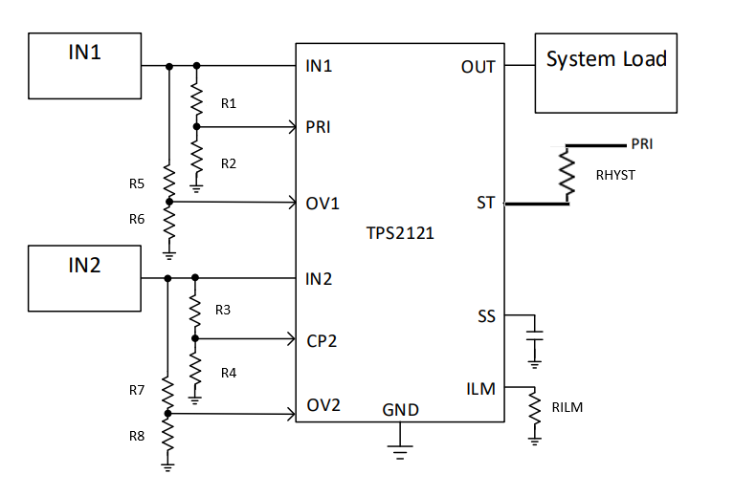
R2 | 5000 | 5 | kΩ
R3 | 10000 | 10 | kΩ
R4 | 5000 | 5 | kΩ
RHYST | 10000 | 10 | kΩ
Overvoltage Inputs
R5 | 24900 | 24.9 | kΩ
R6 | 5000 | 5 | kΩ
R7 | 24900 | 24.9 | kΩ
R8 | 5000 | 5 | kΩ
Current Limit Inputs
RILM | 30000 | 30 | kΩ

Outputs
PR1 at VIN1 DC | 1.3699 | V
CP2 at VIN2 DC | 2.0000 | V |  |  | 1.0033444816
IN1 at switchover | 8.7600 | V
Switchover using Hysteresis (N/A when not using RHYST)
PR1 R2 when IN2 selected using hysterisis | 3333.3333 | kΩ
PR1 when IN2 is selected using hysterisis | 1.4432 | V
IN1 needed to switch back to IN1 when IN2 is selected using hysterisis | 12.1400 | V
Overvoltage
Vov1 | 6.3388 | V
Vov2 | 6.3388 | V
Current Limit
ILM | 3.4869538172 | A

TPS2116
Inputs |  |  |  | Instructions:
VIN1 | 5.5 |  | V | Please edit green shaded cells to resemble your schematic
VIN2 | 5.5 |  | V | Grey shaded cells are automated outputs, please do not edit
R1 | 9530 | 9.53 | kΩ
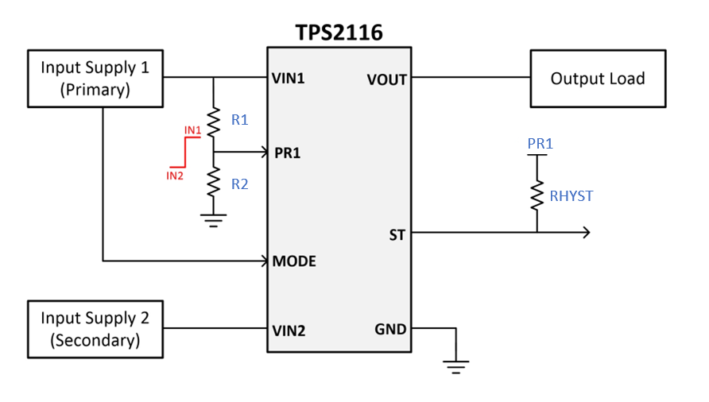
R2 | 5000 | 5 | kΩ
RHYST | 10000 | 10 | kΩ
Vref | 1 |  | V

Outputs
PR1 at VIN1 DC | 1.8926 | V
IN1 at switchover | 2.9060 | V
Switchover using Hysteresis (N/A when not using RHYST)
PR1 R2 when IN2 selected using hysterisis | 3333.3333 | kΩ
PR1 when IN2 selected using hysterisis | 0.7530 | V
IN1 needed to switch back to IN1 when IN2 is selected using hysterisis | 3.8590 | V

