bq2579X
TS resistor network
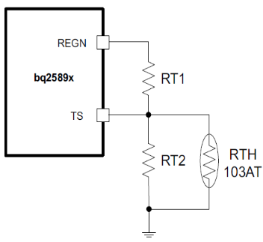

JEITA profile example

Required User Input
Optional User Input if not a 103-AT thermistor
Internal computation - do not change
Final results

TS resistor network - JEITA
RNTC (semitech) |  |  | 103AT-2,3 |  | in equations ->
T1=TCOLD for ICHG=0 & RNTC(COLD) | 0 | oC | 27.28 | k-ohm | RTHcold | If not a 103AT thermsitor, enter your RNTC values in blue.
T2=THOT for ICHG=0 & RNTC(HOT) | 60 | oC | 3.02 | k-ohm | RTHhot | If not a 103AT thermsitor, enter your RNTC values in blue.
VREGN=VVREF |  |  | 5.00 | V | VVREF | Can be any value
VT1 rising % (THOT) | 73.30 | % | 3.67 | V | VT1
VT2 rising % (TCOOL) | 62.40 | % | 3.12 | V | VT2 | Use dropdown box
VT3 falling % (TWARM) | 44.80 | % | 2.24 | V | VT3 | Use dropdown box
VT5 falling % (THOT) | 34.20 | % | 1.71 | V | VT4 |  | Note: VVREF = VREGN.
RT1 |  |  | 5.30 | k-ohm | RT1 | not possible with 103AT thermistor if negative
RT2 |  |  | 31.14 | k-ohm | RT2 | not possible with 103AT thermistor if negative
RNTC(COOL) & T2=TCOOL | 12.25 | k-ohm | 16.56 | oC | na | If not a 103AT thermsitor, lookup values in yellow are incorrect.
RNTC(WARM) & T3=TWARM | 4.99 | k-ohm | 23.00 | oC | na | If not a 103AT thermsitor, lookup values in yellow are incorrect.

Battery temp from ADC read of TS%=V(TS)/V(REGN)
TS% from ADC |  |  | 0.59 | <0.85
RT1 |  |  | 5.30 | k-ohm
RT2 |  |  | 31.14 | k-ohm
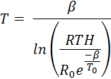
RTHermistor per ADC |  |  | 10.09 | k-ohm
Thermistor b |  |  | 3435.00 | oK
Thermistor R0 |  |  | 10.00 | k-ohm
Thermistor T0 |  |  | 299.00 | oK
Temperature |  |  | 24.76 | oC

