LM5148RGYR 9.6Vout 150KHz
Vin_min_actually | 10 | V
Vin_type_actually | 12 | V
Vin_max_actually | 36 | V
Vout | 9.6 | V
t_off_min | 90 | ns
t_on_min | 50 | ns
Frequency | 150 | KHz
t_p | 6666.6666667 | ns
Vin_min_cal | 9.7313735428 | V | Pass
Suggestion:Vin range change from 9-36V to 10-36V

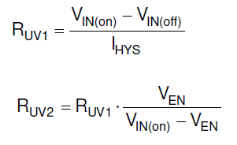
Ven | 1 | V
Vin(on) | 7 | V
Vin(off) | 6.5 | V
I_hys | 10 | uA
Ruv1_cal | 50 | Kohm
Ruv1_actually（R3612） | 49.9 | Kohm | Pass
Ruv2_cal | 8.3333333333 | Kohm
Ruv2_actually（R3613） | 8.2 | Kohm | Pass
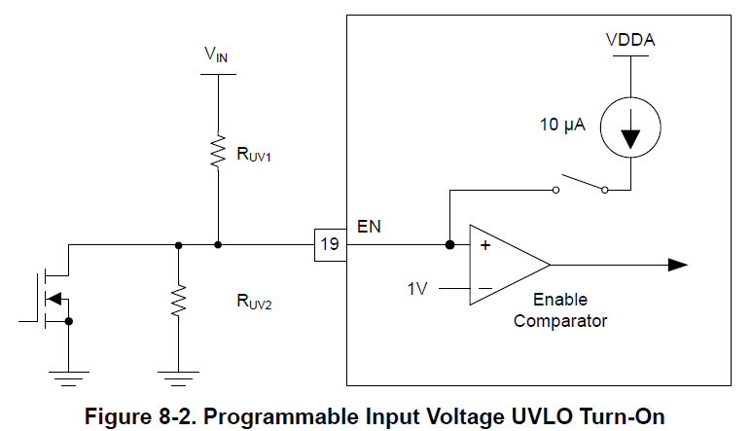

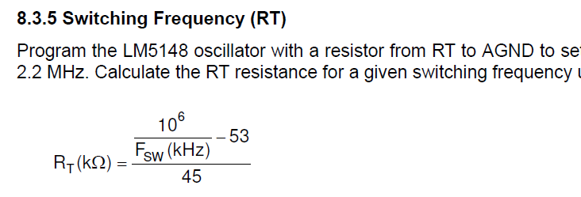
Rt_cal | 146.97037037 | Kohm
Rt__actually（R3572） | 147 | Kohm | Pass
Suggestion:R3572 change from 43.2K to 147K Ohm
Suggestion: 1. Frequency change from 500KHz to 150KHz

R_cnfg_cal1 | 41.2 | Kohm
R_cnfg_cal2 | 71.5 | Kohm
R_cnfg_actually（R3572） | 41.2 | Kohm | Pass

Vref | 0.8 | V
Rfb2_cal_min | 10 | Kohm
Rfb2_cal_max | 20 | Kohm
Rfb2_actually（R3506） | 9.09 | Kohm | Fail
Rfb1_cal_min | 110 | Kohm
Rfb1_cal_max | 220 | Kohm
Rfb1_actually（R3498+R3501） | 99.99 | Kohm | Fail
Suggestion:R3506 /R3498 change from 9.09kOhm to 10k Ohm; R3501 change from 90.9kOhm to 100k Ohm;

(Vout/Vin)_min_cal | 0.0075
(Vout/Vin)_min_actually | 0.26666666667 |  | Pass

Rs_actually (R3497) | 5 | mOhm | Pass
Lo_cal | 13.333333333 | uH
Lo_cal2_min | 1.2736318408 | uH
Lo_cal2_max | 23.349917081 | uH
Lo_actually (L111) | 4.7 | uH | Pass

Suggestion:R3497 change from 10mOhm to 5mOhm;

Vcs-th | 60 | mV
Iout(cl) | 6.7 | A
Delta_Il_cal | 2.01 | A
Delta_Il_actually | 9.9858156028 | A
Rs_cal | 5.131315582 | mOhm
I_inductor_max_cal1 | 7.705 | A
I_inductor_max_cal2 | 11.692907801 | A
I_inductor_max_actually(L111) | 14 | A | Pass
DCR_inductor | 14.8 | mOhm
Pd_inductor | 0.664372 | W
Theta_ja | 42.22972973 | DegC/W
Ta | 60 | DegC
Tj_inductor_max | 125 | DegC
Tj_inductor_cal | 88.05625 | DegC | Pass

Qg_N-MOS（Q49/Q50） | 39 | nC
Cboot_actually(C2973) | 0.22 | uF | Pass
Delta_Vcboot_min | 100 | mV
Delta_Vcboot_max | 300 | mV
Delta_Vcboot_cal | 177.27272727 | mV | Pass
Cboot_cal_min | 0.13 | uF
Cboot_cal_max | 0.39 | uF
Suggestion:C2973 change from 0.1uF to 0.22uF

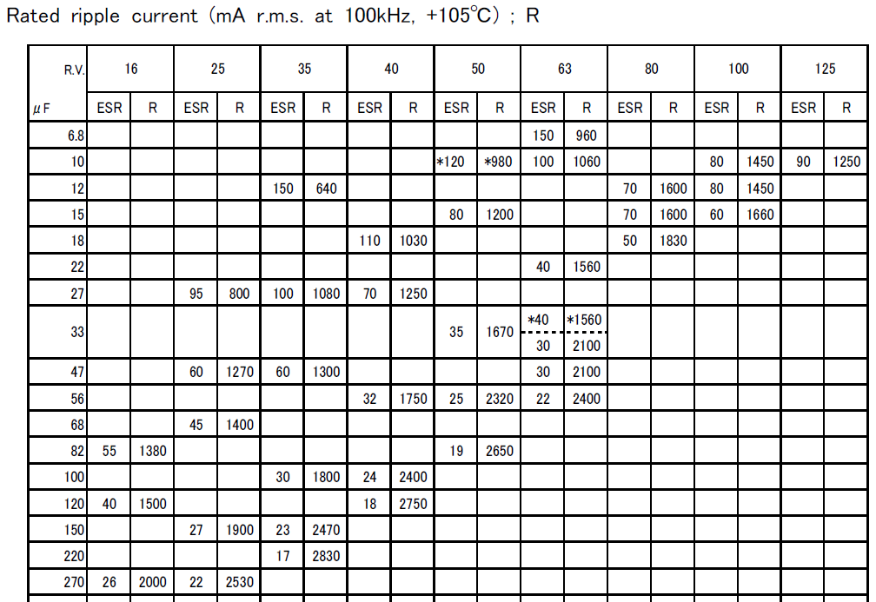
Resr_Cout_actually | 26 | mOhm
Irms_Cout_actually | 2 | A
Rated voltage_Cout_actually | 16 | V
Cout_actually(C2964) | 270 | uF | Pass
Delta_Vout | 0.27 | V
Cout_cal1_min | 112.29266355 | uF
Cout_cal2_min | 40.134489909 | uF

Delta_Vout | 0.2 | V
Duty_max | 0.96
Duty_min | 0.26666666667
Resr_Cin_actually | 0.002 | Ohm
Cin_min_cal1 | 9.1918542337 | uF
Cin_min_cal2 | 46.810368783 | uF
Rated voltage_Cin_actually | 50 | V
Cin_actually_0V | 50 | uF
Cin_actually_11V | 40 | uF
Cin_actually_36V | 14 | uF | Fail
Suggestion: 1. Add 3pcs 10uF/50V/X7R cap close to Q49 2. C2969/C2978 change from 4.7uF/50V/X7R to 10uF/50V/X7R

Delta_Vout_11V_cal | 0.056 | V
Delta_Vout_36V_cal | 0.232 | V

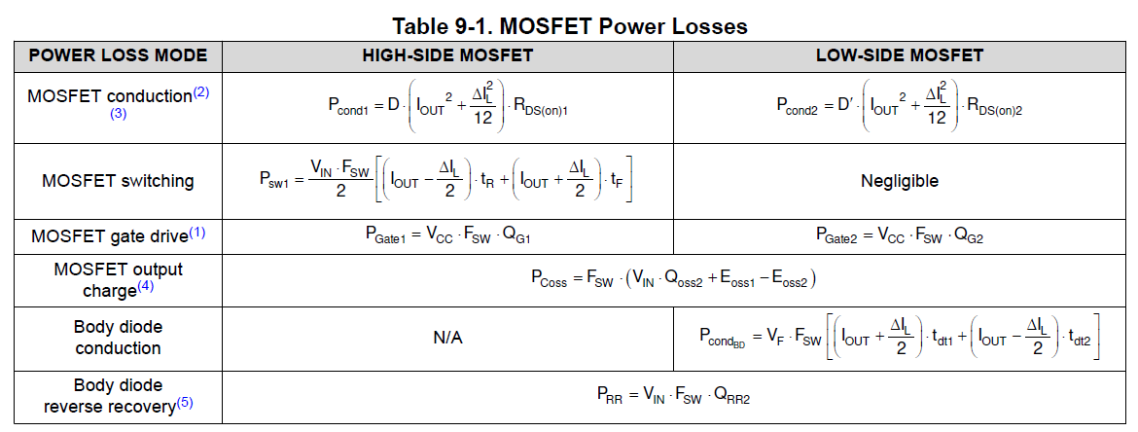
Vcc | 5 | V
High Side MOS Q49
Rds(on) | 5.6 | mOhm
Tr | 12 | nS
Tf | 38 | nS
Qg | 39 | nC
P_cond1_11V | 0.28600163794 | W
P_cond1_36V | 0.079444899427 | W
P_sw1_11V | 0.34861170213 | W
P_sw1_36V | 1.2550021277 | W
P_gate1 | 0.02925 | W
Icc_gate | 0.00585 | A
P_total_11V | 0.66386334007 | W
P_total_36V | 1.3636970271 | W
Ta | 60 | DegC
Theta_ja | 60 | DegC/W
Tj_max | 150 | DegC
Tj_11V | 99.831800404 | DegC | Pass
Tj_36V | 141.82182163 | DegC | Pass

Low Side MOS Q50
Rds(on) | 5.6 | mOhm
Td(on) | 25 | nS
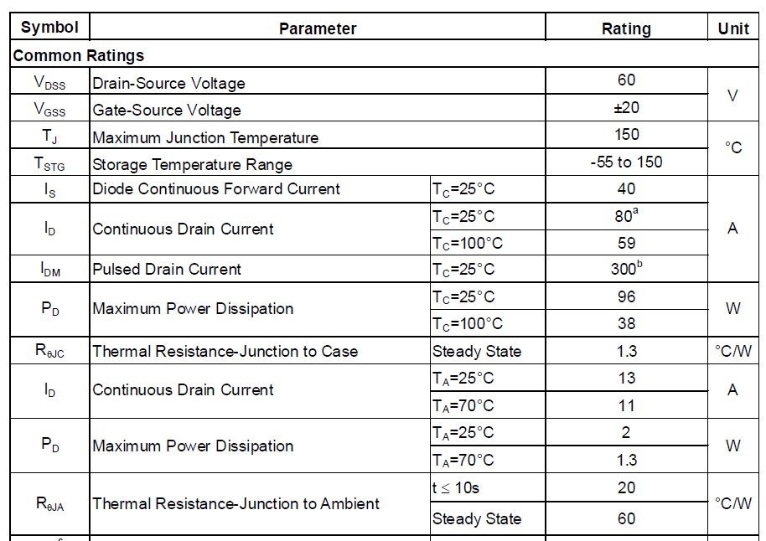
Td(off) | 90 | nS
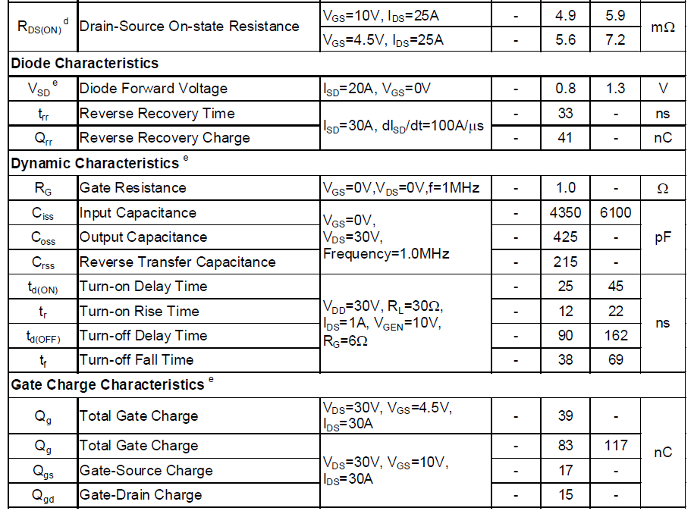
Qg | 39 | nC
Vf | 0.8 | V
Qrr | 41 | nC
P_cond1_11V | 0.011916734914 | W
P_cond1_36V | 0.21847347342 | W
P_gate2 | 0.02925 | W
Icc_gate | 0.00585 | A
P_cond_BD | 0.053515319149 | W
Prr_11V | 0.0615 | W
Prr_36V | 0.2214 | W
P_total_11V | 0.15618205406 | W
P_total_36V | 0.52263879257 | W
Ta | 60 | DegC
Theta_ja | 60 | DegC/W
Tj_max | 150 | DegC
Tj_11V | 69.370923244 | DegC | Pass
Tj_36V | 91.358327554 | DegC | Pass

Crossover frequency | 25 | KHz
G_cs | 10
gm | 1200 | uS
Rcomp_cal | 21.195 | Kohm
Rcomp_actually (R3611) | 22 | Kohm | Pass
Ccomp_cal | 3005.155344 | pF
Ccomp_actually (C3021) | 3300 | pF | Pass
Cbw | 31 | pF
Chf_cal | 19.0859224 | pF
Chf_actually (C3022) | 20 | pF | Pass
Suggestion: 1. R3611 change from 47.5K_1% Ohm to 22K Ohm 2. C3021 change from 0.01uF to 3300 pF 3. C3022 change from 220pF to 20 pF |  |  |  | 