Sheet1 (3)
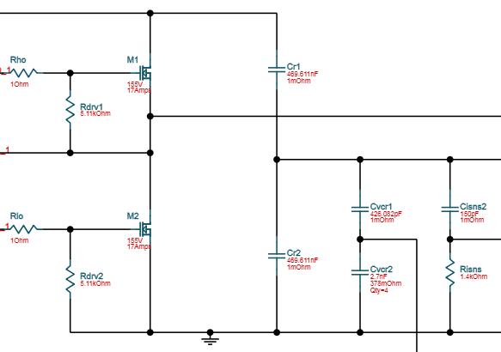
ucc256302
 | Question
1 | In the UCC256302 notice, Cr is composed of only 1 capacitance. In the converter designed with WEBENCH, the converter is equiped by 2 capacitors (Cr1 and Cr2). Can you explain why? And for the frequency calculation, have we to add Cr1 and Cr2?
2 | Is it possible to make the converter work between 40V to 105 in input with an 24V/5A output?
3 | In the WEBBENCH, the resistor RISNS is equal to 1.4kOhms, but, in the notice of the UCC256302 it is recommended that " ISNS resistor is less than 500 Ω to keep the node impedance low ". Is there a problem with a value of 1.4kOhms?
 | The link to the simulation :
4 | https://webench.ti.com/power-designer/switching-regulator/customize/21?AppType=none&Flavor=none&O1I=5&O1V=24&Topology=LLC&VinMax=74&VinMin=70&VoltageOption=none&base_pn=UCC256302&flavor=none&lang_chosen=en_US&op_TA=30&optfactor=3&origin=pf_panel&refpage=http:%2F%2Fwww.ti.com%2Fproduct%2FUCC256302%2Ftoolssoftware

