TPS2121
Inputs |  |  |  | Instructions:
VIN1 | 15 |  | V | Please edit green shaded cells to resemble your schematic
VIN2 | 15 |  | V | Grey shaded cells are automated outputs, please do not edit
R1 | 0 |  | kΩ
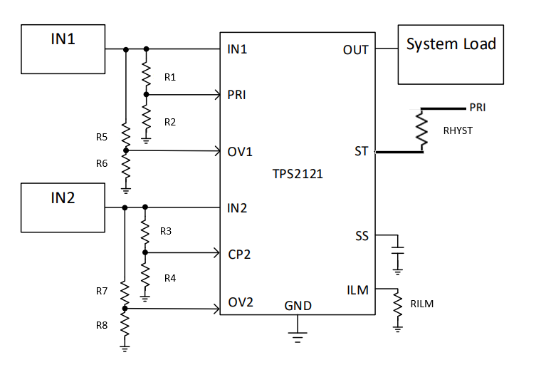
R2 | 0 |  | kΩ
R3 | 0 |  | kΩ
R4 | 0 |  | kΩ
RHYST | 0 |  | kΩ
Overvoltage Inputs
R5 | 80000 | 80 | kΩ
R6 | 5000 | 5 | kΩ
R7 | 80000 | 80 | kΩ
R8 | 5000 | 5 | kΩ
Current Limit Inputs
RILM | 51100 | 51.1 | kΩ

Outputs
PR1 at VIN1 DC | #DIV/0! |  | V
CP2 at VIN2 DC | #DIV/0! |  | V |  | 0.88235294118
IN1 at switchover | #DIV/0! |  | V
Switchover using Hysteresis (N/A when not using RHYST)
PR1 R2 when IN2 selected using hysterisis | #DIV/0! |  | kΩ
PR1 when IN2 is selected using hysterisis | #DIV/0! |  | V
IN1 voltage needed to switch back to IN1 when IN2 is selected using hysterisis | #DIV/0! |  | V
Overvoltage
Vov1 | 18.02 |  | V
Vov2 | 18.02 |  | V
Current Limit
ILM | 2.2044345075 |  | A

TPS2116
Inputs |  |  |  | Instructions:
VIN1 | 5 |  | V | Please edit green shaded cells to resemble your schematic
VIN2 | 3.3 |  | V | Grey shaded cells are automated outputs, please do not edit
R1 | 16900 | 16.9 | kΩ
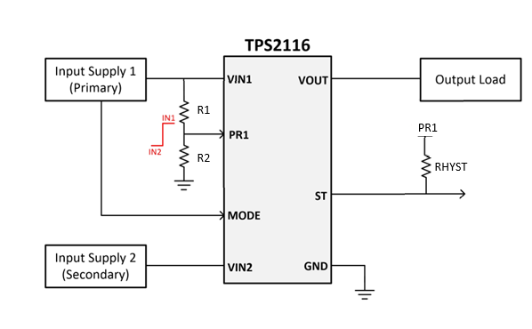
R2 | 5000 | 5 | kΩ
RHYST | 0 | 0 | kΩ
Vref | 1 |  | V

Outputs
PR1 at VIN1 DC | 1.1416 |  | V
IN1 at switchover | 4.3800 |  | V
Switchover using Hysteresis (N/A when not using RHYST)
PR1 R2 when IN2 selected using hysterisis | 0.0000 |  | kΩ
PR1 when IN2 selected using hysterisis | 0.0000 |  | V
IN1 voltage needed to switch back to IN1 when IN2 is selected using hysterisis | #DIV/0! |  | V

