TYPICAL APPLICATION
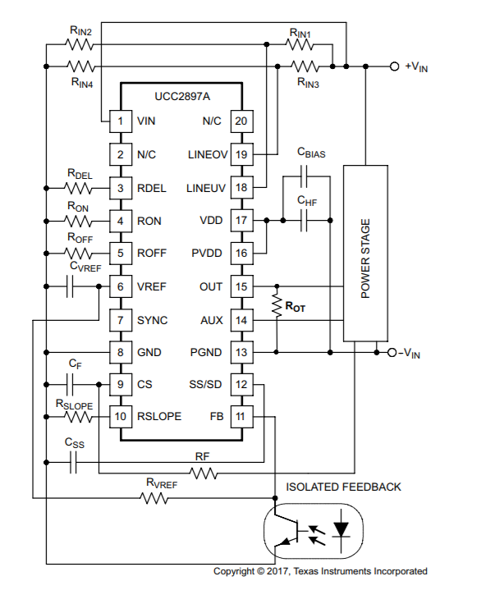

 |  | Power Stage

 | 功率范围W | 150～200W
 | 感值 | 345uH
 | 最大额定电流 | 3.34A
 | 饱和电流（A） | 3.89A
 | 直流电阻DCR（MΩ） | 主线圈a最大25mΩ，主线圈b最大25mΩ，次级线圈最大0.875mΩ
 | 温升电流（A) | 2.78A
 | 匝数比 | Npa：Npb：Naux：Ns=1:1:1.3：1
 | 封装尺寸长×宽×高（mm） | 23.4mm x 21.6mmx 8.6mm
 | 频率范围 | 200kHz～700kHz
 | 隔离度 | 1750VDC以上
Controller Stage

 |  | 励磁电感Lo | 448uH

