bq24610_bq24617
Li-ion charger bq24610 typical application circuit
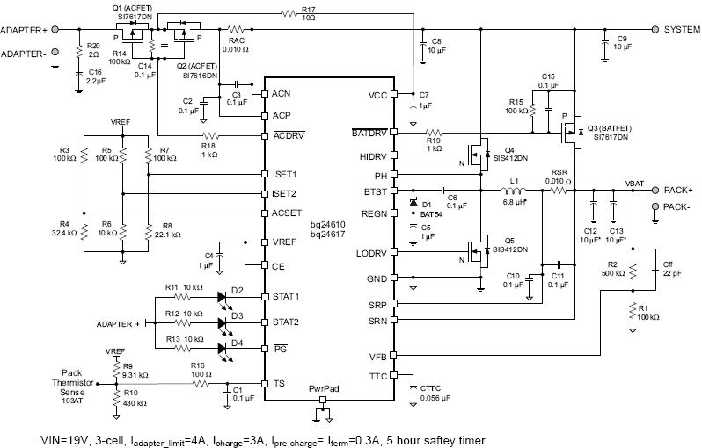

User Input
Fixed Value
Calculated Value

Battery charge voltage setting
Cell count | 3 | cell
Vcell | 4.2 | V/cell
Vbat | 12.6 | V
R1 | 100.0 | k-ohm
R2 | 500 | k-ohm

Adaptor regulation current
Iadp | 4 | A
RAC | 10 | m-ohm
VREF | 3.3 | V
V_ACSET | 0.800 | V
R3 | 100.0 | k-ohm
R4 | 32.00 | k-ohm

Battery pre-charge/termination current setting
Iprechg (Iterm) | 0.3 | A
RSR | 10 | m-ohm
VREF | 3.3 | V
V_ISET2 | 0.3 | V
R5 | 100.0 | k-ohm
R6 | 10.00 | k-ohm

Battery fast-charge current setting
Ichg | 3 | A
RSR | 10 | m-ohm
VREF | 3.3 | V
V_ISET1 | 0.6 | V
R7 | 100.0 | k-ohm
R8 | 22.22 | k-ohm

Iripple_Lout_Vripple |  |  | Typical Inductor, Capacitor, and Sense Resistor Values as a function of charge current
Vin | 15 | V | Charge Current | 2A | 4A | 6A | 8A | 10A
Vout (Vbat) | 12.6 | V | Output Inductor Lo | 6.8mH | 6.8mH | 4.7mH | 3.3mH | 3.3mH
Duty | 0.840 |  | Output Capacitor Co | 20mF | 20mF | 30mF | 40mF | 40mF
Fs | 600 | (kHz) | Sense Resistor | 10mW | 10mW | 10mW | 10mW | 10mW
Lout | 10.00 | (uH)
IRIPPLE | 0.34 | A
VRIPPLE | 3.50 | mV

LC output filter resonant frequency
Lout | 10.00 | (uH)
Cout | 20.00 | (uF)
f0 | 11.25 | kHz | recommended range 12~17 kHz

Precharge timer (fixed)
Tprecharge | 30.00 | min

Fastcharge timer
Kttc | 5.60 | min/nF
Cttc | 0 | nF
Tcharge | 0.00 | hr

TS resistor network
RTH (semitech) | 103AT-2,3 | (0-45C)
R_COLD (0C) | 27.28 | k-ohm
R_HOT (45C) | 4.91 | k-ohm
VREF | 3.30 | V
VLTF | 2.43 | 73.50%
VTCO | 1.14 | 34.40%
R9 | 9.26 | 9.31 k-ohm
R10 | 440.35 | 430 k-ohm

0°C
45°C
40°C
ACOV
bq24610 | 32 | V
bq24617 | 26 | V

