BQ2560x
The Spreadsheet for BQ2560x Product Family
Typical Application Circuit

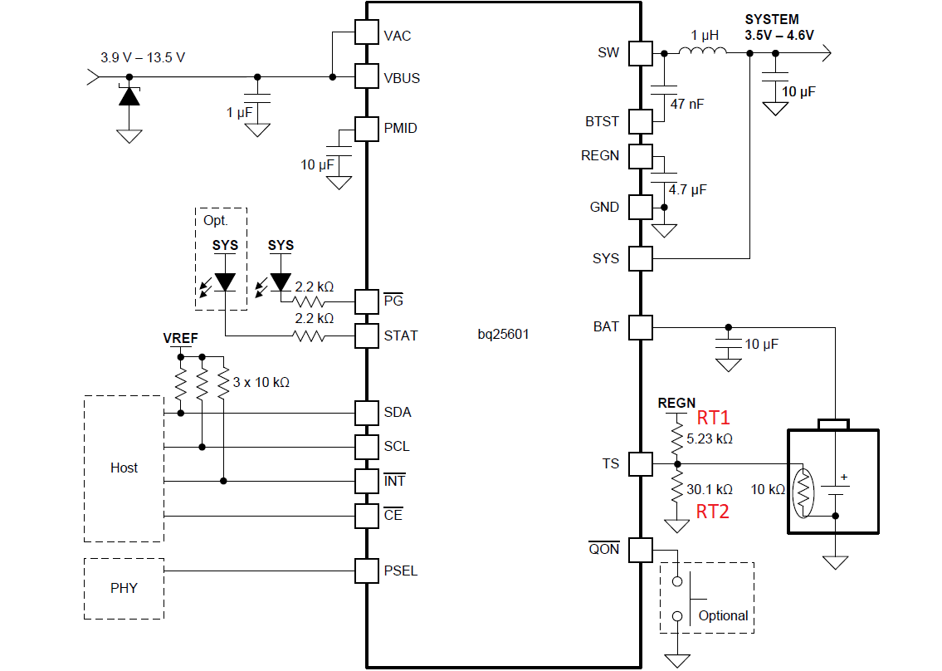

 | User Input
 | Fixed Value
 | Calculated Value

Duty Cycle: D $=\frac{V_{sys}}{V_{in}}$
 | Buck Inductor and Input and Output Capacitor Specs
 | Vin | 5 | V
 | Vsys | 3.7 | V
 | Duty cycle D | 0.740
 | Fs-min | 1500 | kHz
 | Lout | 1.00 | uH
 | Inductor IRIPPLE | 0.641 | A
Iripple = $\frac{V_{sys}}{L}$ (1 - $\frac{V_{sys}}{V_{in}}$ )$\frac{1}{f_{s}}$
 | Ichg max | 2 | A
 | Isat min | 2.32 | A
 | Icpmid (buck Cin) | 0.877 | ARMS
 | Icsys | 0.185 | ARMS
 | Csys (Cout) | 10 | uF (effective capacitance)
 | DVsys | 5.21 | mV

 | JEITA profile for BQ2560x

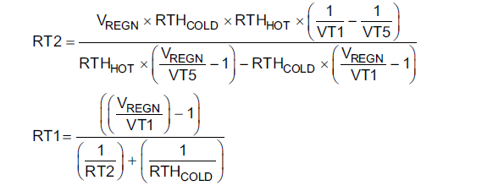
 | TS resistor network - JEITA
 | RTH (semitech) | 103AT-2,3
 | R_COLD (0C) | 27.28 | k-ohm, T1
 | R_HOT | 3.02 | k-ohm, T5
 | VREGN | 5.00 | V
 | VCOLD T1 | 3.66 | 73.25% | VT1
 | VCOOL T2 | 3.40 | 68.00% | VT2
 | VWARM T3 | 2.24 | 44.8% | VT3
 | VHOT T5 | 1.71 | 34.20% | VT5
 | RT1 | 5.29 | k-ohm, HS resistor divider
 | RT2 | 30.93 | k-ohm, LS resistor divider
 | NTC_COOL | 17.68 | k-ohm, T2 |  |  | Looking up the COOL and WARM temperatures in the Thermistor 103A sheet based on NTC_COOL and NTC_WARM
 | NTC_WARM | 4.99 | k-ohm, T3

 | Boost Mode Operation Temperature for BQ2560x

 | User Input
 | Fixed Value
 | Calculated Value

 | Boost temperature calculation
 | RTH (semitech) | 103AT-2,3
 | RT1 | 5.29 | k-ohm, HS resistor divider
NTC_BCOLD $=\frac{R_{T1}∗R_{T2}∗V_{BCOLD}}{R_{T2}\left(V_{REGN} − V_{BCOLD} \right) − R_{T1}V_{BCOLD}}$
 | RT2 | 30.93 | k-ohm, LS resistor divider
 | VREGN | 5.00 | V
 | VBCOLD | 4.00 | 80.00% | VBCOLD%
NTC_BHOT $=\frac{R_{T1}∗R_{T2}∗V_{BHOT}}{R_{T2}\left(V_{REGN} − V_{BHOT} \right) − R_{T1}V_{BHOT}}$
 | VBHOT | 1.56 | 31.20% | VBHOT%
 | NTC_BCOLD | 67.13 | k-ohm, Boost COLD disable
 | NTC_BHOT | 2.60 | k-ohm, Boost HOT disable

 |  |  |  |  |  | Looking up the COLD and HOT temperatures in the Thermistor 103A sheet based on NTC_BCOLD and NTC_BHOT

 | BQ25606 RICHG and RILIM Calculator

 | User Input
 | Fixed Value
 | Calculated Value

 | From ICHG to RICHG and ILIM to RILIM |  |  |  | From RICHG to ICHG and RILIM to ILIM
 | RICHG and RILIM Calculator |  |  |  | ICHG and ILIM Calculator
 | ICHG | 1 | A |  | RICHG | 677 | Ω
 | KICHG | 677 | A×Ω |  | KICHG | 677 | A×Ω
 | RICHG | 677 | Ω |  | ICHG | 1.000 | A
 | ILIM | 2 | A |  | RILIM | 239 | Ω
 | KILIM | 478 | A×Ω |  | KILIM | 478 | A×Ω
 | RILIM | 239 | Ω |  | ILIM | 2.000 | A

