Sheet1
While proceeding with the design using the application note SLUA560D "UCC28950 600W Phase Shifted Full Bridge Design Review/Application Report (Rev. D)" as a reference, I came across some items where the formulas and results did not match, and some questions.
I have summarized them below, so I would appreciate your response.

 | IPS | 55 | A
 | ΔILOUT | 10 | A
 | IMS2 | 52.5 | A | Inconsistency

 | IPRMS | 3.1 | A
 | DCRP | 0.215 | Ω
 | ISRMS | 36 | A
 | DCRS | 0.58 | Ω | ←If it is mΩ, the calculation results will match.
 | PT1 | 3011 | W | Inconsistency

 | Coss_qa_avg | 193 | pF
 | VINMAX | 410 | V
 | IPP | 3.3 | A
 | a1 | 21
 | LLK | 4 | uH
 | LS | 28.5 | uH | Inconsistency

 | Coss_spec | 1810 | pF
 | Vdsqe | 39 | V
 | Vds_spec | 25 | V | In equation (35), the voltage at the time of Coss_spec measurement is on the numerator side.
 | Coss_qe_avg | 2.3 | nF | Inconsistency

 | Iqe_rms | 36 | A
 | Rds(on)qe | 3.2 | mΩ
 | Pqe' | 4.15 | W
 | Pout | 600 | W
 | Vout | 12 | V
 | tr | 24 | ns
 | tf | 24 | ns
 | fs | 200 | kHz
 | Pqe'' | 9.36 | W | This alone exceeds Pqe
 | Pqe''' | 0.69 | W
 | Qgqe |  |  | Unknown which value is equation (59)?
 | Vgqe |  |  | It is unclear what value
 | Pqe'''' | 0.00 | W
 | Pqe | 14.19 | W | Inconsistency

 | VIN | 390 | V
 | VDROP | 276.2 | V
 | CIN | 264 | uF | Inconsistency

 | IPRMS1 | 2.5 | A
 | VINMIN | 370 | V
 | ICINRMS | 2.5 | A | Inconsistency

 | ESRCIN | 0.15 | Ω
 | PCIN | 0.94 | W | Inconsistency

 | η | 0.93
 | DMAX | 0.7
 | LMAG | 2.8 | mH
 | Ip1 | 3.1 | A | Inconsistency

 | VP | 2 | V
 | IPEAK |  |  | Unclear which value is it. Equation (84)?
 | a2 | 100
 | Rs | #DIV/0! | Ω

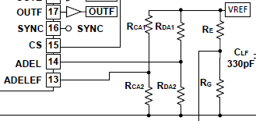

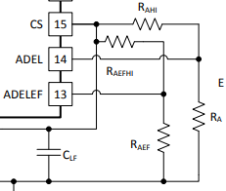

In the application note SLUA560D, a voltage obtained by dividing VREF is applied to pins 13 and 14.
On the other hand, in the data sheet SLUA16D, a voltage obtained by dividing CS is applied to pins 13 and 14.
Which is correct?

 | tABSET | 346 | ns
 | tAFSET | 173 | ns
 | VADELFE | 1.692 | V
 | RDELEF | 6.87 | kΩ | Inconsistency | If tAFSET×0.5 in equation (143) is changed to tAFSET or tABSET×0.5, the calculation results will match.

 | VREF | 5 | V
 | RT | 150 | kΩ | Inconsistency | Formula (149) and formula (10) in the data sheet SLUSA16D do not match when transformed to RT =

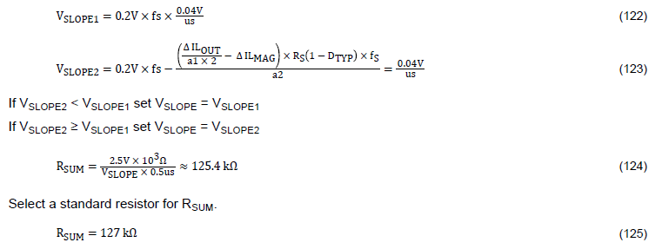

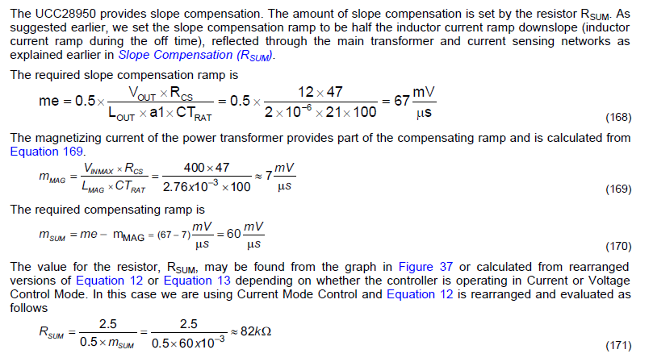

The concepts and values ​​of RSUM are different in application note SLUA560D and data sheet SLUSA16D.
How are they used differently?
Also, please confirm the following about the data sheet SLUSA16D.
- The calculation result does not match with the formula (169)
- Equation 12 or Equation 13 on p.60 seems to be Equation 13 or Equation 14

