Document Support
Document Support
#0 | Wafer-probe (die-sort) is requested for : 1> Application of statistical screenings (DPAT, SBL, SYL) for CMOS VLSI circuits CMOS VLSI = IC's that contains a core, memories (RAM, ROM), and peripherals typically : MPU, MCU, GPU, NSU, DSP, ISP, FPGA, ASIC, SoC 2> Defectivity control for SiC/GaN transistors 3> an extended test coverage for MCM (Multi-Chip Modules)
 | Wafer-probe is not requested for : 1> Simple function IC's : VReg, DC/DC switches, RF switches, operational amplifiers, logic IC's 2> Single function IC's : Memories, CIS, SPAD

#1 | Dynamic Part Average testing
 | DPAT is a data post processing to reject GOOD DIES which have an electrical characteristic at more than +/- 6 standard deviations from the average value for the tested wafer
 | 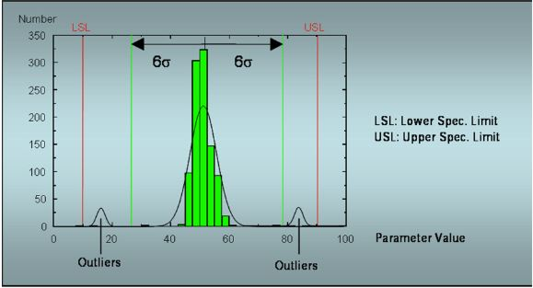

#2 | Good Die In Bad Cluster / Good Dice in Bad Neighborhoods
 | Good Die in Bad Cluster is a data post processing to reject GOOD DIES which are in cluster of REJECTED DIES. GOOD DIE in a cluster of REJECTED DIES has a high probability of containing a latent defect and to have a low reliability. Valeo does not impose the GDBC /GDBN policy for surrounding dices.
 | 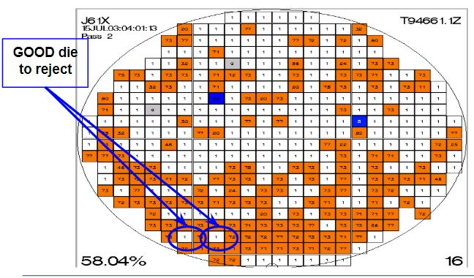

#3 | Stacked Wafer Map
 | Stacked Wafer Map Analysis a data post processing to reject GOOD DIES localized where there is REJECTED DIES in a common location for several wafer in the lot
 | 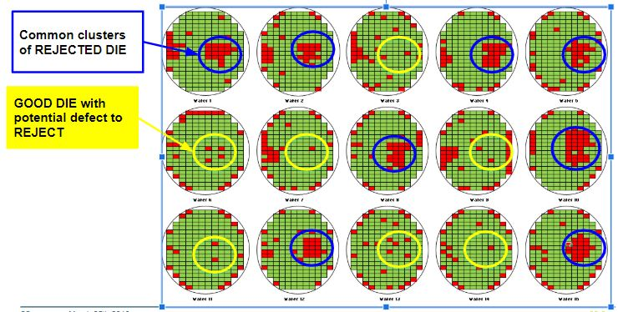

#4 | Statistical Yield Limit at wafer test
 | Statistical yield Limit detects wafer with atypical low yield versus the baseline Each wafer yield is compared to SYL limit. SYL limits and their calculations are specified in standard AEC-Q002
 | 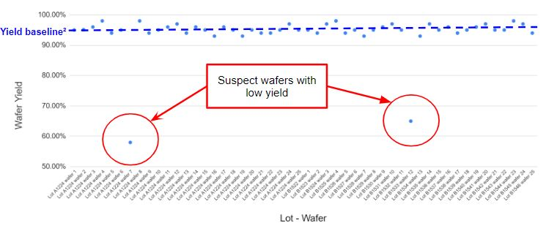

#5 | Statistical Bin Limit at wafer test
 | Statistical Bin Limit detects wafer with high bin failure rate versus the baseline Bin rejects of each wafer are compared to SBL limits. SBL limits and their calculations are specified in standard AEC-Q002
 | 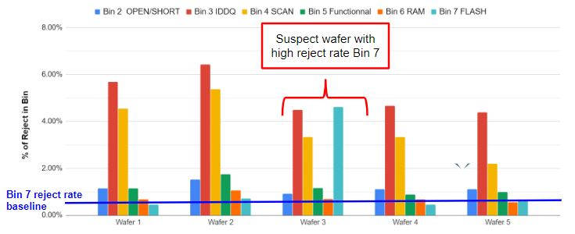

#6 | Part Average Testing
 | Part Average Testing rejects GOOD COMPONENTS which have an electrical characteristic at more than +/- 6 standard deviations from the average value of production. . The limits are static and calculated based on the statistical distribution of the process
 | 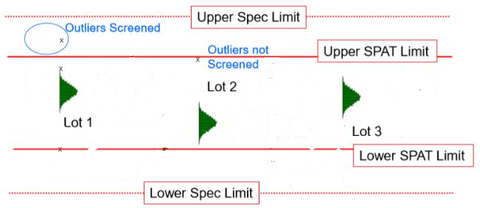

#7 | Statistical Yield Limit at final test
 | Statistical yield Limit detects assembly lot with atypical low yield versus the baseline Each lot yield is compared to SYL limit. SYL limits and their calculations are specified in standard AEC-Q002
 | 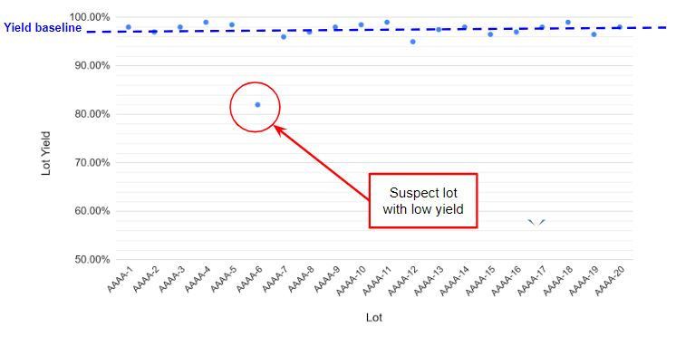

#8 | Statistical Bin Limit at final test
 | Statistical Bin Limit detects assembly lot with high bin rejects versus the baselines Bin rejects of each lot are compared to SBL limits. SBL limits and their calculations are specified in standard AEC-Q002
 | 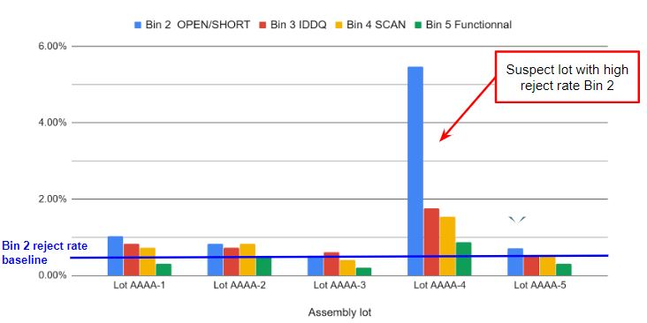

#9 | Iddq Test on Digital Circuit
 | During Iddq test current from any analog supplies must not be included in this measurement and the IC’s clock is paused. The component is into its quiescent mode Iddq test vectors shall provide a minimum of 70% transistor-level coverage (TLC) and it shall not be less than10 test vectors, unless it can be demonstrated that greater than 90% coverage can be achieved with less than10 test vectors.

#10 | High Voltage Stress Test on Analog Circuit
 | High Voltage Stress Test addresses component using the technology MOS: High Voltage Stress Test is applied between Gate and Source. The Purpose is to stress the gate oxide in order to precipitate the components with defects in gate oxide - Component with poor oxide quality (mis-process) - Component with any gate oxide particle (Wafer fab defectivity) The Stress Voltage is done above the specified limits of the component and below the limit of the technology in order to precipitates the defects without degrading the components with no defects Recommended maximum stress voltage testing must not exceed 5V/10nm of gate oxide thickness Test pads are required to do HVST and a test mode is required to switch off all current sources in order to perform efficient gate leakage measurement HVST cannot be implemented on all the MOS transistors. Only MOS with significant die size shall be tested with HVST
 | 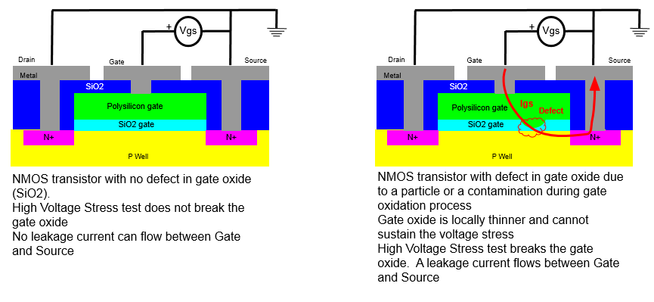
 | 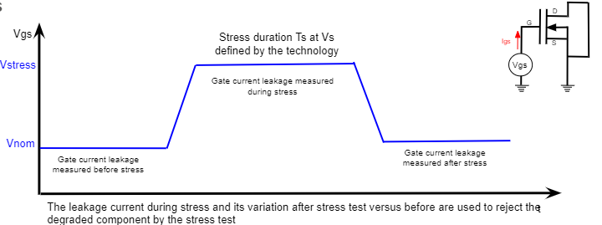
#11 | High Voltage Stress Test on Digital Circuitry with Iddq Test Refer to explanation in item #10 about High Voltage Stress Test The digital is scanable to allow Iddq measurement with HVST

#a | Safe Launch (for VLSI): It is accepted that the supplier sets up a safe launch with a test at cold which will be removed with the evidence that the tests at ambient and hot temperature detect all components failed at cold temperature. Safe launch requirement is at least 3 wafer lots and 100k components tested.
#b | Guarbanding methodology (for simple ICs): It is accepted that the supplier sets up a guardbanding strategy to cover the cold and hot test with the evidence that the tests at ambient detects all components failed at cold & hot temperature.

