Flyback
Known Parameters |  |  |  | Calculations
Parameter | Value | Units | Notes | Component | Parameter | Value | Units | Chosen Component | Units
L_MAG | 9.00E-06 | H |  |  | V_D-REV (min) | 52.5 | V
V_OUT | 15 | V |  | D_FLY | V_D-REV (safety factor) | 65.625 | V | Chose BAS70LT1G, which determins V_D below
V_IN (max) | 37.5 | V | 24VAC*110% |  | V_D | 0.41 | V
N_PS | 1 | - | 1:1 turns ratio
I_single | 3.60E-02 | A |  |  | D | 0.29124929125
num | 18 | - |  |  | I_PRI-PK(BCM) | 1.8285696 | A
I_OUT (max) | 6.48E-01 | A |  |  | F_SW(BCM) | 6.64E+05 | Hz | 350 | kHz
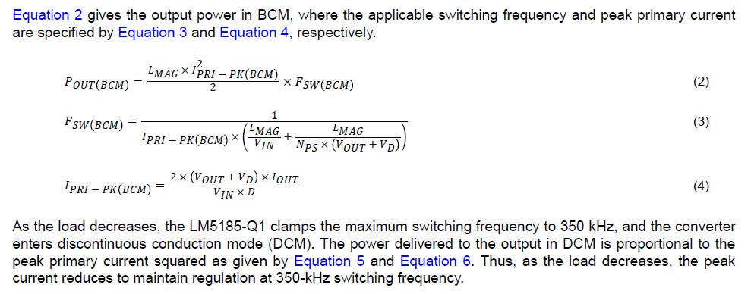
V_IN(on) | 14.1 | V |  |  | P_OUT(BCM) | 9.99 | W
V_IN(off) | 11 | V | 12.2
V_UV_RISE | 1.45 |  |  | D_CLAMP | V_DZ(clamp) | 23.115 | V | BZX84C27LT1G
V_UV_FALL | 1.5 |  |  | D_F | V_DF-REV | 37.5 | V | BAS40
I_HYST | 5.00E-06 | A
V_CS(max) | 1.00E-01 | V |  | R_FB | R_FB | 154100 | Ω | 154000 | Ω

 |  |  |  |  | TC_D | -1.28 | mV/C
R_SET | 1.00E+04 | Ω |  | R_TC | R_TC | 457484.375 | Ω | 453000 | Ω
C_OUT | 4.40E-05 | F
C_IN | 8.80E-04 | F | electrolytic | R_UV1 aka R_UVH | R_UV1 | 526000 | Ω | 511000 | Ω
 | R_ESR | 2.00E-01 | Ω | R_UV2 aka R_UVL | R_UV2 | 60531.746032 | Ω | 59000 | Ω

C_VCC | 2.20E-06 | F | v rating? |  | V_IN(on, actual) | 14.008474576 |  | 2.0719491525
C_SS | 0.00E+00 | F |  |  | V_IN(off, actual) | 11.936525424

R_SNB | 100 | Ω |  | R_CS | R_CS (max) | 0.054687554688 | mΩ | 5.00E-02 | Ω
C_SNB | 1.50E-10 | F | 150pF
f_co | 1000 | Hz |  |  | R_LOAD | 23.148148148 | Ω
g_m | 6.00E-04 | S
 |  |  |  |  | A_M | 11.574074074
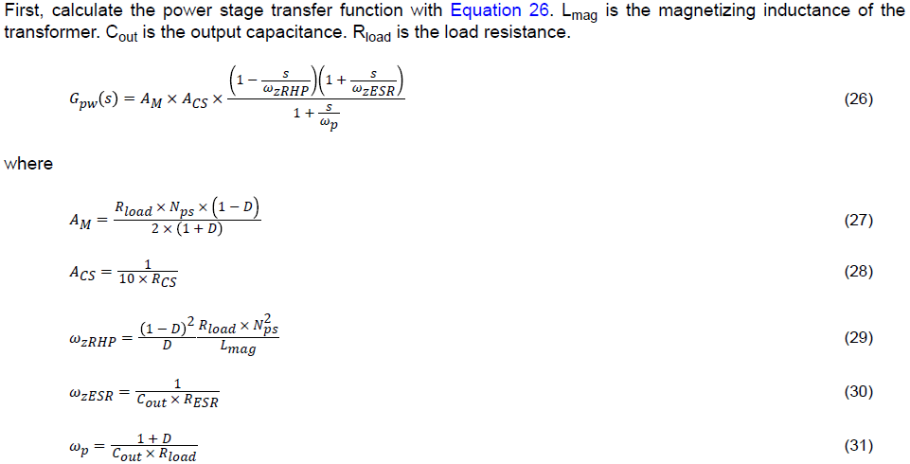
R_FLT | 100 | Ω | From eval kit |  | A_CS | 2000
C_FLT | 1.00E-10 | F |  |  | ω_zRHP | 4436044.3452 | rad/s
 |  |  |  |  | ω_zESR | 113636.36364 | rad/s
 |  |  |  |  | ω_p | 1267.7720314 | rad/s

 |  |  |  |  | G_pw | 1147.40284966457-4439.50424524929i
 |  |  |  |  | Gain | 73.227511088

 |  |  |  | R_COMP | R_COMP | 162691.36077 | Ω | 162000 | Ω
 |  |  |  | C_COMP | C_COMP | 2.4345226718E-09 | F | 2.40E-09 | F
 |  |  |  | C_HF | C_HF | 1.6E-11 | F | 1.60E-11 | F

 |  |  |  | N-channel MOSFET | Consider NVMFS021N10MCLT1G (Onsemi)
