PDC
Maximum Gate Driver Operating Frequency (Thermal Limit)
 | Parameter | min | typ | max | Comments
Gate Driver Assumptions | Operating Voltage VDD (V) |  | 18 |  | Change this as applicable | All Yellow highlighted cells can be changed by user to match actual use case
 | Bus Voltage VBUS (V) |  | 320 |  | Change this as applicable
 | VDD Quiescent Current IVDD (mA) |  | 2 | 3.6 | Take from gate driver datasheet
 | HB Quiescent Curret IHB (mA) |  | 1.5 | 2 | Take from gate driver datasheet
 | HB to VSS Quiescent Curret IHBS (mA) |  | 0 | 0.05 | Take from gate driver datasheet
 | Duty Cycle |  | 0.5 | 1 | Change this as applicable
 | Average Pull Up/Down Resistance (Ω) |  | 5 |  | View Example 1
 | Junction/Operating Temperature TJ (°C) |  |  | 130 | Take from gate driver datasheet
 | Ambient Temperature TA (°C) |  |  | 25 | Change this as applicable
 | Junction-to-Ambient Thermal Resistance RΘJA (°C/W) |  | 68.5 |  | Take from gate driver datasheet | Cells with this fill color are the recommended Values
Transistor Assumptions | Individual Gate Charge QG (nC) |  | 170 |  | Take from transistor datasheet
 | Internal Gate Resistance RG_Int (Ω) |  | 1 |  | View Example 1
 | External Gate Resistance RG_Ext (Ω) |  | 7.8 |  | Change this as applicable
 | Total Number of Transistors (N) |  | 2 |  | Change this as applicable

 |  | Device Characteristics
 |  | min | typ | max
 | Quiescent Power (mW) |  | 63 | 117.70
 | Maximum Dischargeable Power PD (W) |  | 1.53
 | Maximum Operating Frequency FSW (kHz) |  | 662.87

Maximum Switching Frequency

Maximum Switching Frequency Vs Ambient Temperature
Maximum Switching Frequency Vs External Gate Resistance TA=25C
 |  |  |  |  |  |  | Ambient Temperature TA (°C) | 0 | 25 | 50 | 75 | 100 | 125
 |  |  |  |  |  |  | Maximum Dischargeable Power PD (W) | 1.897810219 | 1.5328467153 | 1.1678832117 | 0.80291970803 | 0.43795620438 | 0.07299270073
 |  |  |  |  |  |  | Maximum Operating Frequency FSW (kHz) | 827.46343209 | 662.87204809 | 498.28066409 | 333.68928009 | 169.09789609 | 4.5065120939

 |  |  |  |  |  |  | External Gate Resistance RG_Ext (Ω) | 0 | 3 | 6 | 9 | 12 | 15
 |  |  |  |  |  |  | Maximum Operating Frequency FSW (kHz) | 288.2052383 | 432.30785745 | 576.4104766 | 720.51309575 | 864.6157149 | 1008.718334

Example 1
Maximum Switching Frequency Vs Ambient Temperature
Maximum Switching Frequency Vs External Gate Resistance TA=25C
Maximum Gate Driver Operating Frequency (Thermal Limit)
 | Parameter | min | typ | max | Comments |  | Maximum Switching Frequency
Gate Driver Assumptions | Operating Voltage VDD (V) |  | 12 |  | Change this as applicable | All Yellow highlighted cells can be changed by user to match actual use case
 | Bus Voltage VBUS (V) |  | 80 |  | Change this as applicable
 | VDD Quiescent Current IVDD (mA) |  | 0.4 | 0.4 | Take from gate driver datasheet
 | HB Quiescent Curret IHB (mA) |  | 0.4 | 0.4 | Take from gate driver datasheet
 | HB to VSS Quiescent Curret IHBS (mA) |  | 5.00E-05 | 5.00E-05 | Take from gate driver datasheet | Cells with this fill color are the recommended Values
 | Duty Cycle |  | 0.75 | 0.75 | Change this as applicable
 | Average Pull Up/Down Resistance (Ω) |  | 4.1 |  | Look Below
 | Junction/Operating Temperature TJ (°C) |  |  | 140 | Take from gate driver datasheet
 | Ambient Temperature TA (°C) |  |  | 25 | Change this as applicable
 | Junction-to-Ambient Thermal Resistance RΘJA (°C/W) |  | 118.3 |  | Take from gate driver datasheet
Transistor Assumptions | Individual Gate Charge QG (nC) |  | 94 |  | Take from transistor datasheet
 | Internal Gate Resistance RG_Int (Ω) |  | 0 |  | Look Below
 | External Gate Resistance RG_Ext (Ω) |  | 2 |  | Change this as applicable
 | Total Number of Transistors (N) |  | 2 |  | Change this as applicable

 |  | Device Characteristics
 |  | min | typ | max |  |  |  | Ambient Temperature TA (°C) | 0 | 25 | 50 | 75 | 100 | 125 | External Gate Resistance RG_Ext (Ω) | 0 | 3 | 6 | 9 | 12 | 15
 | Quiescent Power (mW) |  | 9.60345 | 9.60 |  |  |  | Maximum Dischargeable Power PD (W) | 1.1834319527 | 0.97210481826 | 0.76077768385 | 0.54945054945 | 0.33812341505 | 0.12679628064 | Maximum Operating Frequency FSW (kHz) | 426.64067742 | 738.81678285 | 1050.9928883 | 1363.1689937 | 1675.3450991 | 1987.5212046
 | Maximum Dischargeable Power PD (W) |  | 0.97 |  |  |  |  | Maximum Operating Frequency FSW (kHz) | 774.12578557 | 634.75808104 | 495.3903765 | 356.02267197 | 216.65496743 | 77.2872629
 | Maximum Operating Frequency FSW (kHz) |  | 634.76

Example 1 Simplified Schematic

VDD = 12V
VBUS = 80V
Duty = 75%
TA = 25 C
RG_Ext = 2
N = 2

UCC27211 Parameters

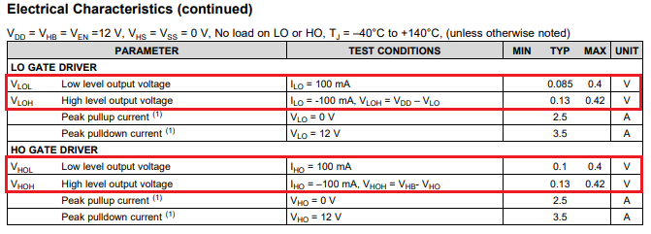

IVDD = 0.4mA
IHB = 0.4mA
IHBS = 50uA

TJ = 140 C

$$R_{PullUp}=\frac{V_{XOH}}{I_{XO}}=\frac{0.42V}{0.100A}=4.2 Ω$$
$$R_{PullDown}=\frac{V_{XOL}}{I_{XO}}=\frac{0.4V}{0.100A}=4.0 Ω$$

RTJA = 118.3 C/W

IRFP140N Parameters

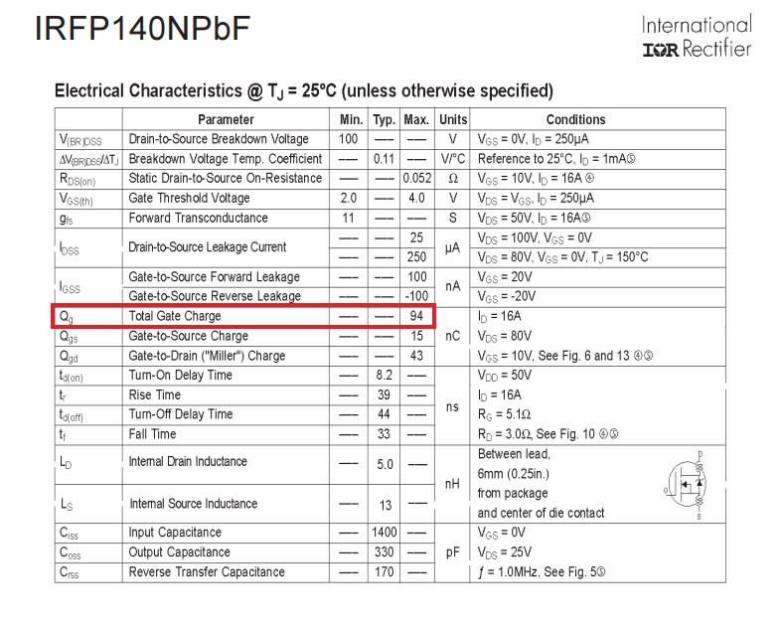

QG = 94nC
RG_Int not listed, use zero

