Sheet1
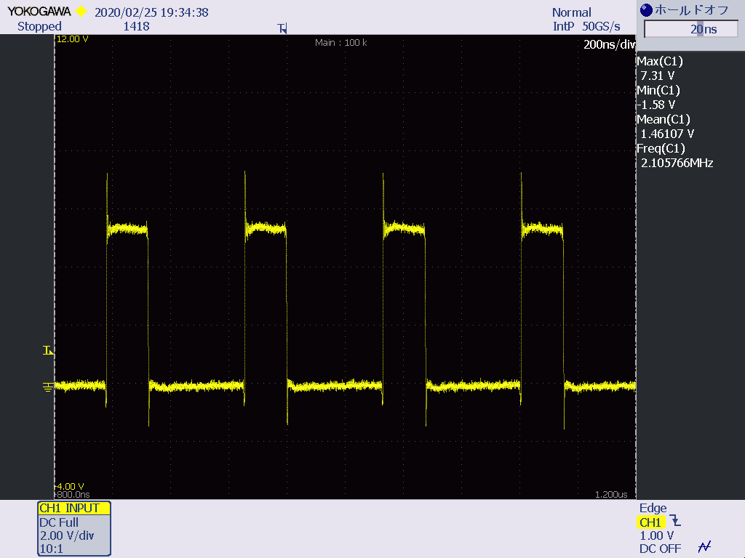 |  |  |  | zooming undershoot waveform |  | Zooming overshoot waveform
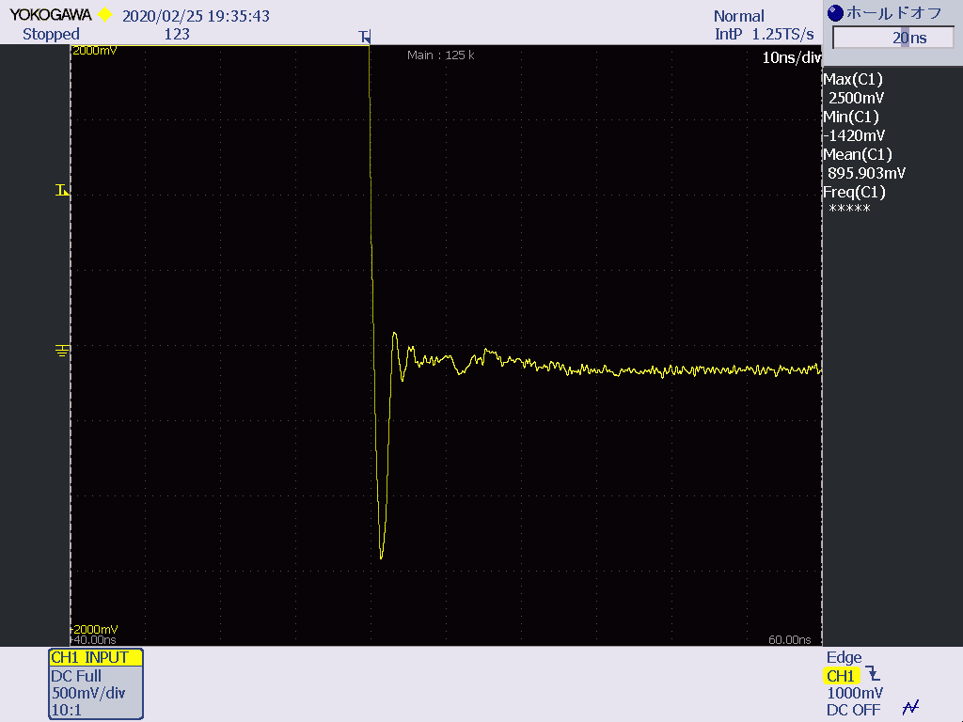
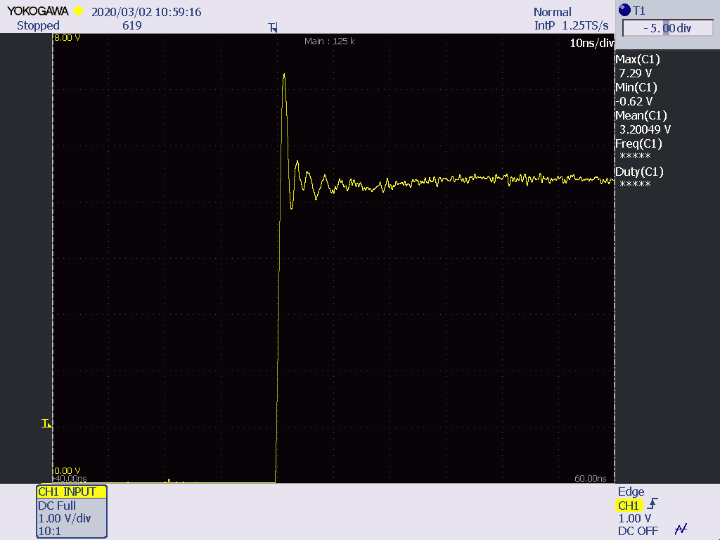

 | 周期 | 474.88657334 | ns |  | min-1.42V 3ns | MAX7.29V 3ns

