Sheet1
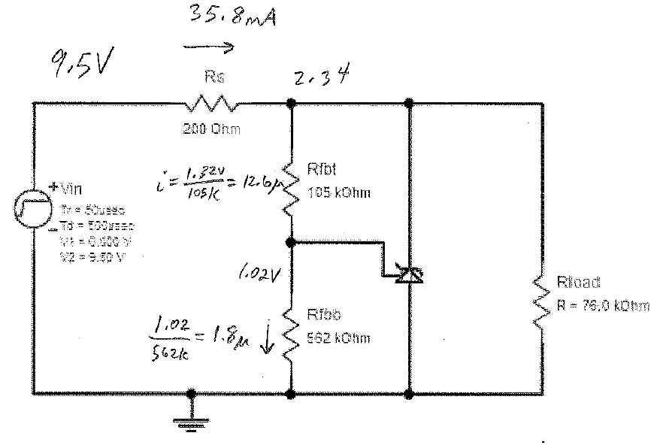
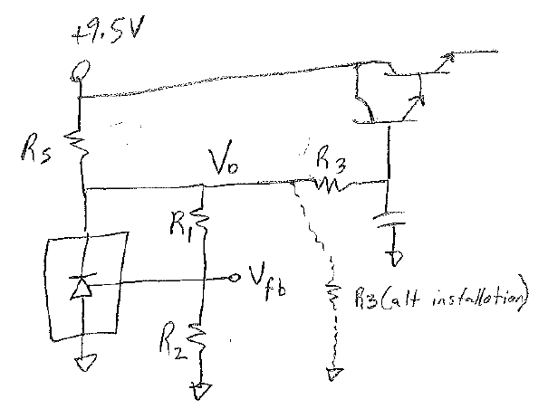
 |  |  | Values from the WebBench tool
Vin | 9.5 | 9.5 | 9.5 | 9.5
Rs | 10.2 K | 5.1 K | 200 | 200
R1 | 14.6 K | 14.6 K | 105 K | 105 K
R2 | 74.9 K | 74.9 K | 562 K | 562 K
R3 | 2.55 K | 2.55 K | removed (no load current) | 75K resistor installed to ground
Vo | 4.87 | 4.87 | 2.34 | 2.34
Vfb | 3.63 | 3.63 | 1.02 | 1.10
iRS | 453.9 uA | 907.8 uA | 35.80 mA | 35.8 mA
iR1 | 84.9 uA | 84.9 uA | 12.6 uA | 11.8 uA
iR2 | 48.5 uA | 48.5 uA | 1.8 uA | 2.0 uA
iR3 (load) | 58.0 uA | 57.0 uA | 0.0 uA | 31.2 uA
ifb | 36.5 uA | 36.5 uA | 10.8 uA | 9.9 uA
iLM4041 | 311.0 uA | 765.9 uA | 35.79 mA | 35.76 mA

