Sheet1
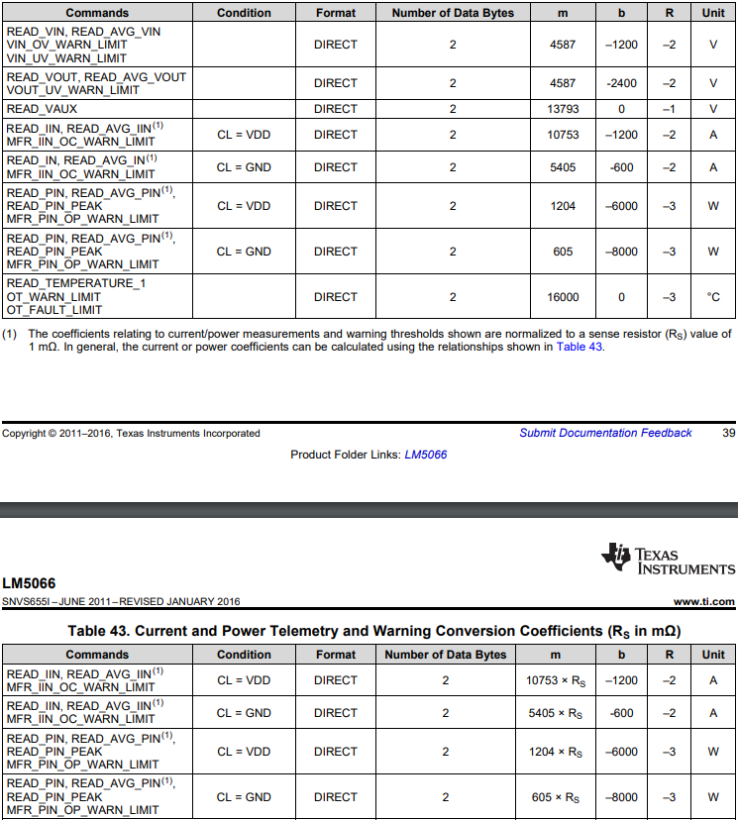
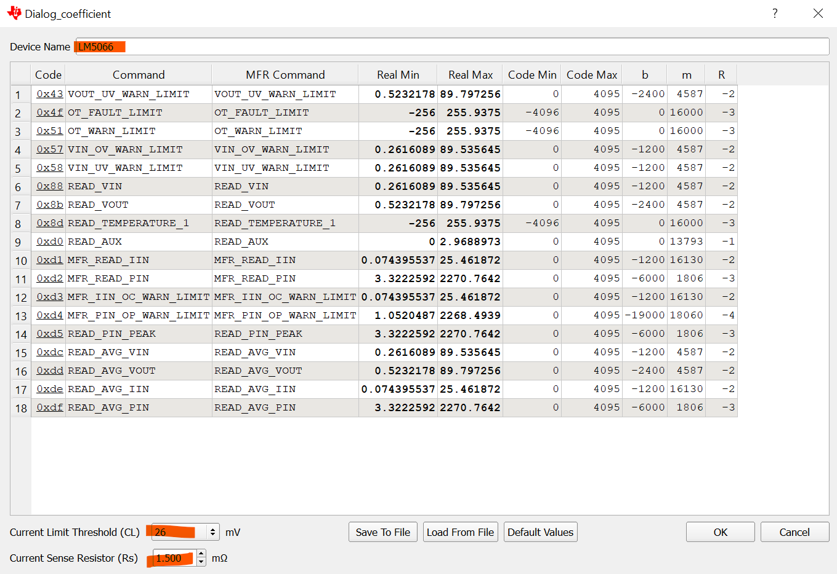
 | Enter value
 | Calculated
RSENSE (mΩ) | 0.333

READ_VIN, READ_AVG_VIN, VIN_OV_WARN_LIMIT, and VIN_UV_WARN_LIMIT
 |  | m | b | R
Coefficients |  | 4587 | -1200 | -2
Corresponding register value( High Byte,Low Byte) | 0667
Y = A 2-byte two's complement integer received from device | 1639
Result (real-world value, Volts) | 35.993023763 | V
READ_VOUT, READ_AVG_VOUT, and VOUT_UV_WARN_LIMIT
 |  | m | b | R
Coefficients |  | 4587 | -2400 | -2
Corresponding register value( High Byte,Low Byte) | 0882
Y = A 2-byte two's complement integer received from device | 2178
Result (real-world value, Volts) | 48.005232178 | V
READ_IIN, READ_AVG_IIN, and MFR_IIN_OC_WARN_LIMIT
CL = GND |  | m/RSENSE | b | R
Coefficients |  | 10753 | -1200 | -2
Corresponding register value( High Byte,Low Byte) | 88a
Y = A 2-byte two's complement integer received from device | 2186
Result (real-world value, Volts) | 61.383805455 | A
READ_PIN, READ_AVG_PIN, READ_PIN_PEAK, and MFR_PIN_OP_WARN_LIMIT
CL = GND |  | m/RSENSE | b | R
Coefficients |  | 1204 | -6000 | -3
Corresponding register value( High Byte,Low Byte) | a6
Y = A 2-byte two's complement integer received from device | 166
Result (real-world value, Volts) | 429.000429 | W
READ_TEMPERATURE_1 OT_FAULT_LIMIT OT_WARN_LIMIT
 |  | m | b | R
Coefficients |  | 16000 | 0 | -3
Corresponding register value( High Byte,Low Byte) | 0340
Y = A 2-byte two's complement integer received from device | 832
Result (real-world value,°C) | 52 | °C

